RENBP _multivariate
Reported by Tex Li-Hsing Chi. tex@gate.sinica.edu.tw 2019-08-16

Table 2. The clinicopathological features of HNSCC cohort and RENBP expression. (Chi square test)
Cutoff at -0.235 (49.8%)
 |  | RENBP expression |  | RENBP expression |  | (Optimised)
 | Features | Low | (%) | High | (%) | Case no | P-value | Remark | Matthews
Gender | Female | 160 | 38.6 | 146 | 35.2 | 415 | 0.1254 | 0 | 0
2 | Male | 47 | 11.3 | 62 | 14.9
Age at diagnosis | <=65y | 140 | 33.7 | 134 | 32.3 | 415 | 0.5574 | 0 | 0
4 | >65y | 67 | 16.1 | 74 | 17.8
Clinical T Status | T1+T2 | 73 | 17.6 | 76 | 18.3 | 415 | 0.8666 | 0 | 0
6 | T3+T4 | 134 | 32.3 | 132 | 31.8
Clinical N Status | N0 | 116 | 28 | 100 | 24.1 | 415 | 0.1273 | 1 | 0
8 | N1-3 | 91 | 21.9 | 108 | 26
Clinical M Status | M0 | 205 | 49.4 | 207 | 49.9 | 415 | 0.6232 | 0 | 0
10 | M1 | 2 | 0.5 | 1 | 0.2
Clinical Stage | Stage I+II | 53 | 12.8 | 49 | 11.8 | 415 | 0.7113 | 0 | 0
12 | Stage III+IV | 154 | 37.1 | 159 | 38.3
Surgical Margin status | Negative | 155 | 37.3 | 163 | 39.3 | 415 | 0.4187 | 0 | 0
14 | Positive | 52 | 12.5 | 45 | 10.8
Tobacco Exposure | Low | 79 | 19 | 82 | 19.8 | 415 | 0.8405 | 0 | 0
16 | High | 128 | 30.8 | 126 | 30.4

Table 3. Univariate/Multivariate Cox's proportional hazards regression analyses on OS time of RENBP gene expression in HNSCC

 |  | Univariate |  |  |  | Multivariate
 | Features | HR | CI95%(L) | CI95%(H) | P-value | HR | CI95%(L) | CI95%(H) | P-value
1 | Female | 1 |  |  |  | 1
Gender | Male | 1.157 | 0.843 | 1.587 | 0.367 | 1.214 | 0.868 | 1.697 | 0.256
11 | <=65y | 1 |  |  |  | 1
Age at diagnosis | >65y | 1.329 | 0.99 | 1.784 | 0.058 | 1.39 | 1.023 | 1.888 | 0.035
12 | T1+T2 | 1 |  |  |  | 1
Clinical T Status | T3+T4 | 1.409 | 1.028 | 1.931 | 0.033 | 2.245 | 1.187 | 4.249 | 0.013
13 | N0 | 1 |  |  |  | 1
Clinical N Status | N1-3 | 1.185 | 0.89 | 1.577 | 0.246 | 1.285 | 0.898 | 1.839 | 0.171
14 | M0 | 1 |  |  |  | 1
Clinical M Status | M1 | 4.097 | 1.009 | 16.644 | 0.049 | 9.189 | 2.003 | 42.16 | 0.004
15 | Stage I+II | 1 |  |  |  | 1
Clinical Stage | Stage III+IV | 1.245 | 0.882 | 1.759 | 0.213 | 0.494 | 0.23 | 1.061 | 0.071
16 | Negative | 1 |  |  |  | 1
Surgical Margin status | Positive | 1.591 | 1.155 | 2.191 | 0.004 | 1.667 | 1.206 | 2.304 | 0.002
17 | Low | 1 |  |  |  | 1
Tobacco Exposure | High | 1.364 | 1.008 | 1.844 | 0.044 | 1.442 | 1.046 | 1.989 | 0.026
18 | Low | 1 |  |  |  | 1
RNAseq(z-score) | High | 0.838 | 0.627 | 1.12 | 0.232 | 0.817 | 0.608 | 1.098 | 0.18

Table 4. Univariate/Multivariate Cox's proportional hazards regression analyses on RFS time of RENBP gene expression in HNSCC

 |  | Univariate |  |  |  | Multivariate
 | Features | HR | CI95%(L) | CI95%(H) | P-value | HR | CI95%(L) | CI95%(H) | P-value
1 | Female | 1 |  |  |  | 1
Gender | Male | 1.157 | 0.843 | 1.587 | 0.367 | 1.214 | 0.868 | 1.697 | 0.256
11 | <=65y | 1 |  |  |  | 1
Age at diagnosis | >65y | 1.329 | 0.99 | 1.784 | 0.058 | 1.39 | 1.023 | 1.888 | 0.035
12 | T1+T2 | 1 |  |  |  | 1
Clinical T Status | T3+T4 | 1.409 | 1.028 | 1.931 | 0.033 | 2.245 | 1.187 | 4.249 | 0.013
13 | N0 | 1 |  |  |  | 1
Clinical N Status | N1-3 | 1.185 | 0.89 | 1.577 | 0.246 | 1.285 | 0.898 | 1.839 | 0.171
14 | M0 | 1 |  |  |  | 1
Clinical M Status | M1 | 4.097 | 1.009 | 16.644 | 0.049 | 9.189 | 2.003 | 42.16 | 0.004
15 | Stage I+II | 1 |  |  |  | 1
Clinical Stage | Stage III+IV | 1.245 | 0.882 | 1.759 | 0.213 | 0.494 | 0.23 | 1.061 | 0.071
16 | Negative | 1 |  |  |  | 1
Surgical Margin status | Positive | 1.591 | 1.155 | 2.191 | 0.004 | 1.667 | 1.206 | 2.304 | 0.002
17 | Low | 1 |  |  |  | 1
Tobacco Exposure | High | 1.364 | 1.008 | 1.844 | 0.044 | 1.442 | 1.046 | 1.989 | 0.026
18 | Low | 1 |  |  |  | 1
RNAseq(z-score) | High | 0.838 | 0.627 | 1.12 | 0.232 | 0.817 | 0.608 | 1.098 | 0.18

Kaplan-Meier survival estimate: Cutoff at -0.235 (49.8%)



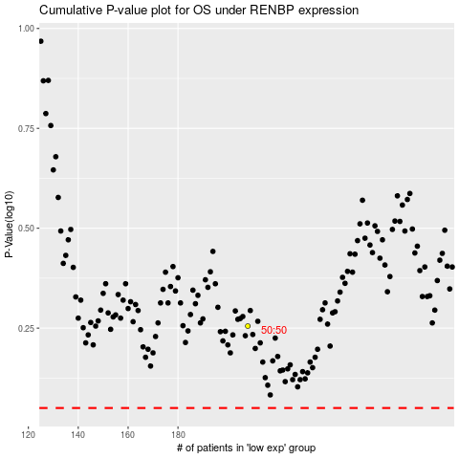

 |  |  |  |  |  | cases_OS | p_OS | rank | exp
 |  |  |  |  |  |  | cases_RFS | p_RFS | rank | exp

