RERE _multivariate
Reported by Tex Li-Hsing Chi. tex@gate.sinica.edu.tw 2019-08-16

Table 2. The clinicopathological features of HNSCC cohort and RERE expression. (Chi square test)
Cutoff at -0.28 (49.8%)
 |  | RERE expression |  | RERE expression |  | (Optimised)
 | Features | Low | (%) | High | (%) | Case no | P-value | Remark | Matthews
Gender | Female | 157 | 37.8 | 149 | 35.9 | 415 | 0.3881 | 0 | 0
2 | Male | 50 | 12 | 59 | 14.2
Age at diagnosis | <=65y | 141 | 34 | 133 | 32 | 415 | 0.4272 | 0 | 0
4 | >65y | 66 | 15.9 | 75 | 18.1
Clinical T Status | T1+T2 | 67 | 16.1 | 82 | 19.8 | 415 | 0.1628 | 0 | 0
6 | T3+T4 | 140 | 33.7 | 126 | 30.4
Clinical N Status | N0 | 108 | 26 | 108 | 26 | 415 | 1 | 0 | 0
8 | N1-3 | 99 | 23.9 | 100 | 24.1
Clinical M Status | M0 | 205 | 49.4 | 207 | 49.9 | 415 | 0.6232 | 0 | 0
10 | M1 | 2 | 0.5 | 1 | 0.2
Clinical Stage | Stage I+II | 46 | 11.1 | 56 | 13.5 | 415 | 0.3182 | 0 | 0
12 | Stage III+IV | 161 | 38.8 | 152 | 36.6
Surgical Margin status | Negative | 151 | 36.4 | 167 | 40.2 | 415 | 0.0828 | 0 | 0
14 | Positive | 56 | 13.5 | 41 | 9.9
Tobacco Exposure | Low | 74 | 17.8 | 87 | 21 | 415 | 0.227 | 0 | 0
16 | High | 133 | 32 | 121 | 29.2

Table 3. Univariate/Multivariate Cox's proportional hazards regression analyses on OS time of RERE gene expression in HNSCC

 |  | Univariate |  |  |  | Multivariate
 | Features | HR | CI95%(L) | CI95%(H) | P-value | HR | CI95%(L) | CI95%(H) | P-value
1 | Female | 1 |  |  |  | 1
Gender | Male | 1.157 | 0.843 | 1.587 | 0.367 | 1.201 | 0.86 | 1.677 | 0.284
11 | <=65y | 1 |  |  |  | 1
Age at diagnosis | >65y | 1.329 | 0.99 | 1.784 | 0.058 | 1.39 | 1.023 | 1.89 | 0.036
12 | T1+T2 | 1 |  |  |  | 1
Clinical T Status | T3+T4 | 1.409 | 1.028 | 1.931 | 0.033 | 2.219 | 1.172 | 4.203 | 0.014
13 | N0 | 1 |  |  |  | 1
Clinical N Status | N1-3 | 1.185 | 0.89 | 1.577 | 0.246 | 1.241 | 0.87 | 1.771 | 0.234
14 | M0 | 1 |  |  |  | 1
Clinical M Status | M1 | 4.097 | 1.009 | 16.644 | 0.049 | 9.621 | 2.087 | 44.348 | 0.004
15 | Stage I+II | 1 |  |  |  | 1
Clinical Stage | Stage III+IV | 1.245 | 0.882 | 1.759 | 0.213 | 0.501 | 0.233 | 1.076 | 0.076
16 | Negative | 1 |  |  |  | 1
Surgical Margin status | Positive | 1.591 | 1.155 | 2.191 | 0.004 | 1.686 | 1.216 | 2.338 | 0.002
17 | Low | 1 |  |  |  | 1
Tobacco Exposure | High | 1.364 | 1.008 | 1.844 | 0.044 | 1.461 | 1.059 | 2.016 | 0.021
18 | Low | 1 |  |  |  | 1
RNAseq(z-score) | High | 0.937 | 0.703 | 1.248 | 0.656 | 1.053 | 0.785 | 1.412 | 0.732

Table 4. Univariate/Multivariate Cox's proportional hazards regression analyses on RFS time of RERE gene expression in HNSCC

 |  | Univariate |  |  |  | Multivariate
 | Features | HR | CI95%(L) | CI95%(H) | P-value | HR | CI95%(L) | CI95%(H) | P-value
1 | Female | 1 |  |  |  | 1
Gender | Male | 1.157 | 0.843 | 1.587 | 0.367 | 1.201 | 0.86 | 1.677 | 0.284
11 | <=65y | 1 |  |  |  | 1
Age at diagnosis | >65y | 1.329 | 0.99 | 1.784 | 0.058 | 1.39 | 1.023 | 1.89 | 0.036
12 | T1+T2 | 1 |  |  |  | 1
Clinical T Status | T3+T4 | 1.409 | 1.028 | 1.931 | 0.033 | 2.219 | 1.172 | 4.203 | 0.014
13 | N0 | 1 |  |  |  | 1
Clinical N Status | N1-3 | 1.185 | 0.89 | 1.577 | 0.246 | 1.241 | 0.87 | 1.771 | 0.234
14 | M0 | 1 |  |  |  | 1
Clinical M Status | M1 | 4.097 | 1.009 | 16.644 | 0.049 | 9.621 | 2.087 | 44.348 | 0.004
15 | Stage I+II | 1 |  |  |  | 1
Clinical Stage | Stage III+IV | 1.245 | 0.882 | 1.759 | 0.213 | 0.501 | 0.233 | 1.076 | 0.076
16 | Negative | 1 |  |  |  | 1
Surgical Margin status | Positive | 1.591 | 1.155 | 2.191 | 0.004 | 1.686 | 1.216 | 2.338 | 0.002
17 | Low | 1 |  |  |  | 1
Tobacco Exposure | High | 1.364 | 1.008 | 1.844 | 0.044 | 1.461 | 1.059 | 2.016 | 0.021
18 | Low | 1 |  |  |  | 1
RNAseq(z-score) | High | 0.937 | 0.703 | 1.248 | 0.656 | 1.053 | 0.785 | 1.412 | 0.732

Kaplan-Meier survival estimate: Cutoff at -0.28 (49.8%)



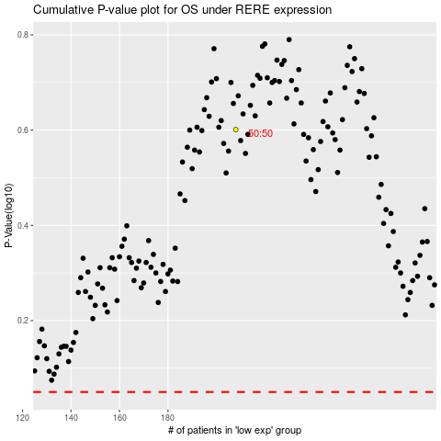

 |  |  |  |  |  | cases_OS | p_OS | rank | exp
 |  |  |  |  |  |  | cases_RFS | p_RFS | rank | exp

