RET _multivariate
Reported by Tex Li-Hsing Chi. tex@gate.sinica.edu.tw 2019-08-16

Table 2. The clinicopathological features of HNSCC cohort and RET expression. (Chi square test)
Cutoff at -0.406 (35.3%)
 |  | RET expression |  | RET expression |  | (Optimised)
 | Features | Low | (%) | High | (%) | Case no | P-value | Remark | Matthews
Gender | Female | 114 | 27.5 | 192 | 46.3 | 415 | 0.172 | 0 | 0
2 | Male | 32 | 7.7 | 77 | 18.6
Age at diagnosis | <=65y | 94 | 22.7 | 180 | 43.4 | 415 | 0.6808 | 0 | 0
4 | >65y | 52 | 12.5 | 89 | 21.4
Clinical T Status | T1+T2 | 45 | 10.8 | 104 | 25.1 | 415 | 0.1382 | 0 | 0
6 | T3+T4 | 101 | 24.3 | 165 | 39.8
Clinical N Status | N0 | 76 | 18.3 | 140 | 33.7 | 415 | 1 | 0 | 0
8 | N1-3 | 70 | 16.9 | 129 | 31.1
Clinical M Status | M0 | 144 | 34.7 | 268 | 64.6 | 415 | 0.2837 | 0 | 0
10 | M1 | 2 | 0.5 | 1 | 0.2
Clinical Stage | Stage I+II | 27 | 6.5 | 75 | 18.1 | 415 | 0.0453 | 1 | 0
12 | Stage III+IV | 119 | 28.7 | 194 | 46.7
Surgical Margin status | Negative | 114 | 27.5 | 204 | 49.2 | 415 | 0.6293 | 0 | 0
14 | Positive | 32 | 7.7 | 65 | 15.7
Tobacco Exposure | Low | 49 | 11.8 | 112 | 27 | 415 | 0.1145 | 0 | 0
16 | High | 97 | 23.4 | 157 | 37.8

Table 3. Univariate/Multivariate Cox's proportional hazards regression analyses on OS time of RET gene expression in HNSCC

 |  | Univariate |  |  |  | Multivariate
 | Features | HR | CI95%(L) | CI95%(H) | P-value | HR | CI95%(L) | CI95%(H) | P-value
1 | Female | 1 |  |  |  | 1
Gender | Male | 1.157 | 0.843 | 1.587 | 0.367 | 1.182 | 0.846 | 1.65 | 0.327
11 | <=65y | 1 |  |  |  | 1
Age at diagnosis | >65y | 1.329 | 0.99 | 1.784 | 0.058 | 1.4 | 1.029 | 1.906 | 0.032
12 | T1+T2 | 1 |  |  |  | 1
Clinical T Status | T3+T4 | 1.409 | 1.028 | 1.931 | 0.033 | 2.131 | 1.125 | 4.039 | 0.02
13 | N0 | 1 |  |  |  | 1
Clinical N Status | N1-3 | 1.185 | 0.89 | 1.577 | 0.246 | 1.198 | 0.839 | 1.711 | 0.32
14 | M0 | 1 |  |  |  | 1
Clinical M Status | M1 | 4.097 | 1.009 | 16.644 | 0.049 | 10.066 | 2.194 | 46.19 | 0.003
15 | Stage I+II | 1 |  |  |  | 1
Clinical Stage | Stage III+IV | 1.245 | 0.882 | 1.759 | 0.213 | 0.554 | 0.257 | 1.194 | 0.131
16 | Negative | 1 |  |  |  | 1
Surgical Margin status | Positive | 1.591 | 1.155 | 2.191 | 0.004 | 1.645 | 1.191 | 2.273 | 0.003
17 | Low | 1 |  |  |  | 1
Tobacco Exposure | High | 1.364 | 1.008 | 1.844 | 0.044 | 1.492 | 1.083 | 2.055 | 0.014
18 | Low | 1 |  |  |  | 1
RNAseq(z-score) | High | 1.438 | 1.046 | 1.978 | 0.025 | 1.466 | 1.061 | 2.026 | 0.021

Table 4. Univariate/Multivariate Cox's proportional hazards regression analyses on RFS time of RET gene expression in HNSCC

 |  | Univariate |  |  |  | Multivariate
 | Features | HR | CI95%(L) | CI95%(H) | P-value | HR | CI95%(L) | CI95%(H) | P-value
1 | Female | 1 |  |  |  | 1
Gender | Male | 1.157 | 0.843 | 1.587 | 0.367 | 1.182 | 0.846 | 1.65 | 0.327
11 | <=65y | 1 |  |  |  | 1
Age at diagnosis | >65y | 1.329 | 0.99 | 1.784 | 0.058 | 1.4 | 1.029 | 1.906 | 0.032
12 | T1+T2 | 1 |  |  |  | 1
Clinical T Status | T3+T4 | 1.409 | 1.028 | 1.931 | 0.033 | 2.131 | 1.125 | 4.039 | 0.02
13 | N0 | 1 |  |  |  | 1
Clinical N Status | N1-3 | 1.185 | 0.89 | 1.577 | 0.246 | 1.198 | 0.839 | 1.711 | 0.32
14 | M0 | 1 |  |  |  | 1
Clinical M Status | M1 | 4.097 | 1.009 | 16.644 | 0.049 | 10.066 | 2.194 | 46.19 | 0.003
15 | Stage I+II | 1 |  |  |  | 1
Clinical Stage | Stage III+IV | 1.245 | 0.882 | 1.759 | 0.213 | 0.554 | 0.257 | 1.194 | 0.131
16 | Negative | 1 |  |  |  | 1
Surgical Margin status | Positive | 1.591 | 1.155 | 2.191 | 0.004 | 1.645 | 1.191 | 2.273 | 0.003
17 | Low | 1 |  |  |  | 1
Tobacco Exposure | High | 1.364 | 1.008 | 1.844 | 0.044 | 1.492 | 1.083 | 2.055 | 0.014
18 | Low | 1 |  |  |  | 1
RNAseq(z-score) | High | 1.438 | 1.046 | 1.978 | 0.025 | 1.466 | 1.061 | 2.026 | 0.021

Kaplan-Meier survival estimate: Cutoff at -0.406 (35.3%)

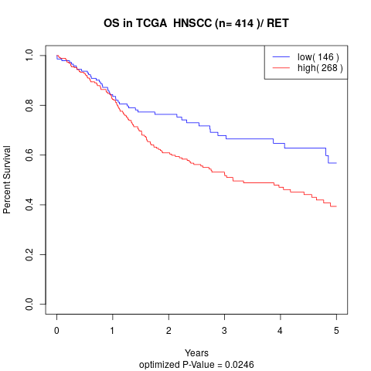

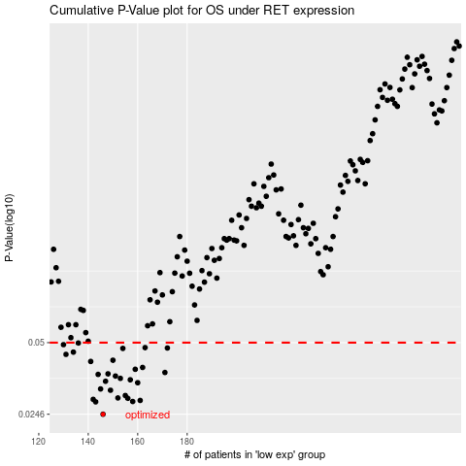

 |  |  |  |  |  | cases_OS | p_OS | rank | exp
 |  |  |  |  |  | 146 | 0.0246 | 114 | -0.40618140551
 |  |  |  |  |  | 143 | 0.0278 | 263 | -0.41343665154
 |  |  |  |  |  | 158 | 0.0279 | 38 | -0.3929162657
 |  |  |  |  |  | 161 | 0.0282 | 159 | -0.38912184096
 |  |  |  |  |  | 142 | 0.0285 | 173 | -0.41433833688
 |  |  |  |  |  | 156 | 0.0288 | 412 | -0.3973160071
 |  |  |  |  |  | 152 | 0.0289 | 323 | -0.40056398637
 |  |  |  |  |  | 155 | 0.0296 | 25 | -0.39743475584
 |  |  |  |  |  | 149 | 0.0312 | 221 | -0.4020870899
 |  |  |  |  |  | 145 | 0.0316 | 73 | -0.40676709845
 |  |  |  |  |  | 160 | 0.0336 | 17 | -0.38939003197
 |  |  |  |  |  | 147 | 0.0341 | 218 | -0.40573811044
 |  |  |  |  |  | 157 | 0.0346 | 327 | -0.39392613315
 |  |  |  |  |  | 153 | 0.0351 | 62 | -0.39966632641
 |  |  |  |  |  | 151 | 0.0359 | 6 | -0.4019492206
 |  |  |  |  |  | 144 | 0.0365 | 292 | -0.40832592723
 |  |  |  |  |  | 148 | 0.0367 | 47 | -0.40335860711
 |  |  |  |  |  | 171 | 0.0372 | 185 | -0.380604638
 |  |  |  |  |  | 159 | 0.0384 | 178 | -0.39071186645
 |  |  |  |  |  | 162 | 0.0391 | 56 | -0.38532993209
 |  |  |  |  |  | 141 | 0.0415 | 188 | -0.41447318714
 |  |  |  |  |  | 150 | 0.042 | 235 | -0.40196129674
 |  |  |  |  |  | 131 | 0.0445 | 138 | -0.43569197658
 |  |  |  |  |  | 134 | 0.0455 | 253 | -0.4290717344
 |  |  |  |  |  | 154 | 0.0472 | 182 | -0.39909220645
 |  |  |  |  |  | 172 | 0.0474 | 23 | -0.37986799328
 |  |  |  |  |  | 163 | 0.0476 | 414 | -0.38467932989
 |  |  |  |  |  | 130 | 0.049 | 352 | -0.43630232497
 |  |  |  |  |  | 136 | 0.0498 | 124 | -0.42407824931
 |  |  |  |  |  |  | cases_RFS | p_RFS | rank | exp
 |  |  |  |  |  |  | 145 | 0.0246 | 73 | -0.40676709845
 |  |  |  |  |  |  | 142 | 0.0278 | 173 | -0.41433833688
 |  |  |  |  |  |  | 157 | 0.0279 | 327 | -0.39392613315
 |  |  |  |  |  |  | 160 | 0.0282 | 17 | -0.38939003197
 |  |  |  |  |  |  | 141 | 0.0285 | 188 | -0.41447318714
 |  |  |  |  |  |  | 155 | 0.0288 | 25 | -0.39743475584
 |  |  |  |  |  |  | 151 | 0.0289 | 6 | -0.4019492206
 |  |  |  |  |  |  | 154 | 0.0296 | 182 | -0.39909220645
 |  |  |  |  |  |  | 148 | 0.0312 | 47 | -0.40335860711
 |  |  |  |  |  |  | 144 | 0.0316 | 292 | -0.40832592723
 |  |  |  |  |  |  | 159 | 0.0336 | 178 | -0.39071186645
 |  |  |  |  |  |  | 146 | 0.0341 | 114 | -0.40618140551
 |  |  |  |  |  |  | 156 | 0.0346 | 412 | -0.3973160071
 |  |  |  |  |  |  | 152 | 0.0351 | 323 | -0.40056398637
 |  |  |  |  |  |  | 150 | 0.0359 | 235 | -0.40196129674
 |  |  |  |  |  |  | 143 | 0.0365 | 263 | -0.41343665154
 |  |  |  |  |  |  | 147 | 0.0367 | 218 | -0.40573811044
 |  |  |  |  |  |  | 170 | 0.0372 | 271 | -0.3812441704
 |  |  |  |  |  |  | 158 | 0.0384 | 38 | -0.3929162657
 |  |  |  |  |  |  | 161 | 0.0391 | 159 | -0.38912184096
 |  |  |  |  |  |  | 140 | 0.0415 | 233 | -0.41647782686
 |  |  |  |  |  |  | 149 | 0.042 | 221 | -0.4020870899
 |  |  |  |  |  |  | 130 | 0.0445 | 352 | -0.43630232497
 |  |  |  |  |  |  | 133 | 0.0455 | 295 | -0.43106882654
 |  |  |  |  |  |  | 153 | 0.0472 | 62 | -0.39966632641
 |  |  |  |  |  |  | 171 | 0.0474 | 185 | -0.380604638
 |  |  |  |  |  |  | 162 | 0.0476 | 56 | -0.38532993209
 |  |  |  |  |  |  | 129 | 0.049 | 262 | -0.43840659287
 |  |  |  |  |  |  | 135 | 0.0498 | 135 | -0.42552788963

