RETN _multivariate
Reported by Tex Li-Hsing Chi. tex@gate.sinica.edu.tw 2019-08-16

Table 2. The clinicopathological features of HNSCC cohort and RETN expression. (Chi square test)
Cutoff at -0.077 (69.8%)
 |  | RETN expression |  | RETN expression |  | (Optimised)
 | Features | Low | (%) | High | (%) | Case no | P-value | Remark | Matthews
Gender | Female | 219 | 52.8 | 87 | 21 | 415 | 0.2563 | 0 | 0
2 | Male | 71 | 17.1 | 38 | 9.2
Age at diagnosis | <=65y | 201 | 48.4 | 73 | 17.6 | 415 | 0.0414 | 1 | 0
4 | >65y | 89 | 21.4 | 52 | 12.5
Clinical T Status | T1+T2 | 108 | 26 | 41 | 9.9 | 415 | 0.451 | 0 | 0
6 | T3+T4 | 182 | 43.9 | 84 | 20.2
Clinical N Status | N0 | 150 | 36.1 | 66 | 15.9 | 415 | 0.925 | 0 | 0
8 | N1-3 | 140 | 33.7 | 59 | 14.2
Clinical M Status | M0 | 288 | 69.4 | 124 | 29.9 | 415 | 1 | 0 | 0
10 | M1 | 2 | 0.5 | 1 | 0.2
Clinical Stage | Stage I+II | 73 | 17.6 | 29 | 7 | 415 | 0.7612 | 0 | 0
12 | Stage III+IV | 217 | 52.3 | 96 | 23.1
Surgical Margin status | Negative | 227 | 54.7 | 91 | 21.9 | 415 | 0.2554 | 0 | 0
14 | Positive | 63 | 15.2 | 34 | 8.2
Tobacco Exposure | Low | 110 | 26.5 | 51 | 12.3 | 415 | 0.585 | 0 | 0
16 | High | 180 | 43.4 | 74 | 17.8

Table 3. Univariate/Multivariate Cox's proportional hazards regression analyses on OS time of RETN gene expression in HNSCC

 |  | Univariate |  |  |  | Multivariate
 | Features | HR | CI95%(L) | CI95%(H) | P-value | HR | CI95%(L) | CI95%(H) | P-value
1 | Female | 1 |  |  |  | 1
Gender | Male | 1.157 | 0.843 | 1.587 | 0.367 | 1.193 | 0.855 | 1.666 | 0.299
11 | <=65y | 1 |  |  |  | 1
Age at diagnosis | >65y | 1.329 | 0.99 | 1.784 | 0.058 | 1.369 | 1.006 | 1.862 | 0.045
12 | T1+T2 | 1 |  |  |  | 1
Clinical T Status | T3+T4 | 1.409 | 1.028 | 1.931 | 0.033 | 2.174 | 1.15 | 4.109 | 0.017
13 | N0 | 1 |  |  |  | 1
Clinical N Status | N1-3 | 1.185 | 0.89 | 1.577 | 0.246 | 1.239 | 0.869 | 1.767 | 0.237
14 | M0 | 1 |  |  |  | 1
Clinical M Status | M1 | 4.097 | 1.009 | 16.644 | 0.049 | 9.525 | 2.078 | 43.651 | 0.004
15 | Stage I+II | 1 |  |  |  | 1
Clinical Stage | Stage III+IV | 1.245 | 0.882 | 1.759 | 0.213 | 0.529 | 0.246 | 1.136 | 0.103
16 | Negative | 1 |  |  |  | 1
Surgical Margin status | Positive | 1.591 | 1.155 | 2.191 | 0.004 | 1.59 | 1.148 | 2.203 | 0.005
17 | Low | 1 |  |  |  | 1
Tobacco Exposure | High | 1.364 | 1.008 | 1.844 | 0.044 | 1.431 | 1.04 | 1.97 | 0.028
18 | Low | 1 |  |  |  | 1
RNAseq(z-score) | High | 1.497 | 1.104 | 2.03 | 0.009 | 1.437 | 1.055 | 1.958 | 0.022

Table 4. Univariate/Multivariate Cox's proportional hazards regression analyses on RFS time of RETN gene expression in HNSCC

 |  | Univariate |  |  |  | Multivariate
 | Features | HR | CI95%(L) | CI95%(H) | P-value | HR | CI95%(L) | CI95%(H) | P-value
1 | Female | 1 |  |  |  | 1
Gender | Male | 1.157 | 0.843 | 1.587 | 0.367 | 1.193 | 0.855 | 1.666 | 0.299
11 | <=65y | 1 |  |  |  | 1
Age at diagnosis | >65y | 1.329 | 0.99 | 1.784 | 0.058 | 1.369 | 1.006 | 1.862 | 0.045
12 | T1+T2 | 1 |  |  |  | 1
Clinical T Status | T3+T4 | 1.409 | 1.028 | 1.931 | 0.033 | 2.174 | 1.15 | 4.109 | 0.017
13 | N0 | 1 |  |  |  | 1
Clinical N Status | N1-3 | 1.185 | 0.89 | 1.577 | 0.246 | 1.239 | 0.869 | 1.767 | 0.237
14 | M0 | 1 |  |  |  | 1
Clinical M Status | M1 | 4.097 | 1.009 | 16.644 | 0.049 | 9.525 | 2.078 | 43.651 | 0.004
15 | Stage I+II | 1 |  |  |  | 1
Clinical Stage | Stage III+IV | 1.245 | 0.882 | 1.759 | 0.213 | 0.529 | 0.246 | 1.136 | 0.103
16 | Negative | 1 |  |  |  | 1
Surgical Margin status | Positive | 1.591 | 1.155 | 2.191 | 0.004 | 1.59 | 1.148 | 2.203 | 0.005
17 | Low | 1 |  |  |  | 1
Tobacco Exposure | High | 1.364 | 1.008 | 1.844 | 0.044 | 1.431 | 1.04 | 1.97 | 0.028
18 | Low | 1 |  |  |  | 1
RNAseq(z-score) | High | 1.497 | 1.104 | 2.03 | 0.009 | 1.437 | 1.055 | 1.958 | 0.022

Kaplan-Meier survival estimate: Cutoff at -0.077 (69.8%)

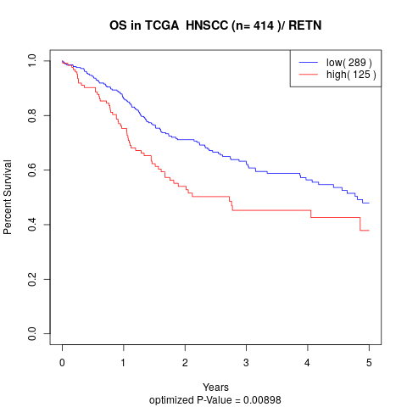

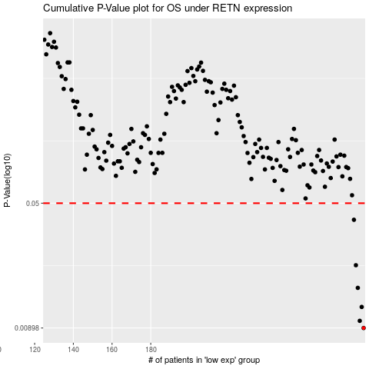

 |  |  |  |  |  | cases_OS | p_OS | rank | exp
 |  |  |  |  |  | 290 | 0.00898 | 112 | -0.077083653826
 |  |  |  |  |  | 288 | 0.00991 | 251 | -0.079692685547
 |  |  |  |  |  | 289 | 0.012 | 89 | -0.077658873417
 |  |  |  |  |  | 287 | 0.0156 | 120 | -0.080493884264
 |  |  |  |  |  | 286 | 0.0213 | 262 | -0.083863027589
 |  |  |  |  |  | 285 | 0.0398 | 219 | -0.084232811613
 |  |  |  |  |  |  | cases_RFS | p_RFS | rank | exp
 |  |  |  |  |  |  | 289 | 0.00898 | 89 | -0.077658873417
 |  |  |  |  |  |  | 287 | 0.00991 | 120 | -0.080493884264
 |  |  |  |  |  |  | 288 | 0.012 | 251 | -0.079692685547
 |  |  |  |  |  |  | 286 | 0.0156 | 262 | -0.083863027589
 |  |  |  |  |  |  | 285 | 0.0213 | 219 | -0.084232811613
 |  |  |  |  |  |  | 284 | 0.0398 | 190 | -0.084304714062

