REV1 _multivariate
Reported by Tex Li-Hsing Chi. tex@gate.sinica.edu.tw 2019-08-16

Table 2. The clinicopathological features of HNSCC cohort and REV1 expression. (Chi square test)
Cutoff at -0.212 (50.0%)
 |  | REV1 expression |  | REV1 expression |  | (Optimised)
 | Features | Low | (%) | High | (%) | Case no | P-value | Remark | Matthews
Gender | Female | 141 | 34 | 165 | 39.8 | 415 | 0.013 | 1 | 0
2 | Male | 66 | 15.9 | 43 | 10.4
Age at diagnosis | <=65y | 133 | 32 | 141 | 34 | 415 | 0.5111 | 0 | 0
4 | >65y | 74 | 17.8 | 67 | 16.1
Clinical T Status | T1+T2 | 81 | 19.5 | 68 | 16.4 | 415 | 0.206 | 0 | 0
6 | T3+T4 | 126 | 30.4 | 140 | 33.7
Clinical N Status | N0 | 105 | 25.3 | 111 | 26.7 | 415 | 0.6598 | 0 | 0
8 | N1-3 | 102 | 24.6 | 97 | 23.4
Clinical M Status | M0 | 205 | 49.4 | 207 | 49.9 | 415 | 0.6232 | 0 | 0
10 | M1 | 2 | 0.5 | 1 | 0.2
Clinical Stage | Stage I+II | 57 | 13.7 | 45 | 10.8 | 415 | 0.1998 | 0 | 0
12 | Stage III+IV | 150 | 36.1 | 163 | 39.3
Surgical Margin status | Negative | 162 | 39 | 156 | 37.6 | 415 | 0.4867 | 0 | 0
14 | Positive | 45 | 10.8 | 52 | 12.5
Tobacco Exposure | Low | 94 | 22.7 | 67 | 16.1 | 415 | 0.0065 | 1 | 0
16 | High | 113 | 27.2 | 141 | 34

Table 3. Univariate/Multivariate Cox's proportional hazards regression analyses on OS time of REV1 gene expression in HNSCC

 |  | Univariate |  |  |  | Multivariate
 | Features | HR | CI95%(L) | CI95%(H) | P-value | HR | CI95%(L) | CI95%(H) | P-value
1 | Female | 1 |  |  |  | 1
Gender | Male | 1.157 | 0.843 | 1.587 | 0.367 | 1.156 | 0.824 | 1.621 | 0.402
11 | <=65y | 1 |  |  |  | 1
Age at diagnosis | >65y | 1.329 | 0.99 | 1.784 | 0.058 | 1.412 | 1.038 | 1.921 | 0.028
12 | T1+T2 | 1 |  |  |  | 1
Clinical T Status | T3+T4 | 1.409 | 1.028 | 1.931 | 0.033 | 2.181 | 1.153 | 4.123 | 0.016
13 | N0 | 1 |  |  |  | 1
Clinical N Status | N1-3 | 1.185 | 0.89 | 1.577 | 0.246 | 1.204 | 0.841 | 1.723 | 0.31
14 | M0 | 1 |  |  |  | 1
Clinical M Status | M1 | 4.097 | 1.009 | 16.644 | 0.049 | 8.741 | 1.9 | 40.209 | 0.005
15 | Stage I+II | 1 |  |  |  | 1
Clinical Stage | Stage III+IV | 1.245 | 0.882 | 1.759 | 0.213 | 0.534 | 0.248 | 1.151 | 0.109
16 | Negative | 1 |  |  |  | 1
Surgical Margin status | Positive | 1.591 | 1.155 | 2.191 | 0.004 | 1.677 | 1.214 | 2.316 | 0.002
17 | Low | 1 |  |  |  | 1
Tobacco Exposure | High | 1.364 | 1.008 | 1.844 | 0.044 | 1.481 | 1.074 | 2.042 | 0.017
18 | Low | 1 |  |  |  | 1
RNAseq(z-score) | High | 0.832 | 0.624 | 1.11 | 0.211 | 0.811 | 0.6 | 1.097 | 0.174

Table 4. Univariate/Multivariate Cox's proportional hazards regression analyses on RFS time of REV1 gene expression in HNSCC

 |  | Univariate |  |  |  | Multivariate
 | Features | HR | CI95%(L) | CI95%(H) | P-value | HR | CI95%(L) | CI95%(H) | P-value
1 | Female | 1 |  |  |  | 1
Gender | Male | 1.157 | 0.843 | 1.587 | 0.367 | 1.156 | 0.824 | 1.621 | 0.402
11 | <=65y | 1 |  |  |  | 1
Age at diagnosis | >65y | 1.329 | 0.99 | 1.784 | 0.058 | 1.412 | 1.038 | 1.921 | 0.028
12 | T1+T2 | 1 |  |  |  | 1
Clinical T Status | T3+T4 | 1.409 | 1.028 | 1.931 | 0.033 | 2.181 | 1.153 | 4.123 | 0.016
13 | N0 | 1 |  |  |  | 1
Clinical N Status | N1-3 | 1.185 | 0.89 | 1.577 | 0.246 | 1.204 | 0.841 | 1.723 | 0.31
14 | M0 | 1 |  |  |  | 1
Clinical M Status | M1 | 4.097 | 1.009 | 16.644 | 0.049 | 8.741 | 1.9 | 40.209 | 0.005
15 | Stage I+II | 1 |  |  |  | 1
Clinical Stage | Stage III+IV | 1.245 | 0.882 | 1.759 | 0.213 | 0.534 | 0.248 | 1.151 | 0.109
16 | Negative | 1 |  |  |  | 1
Surgical Margin status | Positive | 1.591 | 1.155 | 2.191 | 0.004 | 1.677 | 1.214 | 2.316 | 0.002
17 | Low | 1 |  |  |  | 1
Tobacco Exposure | High | 1.364 | 1.008 | 1.844 | 0.044 | 1.481 | 1.074 | 2.042 | 0.017
18 | Low | 1 |  |  |  | 1
RNAseq(z-score) | High | 0.832 | 0.624 | 1.11 | 0.211 | 0.811 | 0.6 | 1.097 | 0.174

Kaplan-Meier survival estimate: Cutoff at -0.212 (50.0%)



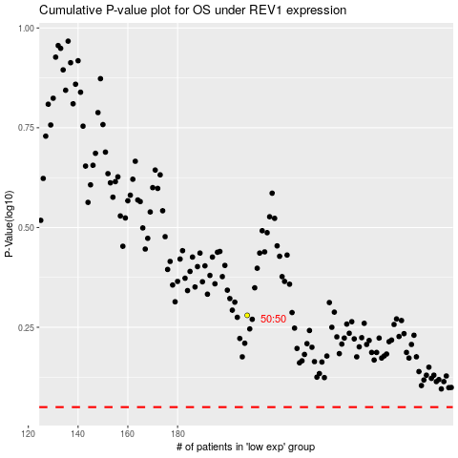

 |  |  |  |  |  | cases_OS | p_OS | rank | exp
 |  |  |  |  |  |  | cases_RFS | p_RFS | rank | exp

