RFC1 _multivariate
Reported by Tex Li-Hsing Chi. tex@gate.sinica.edu.tw 2019-08-16

Table 2. The clinicopathological features of HNSCC cohort and RFC1 expression. (Chi square test)
Cutoff at -0.16 (50.0%)
 |  | RFC1 expression |  | RFC1 expression |  | (Optimised)
 | Features | Low | (%) | High | (%) | Case no | P-value | Remark | Matthews
Gender | Female | 154 | 37.1 | 152 | 36.6 | 415 | 0.8463 | 0 | 0
2 | Male | 53 | 12.8 | 56 | 13.5
Age at diagnosis | <=65y | 139 | 33.5 | 135 | 32.5 | 415 | 0.7044 | 0 | 0
4 | >65y | 68 | 16.4 | 73 | 17.6
Clinical T Status | T1+T2 | 73 | 17.6 | 76 | 18.3 | 415 | 0.8666 | 0 | 0
6 | T3+T4 | 134 | 32.3 | 132 | 31.8
Clinical N Status | N0 | 112 | 27 | 104 | 25.1 | 415 | 0.4599 | 0 | 0
8 | N1-3 | 95 | 22.9 | 104 | 25.1
Clinical M Status | M0 | 204 | 49.2 | 208 | 50.1 | 415 | 0.1232 | 0 | 0
10 | M1 | 3 | 0.7 | 0 | 0
Clinical Stage | Stage I+II | 53 | 12.8 | 49 | 11.8 | 415 | 0.7113 | 0 | 0
12 | Stage III+IV | 154 | 37.1 | 159 | 38.3
Surgical Margin status | Negative | 157 | 37.8 | 161 | 38.8 | 415 | 0.729 | 0 | 0
14 | Positive | 50 | 12 | 47 | 11.3
Tobacco Exposure | Low | 68 | 16.4 | 93 | 22.4 | 415 | 0.0156 | 1 | 0
16 | High | 139 | 33.5 | 115 | 27.7

Table 3. Univariate/Multivariate Cox's proportional hazards regression analyses on OS time of RFC1 gene expression in HNSCC

 |  | Univariate |  |  |  | Multivariate
 | Features | HR | CI95%(L) | CI95%(H) | P-value | HR | CI95%(L) | CI95%(H) | P-value
1 | Female | 1 |  |  |  | 1
Gender | Male | 1.157 | 0.843 | 1.587 | 0.367 | 1.217 | 0.869 | 1.704 | 0.253
11 | <=65y | 1 |  |  |  | 1
Age at diagnosis | >65y | 1.329 | 0.99 | 1.784 | 0.058 | 1.385 | 1.018 | 1.884 | 0.038
12 | T1+T2 | 1 |  |  |  | 1
Clinical T Status | T3+T4 | 1.409 | 1.028 | 1.931 | 0.033 | 2.228 | 1.177 | 4.217 | 0.014
13 | N0 | 1 |  |  |  | 1
Clinical N Status | N1-3 | 1.185 | 0.89 | 1.577 | 0.246 | 1.234 | 0.865 | 1.761 | 0.246
14 | M0 | 1 |  |  |  | 1
Clinical M Status | M1 | 4.097 | 1.009 | 16.644 | 0.049 | 10.061 | 2.166 | 46.729 | 0.003
15 | Stage I+II | 1 |  |  |  | 1
Clinical Stage | Stage III+IV | 1.245 | 0.882 | 1.759 | 0.213 | 0.502 | 0.234 | 1.078 | 0.077
16 | Negative | 1 |  |  |  | 1
Surgical Margin status | Positive | 1.591 | 1.155 | 2.191 | 0.004 | 1.686 | 1.219 | 2.332 | 0.002
17 | Low | 1 |  |  |  | 1
Tobacco Exposure | High | 1.364 | 1.008 | 1.844 | 0.044 | 1.477 | 1.067 | 2.043 | 0.019
18 | Low | 1 |  |  |  | 1
RNAseq(z-score) | High | 1.008 | 0.757 | 1.342 | 0.959 | 1.106 | 0.824 | 1.484 | 0.502

Table 4. Univariate/Multivariate Cox's proportional hazards regression analyses on RFS time of RFC1 gene expression in HNSCC

 |  | Univariate |  |  |  | Multivariate
 | Features | HR | CI95%(L) | CI95%(H) | P-value | HR | CI95%(L) | CI95%(H) | P-value
1 | Female | 1 |  |  |  | 1
Gender | Male | 1.157 | 0.843 | 1.587 | 0.367 | 1.217 | 0.869 | 1.704 | 0.253
11 | <=65y | 1 |  |  |  | 1
Age at diagnosis | >65y | 1.329 | 0.99 | 1.784 | 0.058 | 1.385 | 1.018 | 1.884 | 0.038
12 | T1+T2 | 1 |  |  |  | 1
Clinical T Status | T3+T4 | 1.409 | 1.028 | 1.931 | 0.033 | 2.228 | 1.177 | 4.217 | 0.014
13 | N0 | 1 |  |  |  | 1
Clinical N Status | N1-3 | 1.185 | 0.89 | 1.577 | 0.246 | 1.234 | 0.865 | 1.761 | 0.246
14 | M0 | 1 |  |  |  | 1
Clinical M Status | M1 | 4.097 | 1.009 | 16.644 | 0.049 | 10.061 | 2.166 | 46.729 | 0.003
15 | Stage I+II | 1 |  |  |  | 1
Clinical Stage | Stage III+IV | 1.245 | 0.882 | 1.759 | 0.213 | 0.502 | 0.234 | 1.078 | 0.077
16 | Negative | 1 |  |  |  | 1
Surgical Margin status | Positive | 1.591 | 1.155 | 2.191 | 0.004 | 1.686 | 1.219 | 2.332 | 0.002
17 | Low | 1 |  |  |  | 1
Tobacco Exposure | High | 1.364 | 1.008 | 1.844 | 0.044 | 1.477 | 1.067 | 2.043 | 0.019
18 | Low | 1 |  |  |  | 1
RNAseq(z-score) | High | 1.008 | 0.757 | 1.342 | 0.959 | 1.106 | 0.824 | 1.484 | 0.502

Kaplan-Meier survival estimate: Cutoff at -0.16 (50.0%)

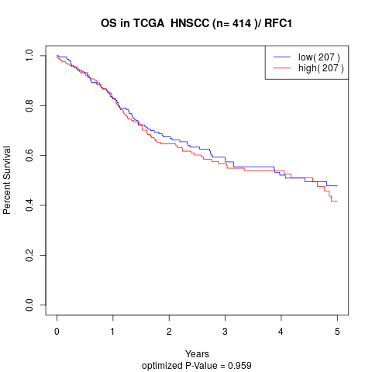

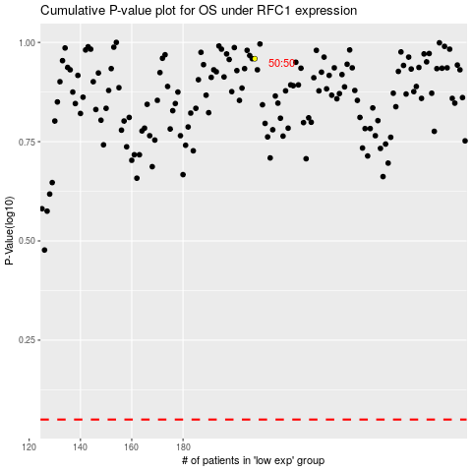

 |  |  |  |  |  | cases_OS | p_OS | rank | exp
 |  |  |  |  |  |  | cases_RFS | p_RFS | rank | exp

