RFC3 _multivariate
Reported by Tex Li-Hsing Chi. tex@gate.sinica.edu.tw 2019-08-16

Table 2. The clinicopathological features of HNSCC cohort and RFC3 expression. (Chi square test)
Cutoff at -0.382 (40.1%)
 |  | RFC3 expression |  | RFC3 expression |  | (Optimised)
 | Features | Low | (%) | High | (%) | Case no | P-value | Remark | Matthews
Gender | Female | 125 | 30.1 | 181 | 43.6 | 415 | 0.7566 | 0 | 0
2 | Male | 42 | 10.1 | 67 | 16.1
Age at diagnosis | <=65y | 115 | 27.7 | 159 | 38.3 | 415 | 0.3702 | 0 | 0
4 | >65y | 52 | 12.5 | 89 | 21.4
Clinical T Status | T1+T2 | 61 | 14.7 | 88 | 21.2 | 415 | 0.9101 | 0 | 0
6 | T3+T4 | 106 | 25.5 | 160 | 38.6
Clinical N Status | N0 | 89 | 21.4 | 127 | 30.6 | 415 | 0.7516 | 0 | 0
8 | N1-3 | 78 | 18.8 | 121 | 29.2
Clinical M Status | M0 | 166 | 40 | 246 | 59.3 | 415 | 1 | 0 | 0
10 | M1 | 1 | 0.2 | 2 | 0.5
Clinical Stage | Stage I+II | 42 | 10.1 | 60 | 14.5 | 415 | 0.9159 | 0 | 0
12 | Stage III+IV | 125 | 30.1 | 188 | 45.3
Surgical Margin status | Negative | 132 | 31.8 | 186 | 44.8 | 415 | 0.4078 | 0 | 0
14 | Positive | 35 | 8.4 | 62 | 14.9
Tobacco Exposure | Low | 71 | 17.1 | 90 | 21.7 | 415 | 0.2184 | 0 | 0
16 | High | 96 | 23.1 | 158 | 38.1

Table 3. Univariate/Multivariate Cox's proportional hazards regression analyses on OS time of RFC3 gene expression in HNSCC

 |  | Univariate |  |  |  | Multivariate
 | Features | HR | CI95%(L) | CI95%(H) | P-value | HR | CI95%(L) | CI95%(H) | P-value
1 | Female | 1 |  |  |  | 1
Gender | Male | 1.157 | 0.843 | 1.587 | 0.367 | 1.204 | 0.861 | 1.683 | 0.277
11 | <=65y | 1 |  |  |  | 1
Age at diagnosis | >65y | 1.329 | 0.99 | 1.784 | 0.058 | 1.369 | 1.006 | 1.862 | 0.045
12 | T1+T2 | 1 |  |  |  | 1
Clinical T Status | T3+T4 | 1.409 | 1.028 | 1.931 | 0.033 | 2.228 | 1.178 | 4.214 | 0.014
13 | N0 | 1 |  |  |  | 1
Clinical N Status | N1-3 | 1.185 | 0.89 | 1.577 | 0.246 | 1.256 | 0.88 | 1.793 | 0.209
14 | M0 | 1 |  |  |  | 1
Clinical M Status | M1 | 4.097 | 1.009 | 16.644 | 0.049 | 9.525 | 2.076 | 43.693 | 0.004
15 | Stage I+II | 1 |  |  |  | 1
Clinical Stage | Stage III+IV | 1.245 | 0.882 | 1.759 | 0.213 | 0.494 | 0.23 | 1.061 | 0.071
16 | Negative | 1 |  |  |  | 1
Surgical Margin status | Positive | 1.591 | 1.155 | 2.191 | 0.004 | 1.654 | 1.196 | 2.286 | 0.002
17 | Low | 1 |  |  |  | 1
Tobacco Exposure | High | 1.364 | 1.008 | 1.844 | 0.044 | 1.451 | 1.052 | 2.002 | 0.023
18 | Low | 1 |  |  |  | 1
RNAseq(z-score) | High | 1.453 | 1.076 | 1.962 | 0.015 | 1.433 | 1.058 | 1.94 | 0.02

Table 4. Univariate/Multivariate Cox's proportional hazards regression analyses on RFS time of RFC3 gene expression in HNSCC

 |  | Univariate |  |  |  | Multivariate
 | Features | HR | CI95%(L) | CI95%(H) | P-value | HR | CI95%(L) | CI95%(H) | P-value
1 | Female | 1 |  |  |  | 1
Gender | Male | 1.157 | 0.843 | 1.587 | 0.367 | 1.204 | 0.861 | 1.683 | 0.277
11 | <=65y | 1 |  |  |  | 1
Age at diagnosis | >65y | 1.329 | 0.99 | 1.784 | 0.058 | 1.369 | 1.006 | 1.862 | 0.045
12 | T1+T2 | 1 |  |  |  | 1
Clinical T Status | T3+T4 | 1.409 | 1.028 | 1.931 | 0.033 | 2.228 | 1.178 | 4.214 | 0.014
13 | N0 | 1 |  |  |  | 1
Clinical N Status | N1-3 | 1.185 | 0.89 | 1.577 | 0.246 | 1.256 | 0.88 | 1.793 | 0.209
14 | M0 | 1 |  |  |  | 1
Clinical M Status | M1 | 4.097 | 1.009 | 16.644 | 0.049 | 9.525 | 2.076 | 43.693 | 0.004
15 | Stage I+II | 1 |  |  |  | 1
Clinical Stage | Stage III+IV | 1.245 | 0.882 | 1.759 | 0.213 | 0.494 | 0.23 | 1.061 | 0.071
16 | Negative | 1 |  |  |  | 1
Surgical Margin status | Positive | 1.591 | 1.155 | 2.191 | 0.004 | 1.654 | 1.196 | 2.286 | 0.002
17 | Low | 1 |  |  |  | 1
Tobacco Exposure | High | 1.364 | 1.008 | 1.844 | 0.044 | 1.451 | 1.052 | 2.002 | 0.023
18 | Low | 1 |  |  |  | 1
RNAseq(z-score) | High | 1.453 | 1.076 | 1.962 | 0.015 | 1.433 | 1.058 | 1.94 | 0.02

Kaplan-Meier survival estimate: Cutoff at -0.382 (40.1%)

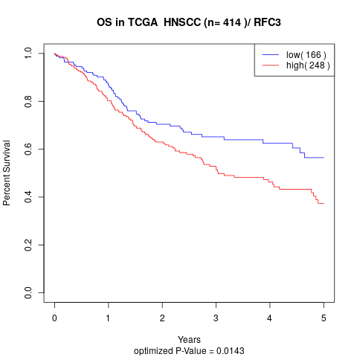

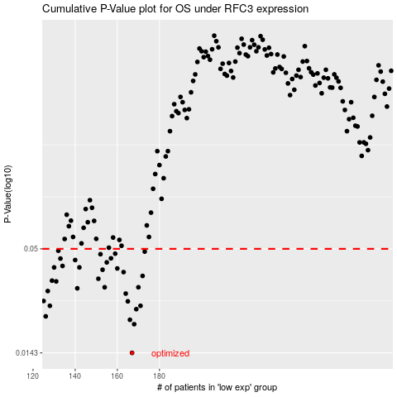

 |  |  |  |  |  | cases_OS | p_OS | rank | exp
 |  |  |  |  |  | 167 | 0.0143 | 199 | -0.38210933945
 |  |  |  |  |  | 168 | 0.0202 | 251 | -0.3705843058
 |  |  |  |  |  | 166 | 0.0213 | 272 | -0.38759723922
 |  |  |  |  |  | 126 | 0.0222 | 339 | -0.57734602478
 |  |  |  |  |  | 169 | 0.0242 | 237 | -0.36990430168
 |  |  |  |  |  | 128 | 0.0252 | 23 | -0.56668703413
 |  |  |  |  |  | 171 | 0.0252 | 398 | -0.33531735742
 |  |  |  |  |  | 165 | 0.0266 | 42 | -0.39199407286
 |  |  |  |  |  | 125 | 0.0267 | 357 | -0.57877265172
 |  |  |  |  |  | 164 | 0.0292 | 22 | -0.39218011173
 |  |  |  |  |  | 127 | 0.0301 | 136 | -0.57673806754
 |  |  |  |  |  | 141 | 0.0311 | 143 | -0.49709517501
 |  |  |  |  |  | 154 | 0.0315 | 67 | -0.42969778494
 |  |  |  |  |  | 170 | 0.0315 | 402 | -0.35887175288
 |  |  |  |  |  | 131 | 0.0338 | 250 | -0.54348053628
 |  |  |  |  |  | 129 | 0.0341 | 55 | -0.54839107406
 |  |  |  |  |  | 151 | 0.0349 | 207 | -0.4503500728
 |  |  |  |  |  | 172 | 0.0361 | 66 | -0.32355002913
 |  |  |  |  |  | 163 | 0.0378 | 50 | -0.39938973457
 |  |  |  |  |  | 153 | 0.0389 | 126 | -0.44208886158
 |  |  |  |  |  | 160 | 0.0395 | 241 | -0.40523293403
 |  |  |  |  |  | 142 | 0.04 | 12 | -0.49687656701
 |  |  |  |  |  | 130 | 0.04 | 334 | -0.54760793433
 |  |  |  |  |  | 134 | 0.0407 | 64 | -0.52734894348
 |  |  |  |  |  | 155 | 0.0425 | 118 | -0.42085575742
 |  |  |  |  |  | 140 | 0.0437 | 63 | -0.49948999361
 |  |  |  |  |  | 133 | 0.0445 | 348 | -0.53102234748
 |  |  |  |  |  | 157 | 0.0446 | 361 | -0.41360517641
 |  |  |  |  |  | 152 | 0.0469 | 300 | -0.44339754876
 |  |  |  |  |  | 159 | 0.0472 | 392 | -0.40754336895
 |  |  |  |  |  | 173 | 0.0484 | 21 | -0.31621654487
 |  |  |  |  |  | 132 | 0.0489 | 352 | -0.53525781585
 |  |  |  |  |  |  | cases_RFS | p_RFS | rank | exp
 |  |  |  |  |  |  | 166 | 0.0143 | 272 | -0.38759723922
 |  |  |  |  |  |  | 167 | 0.0202 | 199 | -0.38210933945
 |  |  |  |  |  |  | 165 | 0.0213 | 42 | -0.39199407286
 |  |  |  |  |  |  | 125 | 0.0222 | 357 | -0.57877265172
 |  |  |  |  |  |  | 168 | 0.0242 | 251 | -0.3705843058
 |  |  |  |  |  |  | 127 | 0.0252 | 136 | -0.57673806754
 |  |  |  |  |  |  | 170 | 0.0252 | 402 | -0.35887175288
 |  |  |  |  |  |  | 164 | 0.0266 | 22 | -0.39218011173
 |  |  |  |  |  |  |  | 0.0267 | 350 | -0.58397285744
 |  |  |  |  |  |  | 163 | 0.0292 | 50 | -0.39938973457
 |  |  |  |  |  |  | 126 | 0.0301 | 339 | -0.57734602478
 |  |  |  |  |  |  | 140 | 0.0311 | 63 | -0.49948999361
 |  |  |  |  |  |  | 153 | 0.0315 | 126 | -0.44208886158
 |  |  |  |  |  |  | 169 | 0.0315 | 237 | -0.36990430168
 |  |  |  |  |  |  | 130 | 0.0338 | 334 | -0.54760793433
 |  |  |  |  |  |  | 128 | 0.0341 | 23 | -0.56668703413
 |  |  |  |  |  |  | 150 | 0.0349 | 219 | -0.45302419643
 |  |  |  |  |  |  | 171 | 0.0361 | 398 | -0.33531735742
 |  |  |  |  |  |  | 162 | 0.0378 | 35 | -0.40189755821
 |  |  |  |  |  |  | 152 | 0.0389 | 300 | -0.44339754876
 |  |  |  |  |  |  | 159 | 0.0395 | 392 | -0.40754336895
 |  |  |  |  |  |  | 129 | 0.04 | 55 | -0.54839107406
 |  |  |  |  |  |  | 141 | 0.04 | 143 | -0.49709517501
 |  |  |  |  |  |  | 133 | 0.0407 | 348 | -0.53102234748
 |  |  |  |  |  |  | 154 | 0.0425 | 67 | -0.42969778494
 |  |  |  |  |  |  | 139 | 0.0437 | 195 | -0.49960842683
 |  |  |  |  |  |  | 132 | 0.0445 | 352 | -0.53525781585
 |  |  |  |  |  |  | 156 | 0.0446 | 294 | -0.41811106732
 |  |  |  |  |  |  | 151 | 0.0469 | 207 | -0.4503500728
 |  |  |  |  |  |  | 158 | 0.0472 | 30 | -0.40999987152
 |  |  |  |  |  |  | 172 | 0.0484 | 66 | -0.32355002913
 |  |  |  |  |  |  | 131 | 0.0489 | 250 | -0.54348053628

