RFC5 _multivariate
Reported by Tex Li-Hsing Chi. tex@gate.sinica.edu.tw 2019-08-16

Table 2. The clinicopathological features of HNSCC cohort and RFC5 expression. (Chi square test)
Cutoff at -0.582 (30.4%)
 |  | RFC5 expression |  | RFC5 expression |  | (Optimised)
 | Features | Low | (%) | High | (%) | Case no | P-value | Remark | Matthews
Gender | Female | 87 | 21 | 219 | 52.8 | 415 | 0.137 | 0 | 0
2 | Male | 40 | 9.6 | 69 | 16.6
Age at diagnosis | <=65y | 85 | 20.5 | 189 | 45.5 | 415 | 0.8839 | 0 | 0
4 | >65y | 42 | 10.1 | 99 | 23.9
Clinical T Status | T1+T2 | 51 | 12.3 | 98 | 23.6 | 415 | 0.2764 | 0 | 0
6 | T3+T4 | 76 | 18.3 | 190 | 45.8
Clinical N Status | N0 | 68 | 16.4 | 148 | 35.7 | 415 | 0.7655 | 0 | 0
8 | N1-3 | 59 | 14.2 | 140 | 33.7
Clinical M Status | M0 | 126 | 30.4 | 286 | 68.9 | 415 | 1 | 0 | 0
10 | M1 | 1 | 0.2 | 2 | 0.5
Clinical Stage | Stage I+II | 36 | 8.7 | 66 | 15.9 | 415 | 0.289 | 0 | 0
12 | Stage III+IV | 91 | 21.9 | 222 | 53.5
Surgical Margin status | Negative | 106 | 25.5 | 212 | 51.1 | 415 | 0.0323 | 1 | 0
14 | Positive | 21 | 5.1 | 76 | 18.3
Tobacco Exposure | Low | 63 | 15.2 | 98 | 23.6 | 415 | 0.0032 | 1 | 0
16 | High | 64 | 15.4 | 190 | 45.8

Table 3. Univariate/Multivariate Cox's proportional hazards regression analyses on OS time of RFC5 gene expression in HNSCC

 |  | Univariate |  |  |  | Multivariate
 | Features | HR | CI95%(L) | CI95%(H) | P-value | HR | CI95%(L) | CI95%(H) | P-value
1 | Female | 1 |  |  |  | 1
Gender | Male | 1.157 | 0.843 | 1.587 | 0.367 | 1.249 | 0.891 | 1.751 | 0.198
11 | <=65y | 1 |  |  |  | 1
Age at diagnosis | >65y | 1.329 | 0.99 | 1.784 | 0.058 | 1.379 | 1.014 | 1.876 | 0.04
12 | T1+T2 | 1 |  |  |  | 1
Clinical T Status | T3+T4 | 1.409 | 1.028 | 1.931 | 0.033 | 2.244 | 1.186 | 4.244 | 0.013
13 | N0 | 1 |  |  |  | 1
Clinical N Status | N1-3 | 1.185 | 0.89 | 1.577 | 0.246 | 1.275 | 0.892 | 1.823 | 0.182
14 | M0 | 1 |  |  |  | 1
Clinical M Status | M1 | 4.097 | 1.009 | 16.644 | 0.049 | 9.835 | 2.143 | 45.143 | 0.003
15 | Stage I+II | 1 |  |  |  | 1
Clinical Stage | Stage III+IV | 1.245 | 0.882 | 1.759 | 0.213 | 0.487 | 0.226 | 1.047 | 0.065
16 | Negative | 1 |  |  |  | 1
Surgical Margin status | Positive | 1.591 | 1.155 | 2.191 | 0.004 | 1.602 | 1.156 | 2.222 | 0.005
17 | Low | 1 |  |  |  | 1
Tobacco Exposure | High | 1.364 | 1.008 | 1.844 | 0.044 | 1.395 | 1.009 | 1.929 | 0.044
18 | Low | 1 |  |  |  | 1
RNAseq(z-score) | High | 1.392 | 1.006 | 1.926 | 0.046 | 1.31 | 0.933 | 1.84 | 0.119

Table 4. Univariate/Multivariate Cox's proportional hazards regression analyses on RFS time of RFC5 gene expression in HNSCC

 |  | Univariate |  |  |  | Multivariate
 | Features | HR | CI95%(L) | CI95%(H) | P-value | HR | CI95%(L) | CI95%(H) | P-value
1 | Female | 1 |  |  |  | 1
Gender | Male | 1.157 | 0.843 | 1.587 | 0.367 | 1.249 | 0.891 | 1.751 | 0.198
11 | <=65y | 1 |  |  |  | 1
Age at diagnosis | >65y | 1.329 | 0.99 | 1.784 | 0.058 | 1.379 | 1.014 | 1.876 | 0.04
12 | T1+T2 | 1 |  |  |  | 1
Clinical T Status | T3+T4 | 1.409 | 1.028 | 1.931 | 0.033 | 2.244 | 1.186 | 4.244 | 0.013
13 | N0 | 1 |  |  |  | 1
Clinical N Status | N1-3 | 1.185 | 0.89 | 1.577 | 0.246 | 1.275 | 0.892 | 1.823 | 0.182
14 | M0 | 1 |  |  |  | 1
Clinical M Status | M1 | 4.097 | 1.009 | 16.644 | 0.049 | 9.835 | 2.143 | 45.143 | 0.003
15 | Stage I+II | 1 |  |  |  | 1
Clinical Stage | Stage III+IV | 1.245 | 0.882 | 1.759 | 0.213 | 0.487 | 0.226 | 1.047 | 0.065
16 | Negative | 1 |  |  |  | 1
Surgical Margin status | Positive | 1.591 | 1.155 | 2.191 | 0.004 | 1.602 | 1.156 | 2.222 | 0.005
17 | Low | 1 |  |  |  | 1
Tobacco Exposure | High | 1.364 | 1.008 | 1.844 | 0.044 | 1.395 | 1.009 | 1.929 | 0.044
18 | Low | 1 |  |  |  | 1
RNAseq(z-score) | High | 1.392 | 1.006 | 1.926 | 0.046 | 1.31 | 0.933 | 1.84 | 0.119

Kaplan-Meier survival estimate: Cutoff at -0.582 (30.4%)



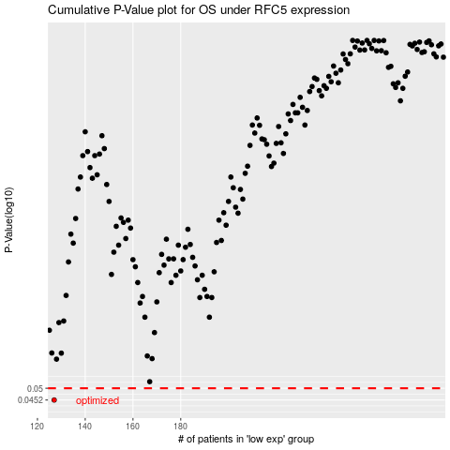

 |  |  |  |  |  | cases_OS | p_OS | rank | exp
 |  |  |  |  |  | 127 | 0.0452 | 198 | -0.58206290577
 |  |  |  |  |  |  | cases_RFS | p_RFS | rank | exp
 |  |  |  |  |  |  | 126 | 0.0452 | 183 | -0.5853320865

