RFESD _multivariate
Reported by Tex Li-Hsing Chi. tex@gate.sinica.edu.tw 2019-08-16

Table 2. The clinicopathological features of HNSCC cohort and RFESD expression. (Chi square test)
Cutoff at -0.301 (49.8%)
 |  | RFESD expression |  | RFESD expression |  | (Optimised)
 | Features | Low | (%) | High | (%) | Case no | P-value | Remark | Matthews
Gender | Female | 158 | 38.1 | 148 | 35.7 | 415 | 0.2774 | 0 | 0
2 | Male | 49 | 11.8 | 60 | 14.5
Age at diagnosis | <=65y | 140 | 33.7 | 134 | 32.3 | 415 | 0.5574 | 0 | 0
4 | >65y | 67 | 16.1 | 74 | 17.8
Clinical T Status | T1+T2 | 58 | 14 | 91 | 21.9 | 415 | 0.0012 | 1 | 0
6 | T3+T4 | 149 | 35.9 | 117 | 28.2
Clinical N Status | N0 | 98 | 23.6 | 118 | 28.4 | 415 | 0.0694 | 0 | 0
8 | N1-3 | 109 | 26.3 | 90 | 21.7
Clinical M Status | M0 | 207 | 49.9 | 205 | 49.4 | 415 | 0.2482 | 0 | 0
10 | M1 | 0 | 0 | 3 | 0.7
Clinical Stage | Stage I+II | 40 | 9.6 | 62 | 14.9 | 415 | 0.018 | 1 | 0
12 | Stage III+IV | 167 | 40.2 | 146 | 35.2
Surgical Margin status | Negative | 163 | 39.3 | 155 | 37.3 | 415 | 0.3537 | 0 | 0
14 | Positive | 44 | 10.6 | 53 | 12.8
Tobacco Exposure | Low | 77 | 18.6 | 84 | 20.2 | 415 | 0.5459 | 0 | 0
16 | High | 130 | 31.3 | 124 | 29.9

Table 3. Univariate/Multivariate Cox's proportional hazards regression analyses on OS time of RFESD gene expression in HNSCC

 |  | Univariate |  |  |  | Multivariate
 | Features | HR | CI95%(L) | CI95%(H) | P-value | HR | CI95%(L) | CI95%(H) | P-value
1 | Female | 1 |  |  |  | 1
Gender | Male | 1.157 | 0.843 | 1.587 | 0.367 | 1.234 | 0.882 | 1.727 | 0.219
11 | <=65y | 1 |  |  |  | 1
Age at diagnosis | >65y | 1.329 | 0.99 | 1.784 | 0.058 | 1.411 | 1.037 | 1.92 | 0.028
12 | T1+T2 | 1 |  |  |  | 1
Clinical T Status | T3+T4 | 1.409 | 1.028 | 1.931 | 0.033 | 2.134 | 1.127 | 4.042 | 0.02
13 | N0 | 1 |  |  |  | 1
Clinical N Status | N1-3 | 1.185 | 0.89 | 1.577 | 0.246 | 1.226 | 0.859 | 1.75 | 0.261
14 | M0 | 1 |  |  |  | 1
Clinical M Status | M1 | 4.097 | 1.009 | 16.644 | 0.049 | 10.424 | 2.256 | 48.174 | 0.003
15 | Stage I+II | 1 |  |  |  | 1
Clinical Stage | Stage III+IV | 1.245 | 0.882 | 1.759 | 0.213 | 0.509 | 0.237 | 1.092 | 0.083
16 | Negative | 1 |  |  |  | 1
Surgical Margin status | Positive | 1.591 | 1.155 | 2.191 | 0.004 | 1.708 | 1.234 | 2.365 | 0.001
17 | Low | 1 |  |  |  | 1
Tobacco Exposure | High | 1.364 | 1.008 | 1.844 | 0.044 | 1.468 | 1.066 | 2.022 | 0.019
18 | Low | 1 |  |  |  | 1
RNAseq(z-score) | High | 0.859 | 0.643 | 1.148 | 0.305 | 0.815 | 0.604 | 1.099 | 0.18

Table 4. Univariate/Multivariate Cox's proportional hazards regression analyses on RFS time of RFESD gene expression in HNSCC

 |  | Univariate |  |  |  | Multivariate
 | Features | HR | CI95%(L) | CI95%(H) | P-value | HR | CI95%(L) | CI95%(H) | P-value
1 | Female | 1 |  |  |  | 1
Gender | Male | 1.157 | 0.843 | 1.587 | 0.367 | 1.234 | 0.882 | 1.727 | 0.219
11 | <=65y | 1 |  |  |  | 1
Age at diagnosis | >65y | 1.329 | 0.99 | 1.784 | 0.058 | 1.411 | 1.037 | 1.92 | 0.028
12 | T1+T2 | 1 |  |  |  | 1
Clinical T Status | T3+T4 | 1.409 | 1.028 | 1.931 | 0.033 | 2.134 | 1.127 | 4.042 | 0.02
13 | N0 | 1 |  |  |  | 1
Clinical N Status | N1-3 | 1.185 | 0.89 | 1.577 | 0.246 | 1.226 | 0.859 | 1.75 | 0.261
14 | M0 | 1 |  |  |  | 1
Clinical M Status | M1 | 4.097 | 1.009 | 16.644 | 0.049 | 10.424 | 2.256 | 48.174 | 0.003
15 | Stage I+II | 1 |  |  |  | 1
Clinical Stage | Stage III+IV | 1.245 | 0.882 | 1.759 | 0.213 | 0.509 | 0.237 | 1.092 | 0.083
16 | Negative | 1 |  |  |  | 1
Surgical Margin status | Positive | 1.591 | 1.155 | 2.191 | 0.004 | 1.708 | 1.234 | 2.365 | 0.001
17 | Low | 1 |  |  |  | 1
Tobacco Exposure | High | 1.364 | 1.008 | 1.844 | 0.044 | 1.468 | 1.066 | 2.022 | 0.019
18 | Low | 1 |  |  |  | 1
RNAseq(z-score) | High | 0.859 | 0.643 | 1.148 | 0.305 | 0.815 | 0.604 | 1.099 | 0.18

Kaplan-Meier survival estimate: Cutoff at -0.301 (49.8%)



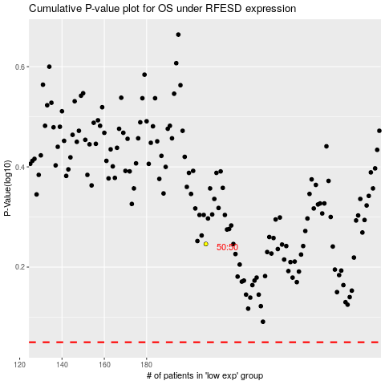

 |  |  |  |  |  | cases_OS | p_OS | rank | exp
 |  |  |  |  |  |  | cases_RFS | p_RFS | rank | exp

