RFPL3S _multivariate
Reported by Tex Li-Hsing Chi. tex@gate.sinica.edu.tw 2019-08-16

Table 2. The clinicopathological features of HNSCC cohort and RFPL3S expression. (Chi square test)
Cutoff at -0.296 (50.0%)
 |  | RFPL3S expression |  | RFPL3S expression |  | (Optimised)
 | Features | Low | (%) | High | (%) | Case no | P-value | Remark | Matthews
Gender | Female | 149 | 35.9 | 157 | 37.8 | 415 | 0.4848 | 0 | 0
2 | Male | 58 | 14 | 51 | 12.3
Age at diagnosis | <=65y | 139 | 33.5 | 135 | 32.5 | 415 | 0.7044 | 0 | 0
4 | >65y | 68 | 16.4 | 73 | 17.6
Clinical T Status | T1+T2 | 73 | 17.6 | 76 | 18.3 | 415 | 0.8666 | 0 | 0
6 | T3+T4 | 134 | 32.3 | 132 | 31.8
Clinical N Status | N0 | 114 | 27.5 | 102 | 24.6 | 415 | 0.2576 | 1 | 0
8 | N1-3 | 93 | 22.4 | 106 | 25.5
Clinical M Status | M0 | 206 | 49.6 | 206 | 49.6 | 415 | 1 | 0 | 0
10 | M1 | 1 | 0.2 | 2 | 0.5
Clinical Stage | Stage I+II | 53 | 12.8 | 49 | 11.8 | 415 | 0.7113 | 0 | 0
12 | Stage III+IV | 154 | 37.1 | 159 | 38.3
Surgical Margin status | Negative | 163 | 39.3 | 155 | 37.3 | 415 | 0.3537 | 0 | 0
14 | Positive | 44 | 10.6 | 53 | 12.8
Tobacco Exposure | Low | 86 | 20.7 | 75 | 18.1 | 415 | 0.2687 | 0 | 0
16 | High | 121 | 29.2 | 133 | 32

Table 3. Univariate/Multivariate Cox's proportional hazards regression analyses on OS time of RFPL3S gene expression in HNSCC

 |  | Univariate |  |  |  | Multivariate
 | Features | HR | CI95%(L) | CI95%(H) | P-value | HR | CI95%(L) | CI95%(H) | P-value
1 | Female | 1 |  |  |  | 1
Gender | Male | 1.157 | 0.843 | 1.587 | 0.367 | 1.201 | 0.861 | 1.676 | 0.28
11 | <=65y | 1 |  |  |  | 1
Age at diagnosis | >65y | 1.329 | 0.99 | 1.784 | 0.058 | 1.414 | 1.039 | 1.923 | 0.027
12 | T1+T2 | 1 |  |  |  | 1
Clinical T Status | T3+T4 | 1.409 | 1.028 | 1.931 | 0.033 | 2.205 | 1.167 | 4.169 | 0.015
13 | N0 | 1 |  |  |  | 1
Clinical N Status | N1-3 | 1.185 | 0.89 | 1.577 | 0.246 | 1.26 | 0.882 | 1.798 | 0.204
14 | M0 | 1 |  |  |  | 1
Clinical M Status | M1 | 4.097 | 1.009 | 16.644 | 0.049 | 9.634 | 2.101 | 44.189 | 0.004
15 | Stage I+II | 1 |  |  |  | 1
Clinical Stage | Stage III+IV | 1.245 | 0.882 | 1.759 | 0.213 | 0.508 | 0.237 | 1.091 | 0.083
16 | Negative | 1 |  |  |  | 1
Surgical Margin status | Positive | 1.591 | 1.155 | 2.191 | 0.004 | 1.711 | 1.236 | 2.368 | 0.001
17 | Low | 1 |  |  |  | 1
Tobacco Exposure | High | 1.364 | 1.008 | 1.844 | 0.044 | 1.492 | 1.081 | 2.06 | 0.015
18 | Low | 1 |  |  |  | 1
RNAseq(z-score) | High | 0.889 | 0.667 | 1.185 | 0.423 | 0.797 | 0.595 | 1.068 | 0.128

Table 4. Univariate/Multivariate Cox's proportional hazards regression analyses on RFS time of RFPL3S gene expression in HNSCC

 |  | Univariate |  |  |  | Multivariate
 | Features | HR | CI95%(L) | CI95%(H) | P-value | HR | CI95%(L) | CI95%(H) | P-value
1 | Female | 1 |  |  |  | 1
Gender | Male | 1.157 | 0.843 | 1.587 | 0.367 | 1.201 | 0.861 | 1.676 | 0.28
11 | <=65y | 1 |  |  |  | 1
Age at diagnosis | >65y | 1.329 | 0.99 | 1.784 | 0.058 | 1.414 | 1.039 | 1.923 | 0.027
12 | T1+T2 | 1 |  |  |  | 1
Clinical T Status | T3+T4 | 1.409 | 1.028 | 1.931 | 0.033 | 2.205 | 1.167 | 4.169 | 0.015
13 | N0 | 1 |  |  |  | 1
Clinical N Status | N1-3 | 1.185 | 0.89 | 1.577 | 0.246 | 1.26 | 0.882 | 1.798 | 0.204
14 | M0 | 1 |  |  |  | 1
Clinical M Status | M1 | 4.097 | 1.009 | 16.644 | 0.049 | 9.634 | 2.101 | 44.189 | 0.004
15 | Stage I+II | 1 |  |  |  | 1
Clinical Stage | Stage III+IV | 1.245 | 0.882 | 1.759 | 0.213 | 0.508 | 0.237 | 1.091 | 0.083
16 | Negative | 1 |  |  |  | 1
Surgical Margin status | Positive | 1.591 | 1.155 | 2.191 | 0.004 | 1.711 | 1.236 | 2.368 | 0.001
17 | Low | 1 |  |  |  | 1
Tobacco Exposure | High | 1.364 | 1.008 | 1.844 | 0.044 | 1.492 | 1.081 | 2.06 | 0.015
18 | Low | 1 |  |  |  | 1
RNAseq(z-score) | High | 0.889 | 0.667 | 1.185 | 0.423 | 0.797 | 0.595 | 1.068 | 0.128

Kaplan-Meier survival estimate: Cutoff at -0.296 (50.0%)



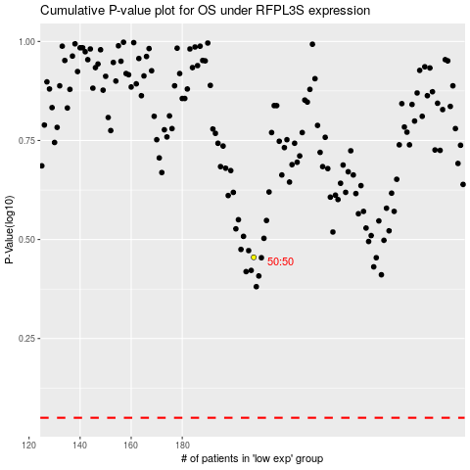

 |  |  |  |  |  | cases_OS | p_OS | rank | exp
 |  |  |  |  |  |  | cases_RFS | p_RFS | rank | exp

