RFTN2 _multivariate
Reported by Tex Li-Hsing Chi. tex@gate.sinica.edu.tw 2019-08-16

Table 2. The clinicopathological features of HNSCC cohort and RFTN2 expression. (Chi square test)
Cutoff at 0.013 (65.7%)
 |  | RFTN2 expression |  | RFTN2 expression |  | (Optimised)
 | Features | Low | (%) | High | (%) | Case no | P-value | Remark | Matthews
Gender | Female | 198 | 47.7 | 108 | 26 | 415 | 0.5109 | 0 | 0
2 | Male | 75 | 18.1 | 34 | 8.2
Age at diagnosis | <=65y | 181 | 43.6 | 93 | 22.4 | 415 | 0.9557 | 0 | 0
4 | >65y | 92 | 22.2 | 49 | 11.8
Clinical T Status | T1+T2 | 104 | 25.1 | 45 | 10.8 | 415 | 0.237 | 0 | 0
6 | T3+T4 | 169 | 40.7 | 97 | 23.4
Clinical N Status | N0 | 138 | 33.3 | 78 | 18.8 | 415 | 0.457 | 0 | 0
8 | N1-3 | 135 | 32.5 | 64 | 15.4
Clinical M Status | M0 | 270 | 65.1 | 142 | 34.2 | 415 | 0.5542 | 0 | 0
10 | M1 | 3 | 0.7 | 0 | 0
Clinical Stage | Stage I+II | 67 | 16.1 | 35 | 8.4 | 415 | 1 | 0 | 0
12 | Stage III+IV | 206 | 49.6 | 107 | 25.8
Surgical Margin status | Negative | 206 | 49.6 | 112 | 27 | 415 | 0.4653 | 0 | 0
14 | Positive | 67 | 16.1 | 30 | 7.2
Tobacco Exposure | Low | 112 | 27 | 49 | 11.8 | 415 | 0.2044 | 0 | 0
16 | High | 161 | 38.8 | 93 | 22.4

Table 3. Univariate/Multivariate Cox's proportional hazards regression analyses on OS time of RFTN2 gene expression in HNSCC

 |  | Univariate |  |  |  | Multivariate
 | Features | HR | CI95%(L) | CI95%(H) | P-value | HR | CI95%(L) | CI95%(H) | P-value
1 | Female | 1 |  |  |  | 1
Gender | Male | 1.157 | 0.843 | 1.587 | 0.367 | 1.183 | 0.846 | 1.654 | 0.325
11 | <=65y | 1 |  |  |  | 1
Age at diagnosis | >65y | 1.329 | 0.99 | 1.784 | 0.058 | 1.389 | 1.022 | 1.889 | 0.036
12 | T1+T2 | 1 |  |  |  | 1
Clinical T Status | T3+T4 | 1.409 | 1.028 | 1.931 | 0.033 | 2.297 | 1.213 | 4.35 | 0.011
13 | N0 | 1 |  |  |  | 1
Clinical N Status | N1-3 | 1.185 | 0.89 | 1.577 | 0.246 | 1.241 | 0.87 | 1.77 | 0.234
14 | M0 | 1 |  |  |  | 1
Clinical M Status | M1 | 4.097 | 1.009 | 16.644 | 0.049 | 8.755 | 1.907 | 40.188 | 0.005
15 | Stage I+II | 1 |  |  |  | 1
Clinical Stage | Stage III+IV | 1.245 | 0.882 | 1.759 | 0.213 | 0.485 | 0.226 | 1.041 | 0.063
16 | Negative | 1 |  |  |  | 1
Surgical Margin status | Positive | 1.591 | 1.155 | 2.191 | 0.004 | 1.662 | 1.203 | 2.297 | 0.002
17 | Low | 1 |  |  |  | 1
Tobacco Exposure | High | 1.364 | 1.008 | 1.844 | 0.044 | 1.445 | 1.049 | 1.991 | 0.024
18 | Low | 1 |  |  |  | 1
RNAseq(z-score) | High | 0.716 | 0.521 | 0.984 | 0.039 | 0.723 | 0.524 | 0.995 | 0.047

Table 4. Univariate/Multivariate Cox's proportional hazards regression analyses on RFS time of RFTN2 gene expression in HNSCC

 |  | Univariate |  |  |  | Multivariate
 | Features | HR | CI95%(L) | CI95%(H) | P-value | HR | CI95%(L) | CI95%(H) | P-value
1 | Female | 1 |  |  |  | 1
Gender | Male | 1.157 | 0.843 | 1.587 | 0.367 | 1.183 | 0.846 | 1.654 | 0.325
11 | <=65y | 1 |  |  |  | 1
Age at diagnosis | >65y | 1.329 | 0.99 | 1.784 | 0.058 | 1.389 | 1.022 | 1.889 | 0.036
12 | T1+T2 | 1 |  |  |  | 1
Clinical T Status | T3+T4 | 1.409 | 1.028 | 1.931 | 0.033 | 2.297 | 1.213 | 4.35 | 0.011
13 | N0 | 1 |  |  |  | 1
Clinical N Status | N1-3 | 1.185 | 0.89 | 1.577 | 0.246 | 1.241 | 0.87 | 1.77 | 0.234
14 | M0 | 1 |  |  |  | 1
Clinical M Status | M1 | 4.097 | 1.009 | 16.644 | 0.049 | 8.755 | 1.907 | 40.188 | 0.005
15 | Stage I+II | 1 |  |  |  | 1
Clinical Stage | Stage III+IV | 1.245 | 0.882 | 1.759 | 0.213 | 0.485 | 0.226 | 1.041 | 0.063
16 | Negative | 1 |  |  |  | 1
Surgical Margin status | Positive | 1.591 | 1.155 | 2.191 | 0.004 | 1.662 | 1.203 | 2.297 | 0.002
17 | Low | 1 |  |  |  | 1
Tobacco Exposure | High | 1.364 | 1.008 | 1.844 | 0.044 | 1.445 | 1.049 | 1.991 | 0.024
18 | Low | 1 |  |  |  | 1
RNAseq(z-score) | High | 0.716 | 0.521 | 0.984 | 0.039 | 0.723 | 0.524 | 0.995 | 0.047

Kaplan-Meier survival estimate: Cutoff at 0.013 (65.7%)



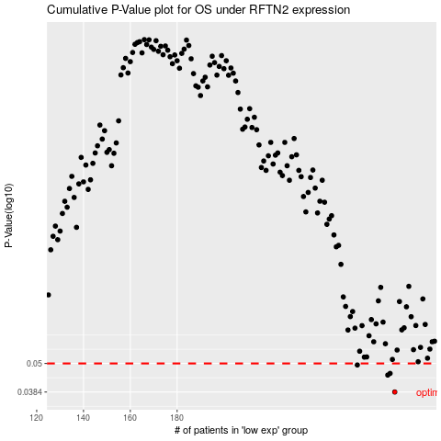

 |  |  |  |  |  | cases_OS | p_OS | rank | exp
 |  |  |  |  |  | 273 | 0.0384 | 232 | 0.013039240864
 |  |  |  |  |  | 270 | 0.0449 | 345 | -0.015138332287
 |  |  |  |  |  | 271 | 0.0456 | 9 | -0.01374205165
 |  |  |  |  |  | 257 | 0.0493 | 16 | -0.099389695942
 |  |  |  |  |  |  | cases_RFS | p_RFS | rank | exp
 |  |  |  |  |  |  | 272 | 0.0384 | 133 | -0.0048856430398
 |  |  |  |  |  |  | 269 | 0.0449 | 67 | -0.016389735685
 |  |  |  |  |  |  | 270 | 0.0456 | 345 | -0.015138332287
 |  |  |  |  |  |  | 256 | 0.0493 | 250 | -0.10661256119

