RFWD3 _multivariate
Reported by Tex Li-Hsing Chi. tex@gate.sinica.edu.tw 2019-08-16

Table 2. The clinicopathological features of HNSCC cohort and RFWD3 expression. (Chi square test)
Cutoff at -0.087 (49.8%)
 |  | RFWD3 expression |  | RFWD3 expression |  | (Optimised)
 | Features | Low | (%) | High | (%) | Case no | P-value | Remark | Matthews
Gender | Female | 149 | 35.9 | 157 | 37.8 | 415 | 0.4848 | 0 | 0
2 | Male | 58 | 14 | 51 | 12.3
Age at diagnosis | <=65y | 136 | 32.8 | 138 | 33.3 | 415 | 0.9719 | 0 | 0
4 | >65y | 71 | 17.1 | 70 | 16.9
Clinical T Status | T1+T2 | 75 | 18.1 | 74 | 17.8 | 415 | 0.9707 | 0 | 0
6 | T3+T4 | 132 | 31.8 | 134 | 32.3
Clinical N Status | N0 | 105 | 25.3 | 111 | 26.7 | 415 | 0.6598 | 0 | 0
8 | N1-3 | 102 | 24.6 | 97 | 23.4
Clinical M Status | M0 | 206 | 49.6 | 206 | 49.6 | 415 | 1 | 0 | 0
10 | M1 | 1 | 0.2 | 2 | 0.5
Clinical Stage | Stage I+II | 51 | 12.3 | 51 | 12.3 | 415 | 1 | 0 | 0
12 | Stage III+IV | 156 | 37.6 | 157 | 37.8
Surgical Margin status | Negative | 153 | 36.9 | 165 | 39.8 | 415 | 0.2036 | 0 | 0
14 | Positive | 54 | 13 | 43 | 10.4
Tobacco Exposure | Low | 82 | 19.8 | 79 | 19 | 415 | 0.763 | 0 | 0
16 | High | 125 | 30.1 | 129 | 31.1

Table 3. Univariate/Multivariate Cox's proportional hazards regression analyses on OS time of RFWD3 gene expression in HNSCC

 |  | Univariate |  |  |  | Multivariate
 | Features | HR | CI95%(L) | CI95%(H) | P-value | HR | CI95%(L) | CI95%(H) | P-value
1 | Female | 1 |  |  |  | 1
Gender | Male | 1.157 | 0.843 | 1.587 | 0.367 | 1.224 | 0.875 | 1.713 | 0.237
11 | <=65y | 1 |  |  |  | 1
Age at diagnosis | >65y | 1.329 | 0.99 | 1.784 | 0.058 | 1.392 | 1.024 | 1.892 | 0.035
12 | T1+T2 | 1 |  |  |  | 1
Clinical T Status | T3+T4 | 1.409 | 1.028 | 1.931 | 0.033 | 2.184 | 1.155 | 4.13 | 0.016
13 | N0 | 1 |  |  |  | 1
Clinical N Status | N1-3 | 1.185 | 0.89 | 1.577 | 0.246 | 1.259 | 0.881 | 1.798 | 0.206
14 | M0 | 1 |  |  |  | 1
Clinical M Status | M1 | 4.097 | 1.009 | 16.644 | 0.049 | 9.201 | 2.007 | 42.185 | 0.004
15 | Stage I+II | 1 |  |  |  | 1
Clinical Stage | Stage III+IV | 1.245 | 0.882 | 1.759 | 0.213 | 0.502 | 0.234 | 1.077 | 0.077
16 | Negative | 1 |  |  |  | 1
Surgical Margin status | Positive | 1.591 | 1.155 | 2.191 | 0.004 | 1.69 | 1.223 | 2.337 | 0.001
17 | Low | 1 |  |  |  | 1
Tobacco Exposure | High | 1.364 | 1.008 | 1.844 | 0.044 | 1.467 | 1.064 | 2.023 | 0.019
18 | Low | 1 |  |  |  | 1
RNAseq(z-score) | High | 1.164 | 0.874 | 1.551 | 0.3 | 1.21 | 0.905 | 1.616 | 0.198

Table 4. Univariate/Multivariate Cox's proportional hazards regression analyses on RFS time of RFWD3 gene expression in HNSCC

 |  | Univariate |  |  |  | Multivariate
 | Features | HR | CI95%(L) | CI95%(H) | P-value | HR | CI95%(L) | CI95%(H) | P-value
1 | Female | 1 |  |  |  | 1
Gender | Male | 1.157 | 0.843 | 1.587 | 0.367 | 1.224 | 0.875 | 1.713 | 0.237
11 | <=65y | 1 |  |  |  | 1
Age at diagnosis | >65y | 1.329 | 0.99 | 1.784 | 0.058 | 1.392 | 1.024 | 1.892 | 0.035
12 | T1+T2 | 1 |  |  |  | 1
Clinical T Status | T3+T4 | 1.409 | 1.028 | 1.931 | 0.033 | 2.184 | 1.155 | 4.13 | 0.016
13 | N0 | 1 |  |  |  | 1
Clinical N Status | N1-3 | 1.185 | 0.89 | 1.577 | 0.246 | 1.259 | 0.881 | 1.798 | 0.206
14 | M0 | 1 |  |  |  | 1
Clinical M Status | M1 | 4.097 | 1.009 | 16.644 | 0.049 | 9.201 | 2.007 | 42.185 | 0.004
15 | Stage I+II | 1 |  |  |  | 1
Clinical Stage | Stage III+IV | 1.245 | 0.882 | 1.759 | 0.213 | 0.502 | 0.234 | 1.077 | 0.077
16 | Negative | 1 |  |  |  | 1
Surgical Margin status | Positive | 1.591 | 1.155 | 2.191 | 0.004 | 1.69 | 1.223 | 2.337 | 0.001
17 | Low | 1 |  |  |  | 1
Tobacco Exposure | High | 1.364 | 1.008 | 1.844 | 0.044 | 1.467 | 1.064 | 2.023 | 0.019
18 | Low | 1 |  |  |  | 1
RNAseq(z-score) | High | 1.164 | 0.874 | 1.551 | 0.3 | 1.21 | 0.905 | 1.616 | 0.198

Kaplan-Meier survival estimate: Cutoff at -0.087 (49.8%)



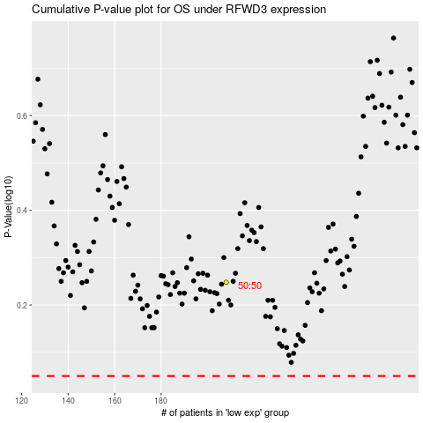

 |  |  |  |  |  | cases_OS | p_OS | rank | exp
 |  |  |  |  |  |  | cases_RFS | p_RFS | rank | exp

