RFX3 _multivariate
Reported by Tex Li-Hsing Chi. tex@gate.sinica.edu.tw 2019-08-16

Table 2. The clinicopathological features of HNSCC cohort and RFX3 expression. (Chi square test)
Cutoff at -0.194 (49.8%)
 |  | RFX3 expression |  | RFX3 expression |  | (Optimised)
 | Features | Low | (%) | High | (%) | Case no | P-value | Remark | Matthews
Gender | Female | 152 | 36.6 | 154 | 37.1 | 415 | 0.9766 | 0 | 0
2 | Male | 55 | 13.3 | 54 | 13
Age at diagnosis | <=65y | 149 | 35.9 | 125 | 30.1 | 415 | 0.0142 | 1 | 0
4 | >65y | 58 | 14 | 83 | 20
Clinical T Status | T1+T2 | 72 | 17.3 | 77 | 18.6 | 415 | 0.7095 | 0 | 0
6 | T3+T4 | 135 | 32.5 | 131 | 31.6
Clinical N Status | N0 | 110 | 26.5 | 106 | 25.5 | 415 | 0.7294 | 0 | 0
8 | N1-3 | 97 | 23.4 | 102 | 24.6
Clinical M Status | M0 | 205 | 49.4 | 207 | 49.9 | 415 | 0.6232 | 0 | 0
10 | M1 | 2 | 0.5 | 1 | 0.2
Clinical Stage | Stage I+II | 52 | 12.5 | 50 | 12 | 415 | 0.8871 | 0 | 0
12 | Stage III+IV | 155 | 37.3 | 158 | 38.1
Surgical Margin status | Negative | 161 | 38.8 | 157 | 37.8 | 415 | 0.6429 | 0 | 0
14 | Positive | 46 | 11.1 | 51 | 12.3
Tobacco Exposure | Low | 76 | 18.3 | 85 | 20.5 | 415 | 0.4207 | 0 | 0
16 | High | 131 | 31.6 | 123 | 29.6

Table 3. Univariate/Multivariate Cox's proportional hazards regression analyses on OS time of RFX3 gene expression in HNSCC

 |  | Univariate |  |  |  | Multivariate
 | Features | HR | CI95%(L) | CI95%(H) | P-value | HR | CI95%(L) | CI95%(H) | P-value
1 | Female | 1 |  |  |  | 1
Gender | Male | 1.157 | 0.843 | 1.587 | 0.367 | 1.213 | 0.868 | 1.695 | 0.259
11 | <=65y | 1 |  |  |  | 1
Age at diagnosis | >65y | 1.329 | 0.99 | 1.784 | 0.058 | 1.366 | 1.003 | 1.861 | 0.048
12 | T1+T2 | 1 |  |  |  | 1
Clinical T Status | T3+T4 | 1.409 | 1.028 | 1.931 | 0.033 | 2.27 | 1.199 | 4.298 | 0.012
13 | N0 | 1 |  |  |  | 1
Clinical N Status | N1-3 | 1.185 | 0.89 | 1.577 | 0.246 | 1.243 | 0.871 | 1.776 | 0.231
14 | M0 | 1 |  |  |  | 1
Clinical M Status | M1 | 4.097 | 1.009 | 16.644 | 0.049 | 10.411 | 2.258 | 48.004 | 0.003
15 | Stage I+II | 1 |  |  |  | 1
Clinical Stage | Stage III+IV | 1.245 | 0.882 | 1.759 | 0.213 | 0.487 | 0.227 | 1.048 | 0.066
16 | Negative | 1 |  |  |  | 1
Surgical Margin status | Positive | 1.591 | 1.155 | 2.191 | 0.004 | 1.685 | 1.219 | 2.329 | 0.002
17 | Low | 1 |  |  |  | 1
Tobacco Exposure | High | 1.364 | 1.008 | 1.844 | 0.044 | 1.494 | 1.082 | 2.063 | 0.015
18 | Low | 1 |  |  |  | 1
RNAseq(z-score) | High | 1.202 | 0.901 | 1.603 | 0.21 | 1.263 | 0.942 | 1.694 | 0.118

Table 4. Univariate/Multivariate Cox's proportional hazards regression analyses on RFS time of RFX3 gene expression in HNSCC

 |  | Univariate |  |  |  | Multivariate
 | Features | HR | CI95%(L) | CI95%(H) | P-value | HR | CI95%(L) | CI95%(H) | P-value
1 | Female | 1 |  |  |  | 1
Gender | Male | 1.157 | 0.843 | 1.587 | 0.367 | 1.213 | 0.868 | 1.695 | 0.259
11 | <=65y | 1 |  |  |  | 1
Age at diagnosis | >65y | 1.329 | 0.99 | 1.784 | 0.058 | 1.366 | 1.003 | 1.861 | 0.048
12 | T1+T2 | 1 |  |  |  | 1
Clinical T Status | T3+T4 | 1.409 | 1.028 | 1.931 | 0.033 | 2.27 | 1.199 | 4.298 | 0.012
13 | N0 | 1 |  |  |  | 1
Clinical N Status | N1-3 | 1.185 | 0.89 | 1.577 | 0.246 | 1.243 | 0.871 | 1.776 | 0.231
14 | M0 | 1 |  |  |  | 1
Clinical M Status | M1 | 4.097 | 1.009 | 16.644 | 0.049 | 10.411 | 2.258 | 48.004 | 0.003
15 | Stage I+II | 1 |  |  |  | 1
Clinical Stage | Stage III+IV | 1.245 | 0.882 | 1.759 | 0.213 | 0.487 | 0.227 | 1.048 | 0.066
16 | Negative | 1 |  |  |  | 1
Surgical Margin status | Positive | 1.591 | 1.155 | 2.191 | 0.004 | 1.685 | 1.219 | 2.329 | 0.002
17 | Low | 1 |  |  |  | 1
Tobacco Exposure | High | 1.364 | 1.008 | 1.844 | 0.044 | 1.494 | 1.082 | 2.063 | 0.015
18 | Low | 1 |  |  |  | 1
RNAseq(z-score) | High | 1.202 | 0.901 | 1.603 | 0.21 | 1.263 | 0.942 | 1.694 | 0.118

Kaplan-Meier survival estimate: Cutoff at -0.194 (49.8%)



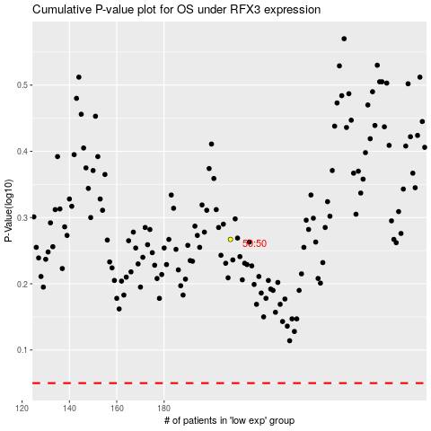

 |  |  |  |  |  | cases_OS | p_OS | rank | exp
 |  |  |  |  |  |  | cases_RFS | p_RFS | rank | exp

