RFX5 _multivariate
Reported by Tex Li-Hsing Chi. tex@gate.sinica.edu.tw 2019-08-16

Table 2. The clinicopathological features of HNSCC cohort and RFX5 expression. (Chi square test)
Cutoff at -0.228 (49.8%)
 |  | RFX5 expression |  | RFX5 expression |  | (Optimised)
 | Features | Low | (%) | High | (%) | Case no | P-value | Remark | Matthews
Gender | Female | 151 | 36.4 | 155 | 37.3 | 415 | 0.8007 | 0 | 0
2 | Male | 56 | 13.5 | 53 | 12.8
Age at diagnosis | <=65y | 134 | 32.3 | 140 | 33.7 | 415 | 0.6529 | 0 | 0
4 | >65y | 73 | 17.6 | 68 | 16.4
Clinical T Status | T1+T2 | 70 | 16.9 | 79 | 19 | 415 | 0.4343 | 0 | 0
6 | T3+T4 | 137 | 33 | 129 | 31.1
Clinical N Status | N0 | 112 | 27 | 104 | 25.1 | 415 | 0.4599 | 0 | 0
8 | N1-3 | 95 | 22.9 | 104 | 25.1
Clinical M Status | M0 | 205 | 49.4 | 207 | 49.9 | 415 | 0.6232 | 0 | 0
10 | M1 | 2 | 0.5 | 1 | 0.2
Clinical Stage | Stage I+II | 49 | 11.8 | 53 | 12.8 | 415 | 0.7535 | 0 | 0
12 | Stage III+IV | 158 | 38.1 | 155 | 37.3
Surgical Margin status | Negative | 163 | 39.3 | 155 | 37.3 | 415 | 0.3537 | 0 | 0
14 | Positive | 44 | 10.6 | 53 | 12.8
Tobacco Exposure | Low | 77 | 18.6 | 84 | 20.2 | 415 | 0.5459 | 0 | 0
16 | High | 130 | 31.3 | 124 | 29.9

Table 3. Univariate/Multivariate Cox's proportional hazards regression analyses on OS time of RFX5 gene expression in HNSCC

 |  | Univariate |  |  |  | Multivariate
 | Features | HR | CI95%(L) | CI95%(H) | P-value | HR | CI95%(L) | CI95%(H) | P-value
1 | Female | 1 |  |  |  | 1
Gender | Male | 1.157 | 0.843 | 1.587 | 0.367 | 1.196 | 0.856 | 1.672 | 0.294
11 | <=65y | 1 |  |  |  | 1
Age at diagnosis | >65y | 1.329 | 0.99 | 1.784 | 0.058 | 1.378 | 1.013 | 1.876 | 0.041
12 | T1+T2 | 1 |  |  |  | 1
Clinical T Status | T3+T4 | 1.409 | 1.028 | 1.931 | 0.033 | 2.183 | 1.154 | 4.13 | 0.016
13 | N0 | 1 |  |  |  | 1
Clinical N Status | N1-3 | 1.185 | 0.89 | 1.577 | 0.246 | 1.242 | 0.871 | 1.772 | 0.232
14 | M0 | 1 |  |  |  | 1
Clinical M Status | M1 | 4.097 | 1.009 | 16.644 | 0.049 | 9.248 | 2.016 | 42.422 | 0.004
15 | Stage I+II | 1 |  |  |  | 1
Clinical Stage | Stage III+IV | 1.245 | 0.882 | 1.759 | 0.213 | 0.504 | 0.235 | 1.081 | 0.078
16 | Negative | 1 |  |  |  | 1
Surgical Margin status | Positive | 1.591 | 1.155 | 2.191 | 0.004 | 1.686 | 1.219 | 2.332 | 0.002
17 | Low | 1 |  |  |  | 1
Tobacco Exposure | High | 1.364 | 1.008 | 1.844 | 0.044 | 1.442 | 1.045 | 1.989 | 0.026
18 | Low | 1 |  |  |  | 1
RNAseq(z-score) | High | 0.888 | 0.667 | 1.183 | 0.418 | 0.912 | 0.681 | 1.22 | 0.534

Table 4. Univariate/Multivariate Cox's proportional hazards regression analyses on RFS time of RFX5 gene expression in HNSCC

 |  | Univariate |  |  |  | Multivariate
 | Features | HR | CI95%(L) | CI95%(H) | P-value | HR | CI95%(L) | CI95%(H) | P-value
1 | Female | 1 |  |  |  | 1
Gender | Male | 1.157 | 0.843 | 1.587 | 0.367 | 1.196 | 0.856 | 1.672 | 0.294
11 | <=65y | 1 |  |  |  | 1
Age at diagnosis | >65y | 1.329 | 0.99 | 1.784 | 0.058 | 1.378 | 1.013 | 1.876 | 0.041
12 | T1+T2 | 1 |  |  |  | 1
Clinical T Status | T3+T4 | 1.409 | 1.028 | 1.931 | 0.033 | 2.183 | 1.154 | 4.13 | 0.016
13 | N0 | 1 |  |  |  | 1
Clinical N Status | N1-3 | 1.185 | 0.89 | 1.577 | 0.246 | 1.242 | 0.871 | 1.772 | 0.232
14 | M0 | 1 |  |  |  | 1
Clinical M Status | M1 | 4.097 | 1.009 | 16.644 | 0.049 | 9.248 | 2.016 | 42.422 | 0.004
15 | Stage I+II | 1 |  |  |  | 1
Clinical Stage | Stage III+IV | 1.245 | 0.882 | 1.759 | 0.213 | 0.504 | 0.235 | 1.081 | 0.078
16 | Negative | 1 |  |  |  | 1
Surgical Margin status | Positive | 1.591 | 1.155 | 2.191 | 0.004 | 1.686 | 1.219 | 2.332 | 0.002
17 | Low | 1 |  |  |  | 1
Tobacco Exposure | High | 1.364 | 1.008 | 1.844 | 0.044 | 1.442 | 1.045 | 1.989 | 0.026
18 | Low | 1 |  |  |  | 1
RNAseq(z-score) | High | 0.888 | 0.667 | 1.183 | 0.418 | 0.912 | 0.681 | 1.22 | 0.534

Kaplan-Meier survival estimate: Cutoff at -0.228 (49.8%)



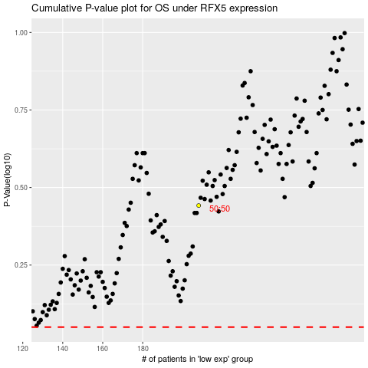

 |  |  |  |  |  | cases_OS | p_OS | rank | exp
 |  |  |  |  |  |  | cases_RFS | p_RFS | rank | exp

