RFX8 _multivariate
Reported by Tex Li-Hsing Chi. tex@gate.sinica.edu.tw 2019-08-16

Table 2. The clinicopathological features of HNSCC cohort and RFX8 expression. (Chi square test)
Cutoff at -0.256 (50.0%)
 |  | RFX8 expression |  | RFX8 expression |  | (Optimised)
 | Features | Low | (%) | High | (%) | Case no | P-value | Remark | Matthews
Gender | Female | 149 | 35.9 | 157 | 37.8 | 415 | 0.4848 | 0 | 0
2 | Male | 58 | 14 | 51 | 12.3
Age at diagnosis | <=65y | 143 | 34.5 | 131 | 31.6 | 415 | 0.2269 | 0 | 0
4 | >65y | 64 | 15.4 | 77 | 18.6
Clinical T Status | T1+T2 | 81 | 19.5 | 68 | 16.4 | 415 | 0.206 | 0 | 0
6 | T3+T4 | 126 | 30.4 | 140 | 33.7
Clinical N Status | N0 | 103 | 24.8 | 113 | 27.2 | 415 | 0.4047 | 0 | 0
8 | N1-3 | 104 | 25.1 | 95 | 22.9
Clinical M Status | M0 | 206 | 49.6 | 206 | 49.6 | 415 | 1 | 0 | 0
10 | M1 | 1 | 0.2 | 2 | 0.5
Clinical Stage | Stage I+II | 53 | 12.8 | 49 | 11.8 | 415 | 0.7113 | 0 | 0
12 | Stage III+IV | 154 | 37.1 | 159 | 38.3
Surgical Margin status | Negative | 158 | 38.1 | 160 | 38.6 | 415 | 0.9081 | 0 | 0
14 | Positive | 49 | 11.8 | 48 | 11.6
Tobacco Exposure | Low | 88 | 21.2 | 73 | 17.6 | 415 | 0.1314 | 0 | 0
16 | High | 119 | 28.7 | 135 | 32.5

Table 3. Univariate/Multivariate Cox's proportional hazards regression analyses on OS time of RFX8 gene expression in HNSCC

 |  | Univariate |  |  |  | Multivariate
 | Features | HR | CI95%(L) | CI95%(H) | P-value | HR | CI95%(L) | CI95%(H) | P-value
1 | Female | 1 |  |  |  | 1
Gender | Male | 1.157 | 0.843 | 1.587 | 0.367 | 1.189 | 0.851 | 1.662 | 0.31
11 | <=65y | 1 |  |  |  | 1
Age at diagnosis | >65y | 1.329 | 0.99 | 1.784 | 0.058 | 1.416 | 1.04 | 1.928 | 0.027
12 | T1+T2 | 1 |  |  |  | 1
Clinical T Status | T3+T4 | 1.409 | 1.028 | 1.931 | 0.033 | 2.291 | 1.208 | 4.343 | 0.011
13 | N0 | 1 |  |  |  | 1
Clinical N Status | N1-3 | 1.185 | 0.89 | 1.577 | 0.246 | 1.213 | 0.85 | 1.733 | 0.287
14 | M0 | 1 |  |  |  | 1
Clinical M Status | M1 | 4.097 | 1.009 | 16.644 | 0.049 | 10.086 | 2.192 | 46.404 | 0.003
15 | Stage I+II | 1 |  |  |  | 1
Clinical Stage | Stage III+IV | 1.245 | 0.882 | 1.759 | 0.213 | 0.494 | 0.23 | 1.061 | 0.07
16 | Negative | 1 |  |  |  | 1
Surgical Margin status | Positive | 1.591 | 1.155 | 2.191 | 0.004 | 1.701 | 1.229 | 2.354 | 0.001
17 | Low | 1 |  |  |  | 1
Tobacco Exposure | High | 1.364 | 1.008 | 1.844 | 0.044 | 1.505 | 1.088 | 2.083 | 0.014
18 | Low | 1 |  |  |  | 1
RNAseq(z-score) | High | 0.886 | 0.665 | 1.181 | 0.409 | 0.801 | 0.597 | 1.076 | 0.14

Table 4. Univariate/Multivariate Cox's proportional hazards regression analyses on RFS time of RFX8 gene expression in HNSCC

 |  | Univariate |  |  |  | Multivariate
 | Features | HR | CI95%(L) | CI95%(H) | P-value | HR | CI95%(L) | CI95%(H) | P-value
1 | Female | 1 |  |  |  | 1
Gender | Male | 1.157 | 0.843 | 1.587 | 0.367 | 1.189 | 0.851 | 1.662 | 0.31
11 | <=65y | 1 |  |  |  | 1
Age at diagnosis | >65y | 1.329 | 0.99 | 1.784 | 0.058 | 1.416 | 1.04 | 1.928 | 0.027
12 | T1+T2 | 1 |  |  |  | 1
Clinical T Status | T3+T4 | 1.409 | 1.028 | 1.931 | 0.033 | 2.291 | 1.208 | 4.343 | 0.011
13 | N0 | 1 |  |  |  | 1
Clinical N Status | N1-3 | 1.185 | 0.89 | 1.577 | 0.246 | 1.213 | 0.85 | 1.733 | 0.287
14 | M0 | 1 |  |  |  | 1
Clinical M Status | M1 | 4.097 | 1.009 | 16.644 | 0.049 | 10.086 | 2.192 | 46.404 | 0.003
15 | Stage I+II | 1 |  |  |  | 1
Clinical Stage | Stage III+IV | 1.245 | 0.882 | 1.759 | 0.213 | 0.494 | 0.23 | 1.061 | 0.07
16 | Negative | 1 |  |  |  | 1
Surgical Margin status | Positive | 1.591 | 1.155 | 2.191 | 0.004 | 1.701 | 1.229 | 2.354 | 0.001
17 | Low | 1 |  |  |  | 1
Tobacco Exposure | High | 1.364 | 1.008 | 1.844 | 0.044 | 1.505 | 1.088 | 2.083 | 0.014
18 | Low | 1 |  |  |  | 1
RNAseq(z-score) | High | 0.886 | 0.665 | 1.181 | 0.409 | 0.801 | 0.597 | 1.076 | 0.14

Kaplan-Meier survival estimate: Cutoff at -0.256 (50.0%)



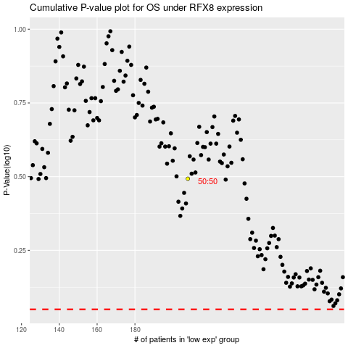

 |  |  |  |  |  | cases_OS | p_OS | rank | exp
 |  |  |  |  |  |  | cases_RFS | p_RFS | rank | exp

