RFXANK _multivariate
Reported by Tex Li-Hsing Chi. tex@gate.sinica.edu.tw 2019-08-16

Table 2. The clinicopathological features of HNSCC cohort and RFXANK expression. (Chi square test)
Cutoff at -0.259 (49.8%)
 |  | RFXANK expression |  | RFXANK expression |  | (Optimised)
 | Features | Low | (%) | High | (%) | Case no | P-value | Remark | Matthews
Gender | Female | 146 | 35.2 | 160 | 38.6 | 415 | 0.1714 | 0 | 0
2 | Male | 61 | 14.7 | 48 | 11.6
Age at diagnosis | <=65y | 131 | 31.6 | 143 | 34.5 | 415 | 0.2839 | 0 | 0
4 | >65y | 76 | 18.3 | 65 | 15.7
Clinical T Status | T1+T2 | 75 | 18.1 | 74 | 17.8 | 415 | 0.9707 | 0 | 0
6 | T3+T4 | 132 | 31.8 | 134 | 32.3
Clinical N Status | N0 | 109 | 26.3 | 107 | 25.8 | 415 | 0.8812 | 0 | 0
8 | N1-3 | 98 | 23.6 | 101 | 24.3
Clinical M Status | M0 | 206 | 49.6 | 206 | 49.6 | 415 | 1 | 0 | 0
10 | M1 | 1 | 0.2 | 2 | 0.5
Clinical Stage | Stage I+II | 53 | 12.8 | 49 | 11.8 | 415 | 0.7113 | 0 | 0
12 | Stage III+IV | 154 | 37.1 | 159 | 38.3
Surgical Margin status | Negative | 162 | 39 | 156 | 37.6 | 415 | 0.4867 | 0 | 0
14 | Positive | 45 | 10.8 | 52 | 12.5
Tobacco Exposure | Low | 80 | 19.3 | 81 | 19.5 | 415 | 1 | 0 | 0
16 | High | 127 | 30.6 | 127 | 30.6

Table 3. Univariate/Multivariate Cox's proportional hazards regression analyses on OS time of RFXANK gene expression in HNSCC

 |  | Univariate |  |  |  | Multivariate
 | Features | HR | CI95%(L) | CI95%(H) | P-value | HR | CI95%(L) | CI95%(H) | P-value
1 | Female | 1 |  |  |  | 1
Gender | Male | 1.157 | 0.843 | 1.587 | 0.367 | 1.188 | 0.85 | 1.661 | 0.313
11 | <=65y | 1 |  |  |  | 1
Age at diagnosis | >65y | 1.329 | 0.99 | 1.784 | 0.058 | 1.383 | 1.017 | 1.881 | 0.039
12 | T1+T2 | 1 |  |  |  | 1
Clinical T Status | T3+T4 | 1.409 | 1.028 | 1.931 | 0.033 | 2.199 | 1.163 | 4.159 | 0.015
13 | N0 | 1 |  |  |  | 1
Clinical N Status | N1-3 | 1.185 | 0.89 | 1.577 | 0.246 | 1.252 | 0.877 | 1.789 | 0.216
14 | M0 | 1 |  |  |  | 1
Clinical M Status | M1 | 4.097 | 1.009 | 16.644 | 0.049 | 9.69 | 2.111 | 44.494 | 0.003
15 | Stage I+II | 1 |  |  |  | 1
Clinical Stage | Stage III+IV | 1.245 | 0.882 | 1.759 | 0.213 | 0.502 | 0.234 | 1.078 | 0.077
16 | Negative | 1 |  |  |  | 1
Surgical Margin status | Positive | 1.591 | 1.155 | 2.191 | 0.004 | 1.687 | 1.22 | 2.333 | 0.002
17 | Low | 1 |  |  |  | 1
Tobacco Exposure | High | 1.364 | 1.008 | 1.844 | 0.044 | 1.458 | 1.059 | 2.009 | 0.021
18 | Low | 1 |  |  |  | 1
RNAseq(z-score) | High | 0.919 | 0.69 | 1.224 | 0.564 | 0.888 | 0.663 | 1.189 | 0.426

Table 4. Univariate/Multivariate Cox's proportional hazards regression analyses on RFS time of RFXANK gene expression in HNSCC

 |  | Univariate |  |  |  | Multivariate
 | Features | HR | CI95%(L) | CI95%(H) | P-value | HR | CI95%(L) | CI95%(H) | P-value
1 | Female | 1 |  |  |  | 1
Gender | Male | 1.157 | 0.843 | 1.587 | 0.367 | 1.188 | 0.85 | 1.661 | 0.313
11 | <=65y | 1 |  |  |  | 1
Age at diagnosis | >65y | 1.329 | 0.99 | 1.784 | 0.058 | 1.383 | 1.017 | 1.881 | 0.039
12 | T1+T2 | 1 |  |  |  | 1
Clinical T Status | T3+T4 | 1.409 | 1.028 | 1.931 | 0.033 | 2.199 | 1.163 | 4.159 | 0.015
13 | N0 | 1 |  |  |  | 1
Clinical N Status | N1-3 | 1.185 | 0.89 | 1.577 | 0.246 | 1.252 | 0.877 | 1.789 | 0.216
14 | M0 | 1 |  |  |  | 1
Clinical M Status | M1 | 4.097 | 1.009 | 16.644 | 0.049 | 9.69 | 2.111 | 44.494 | 0.003
15 | Stage I+II | 1 |  |  |  | 1
Clinical Stage | Stage III+IV | 1.245 | 0.882 | 1.759 | 0.213 | 0.502 | 0.234 | 1.078 | 0.077
16 | Negative | 1 |  |  |  | 1
Surgical Margin status | Positive | 1.591 | 1.155 | 2.191 | 0.004 | 1.687 | 1.22 | 2.333 | 0.002
17 | Low | 1 |  |  |  | 1
Tobacco Exposure | High | 1.364 | 1.008 | 1.844 | 0.044 | 1.458 | 1.059 | 2.009 | 0.021
18 | Low | 1 |  |  |  | 1
RNAseq(z-score) | High | 0.919 | 0.69 | 1.224 | 0.564 | 0.888 | 0.663 | 1.189 | 0.426

Kaplan-Meier survival estimate: Cutoff at -0.259 (49.8%)



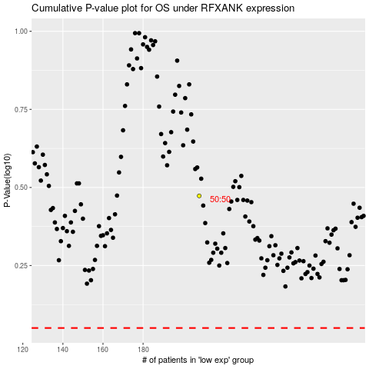

 |  |  |  |  |  | cases_OS | p_OS | rank | exp
 |  |  |  |  |  |  | cases_RFS | p_RFS | rank | exp

