RFXAP _multivariate
Reported by Tex Li-Hsing Chi. tex@gate.sinica.edu.tw 2019-08-16

Table 2. The clinicopathological features of HNSCC cohort and RFXAP expression. (Chi square test)
Cutoff at -0.491 (35.7%)
 |  | RFXAP expression |  | RFXAP expression |  | (Optimised)
 | Features | Low | (%) | High | (%) | Case no | P-value | Remark | Matthews
Gender | Female | 112 | 27 | 194 | 46.7 | 415 | 0.5807 | 0 | 0
2 | Male | 36 | 8.7 | 73 | 17.6
Age at diagnosis | <=65y | 93 | 22.4 | 181 | 43.6 | 415 | 0.3617 | 0 | 0
4 | >65y | 55 | 13.3 | 86 | 20.7
Clinical T Status | T1+T2 | 48 | 11.6 | 101 | 24.3 | 415 | 0.3219 | 0 | 0
6 | T3+T4 | 100 | 24.1 | 166 | 40
Clinical N Status | N0 | 73 | 17.6 | 143 | 34.5 | 415 | 0.4688 | 0 | 0
8 | N1-3 | 75 | 18.1 | 124 | 29.9
Clinical M Status | M0 | 146 | 35.2 | 266 | 64.1 | 415 | 0.2904 | 0 | 0
10 | M1 | 2 | 0.5 | 1 | 0.2
Clinical Stage | Stage I+II | 28 | 6.7 | 74 | 17.8 | 415 | 0.0608 | 0 | 0
12 | Stage III+IV | 120 | 28.9 | 193 | 46.5
Surgical Margin status | Negative | 118 | 28.4 | 200 | 48.2 | 415 | 0.2786 | 0 | 0
14 | Positive | 30 | 7.2 | 67 | 16.1
Tobacco Exposure | Low | 65 | 15.7 | 96 | 23.1 | 415 | 0.1159 | 0 | 0
16 | High | 83 | 20 | 171 | 41.2

Table 3. Univariate/Multivariate Cox's proportional hazards regression analyses on OS time of RFXAP gene expression in HNSCC

 |  | Univariate |  |  |  | Multivariate
 | Features | HR | CI95%(L) | CI95%(H) | P-value | HR | CI95%(L) | CI95%(H) | P-value
1 | Female | 1 |  |  |  | 1
Gender | Male | 1.157 | 0.843 | 1.587 | 0.367 | 1.182 | 0.846 | 1.652 | 0.327
11 | <=65y | 1 |  |  |  | 1
Age at diagnosis | >65y | 1.329 | 0.99 | 1.784 | 0.058 | 1.409 | 1.037 | 1.914 | 0.028
12 | T1+T2 | 1 |  |  |  | 1
Clinical T Status | T3+T4 | 1.409 | 1.028 | 1.931 | 0.033 | 2.188 | 1.157 | 4.137 | 0.016
13 | N0 | 1 |  |  |  | 1
Clinical N Status | N1-3 | 1.185 | 0.89 | 1.577 | 0.246 | 1.221 | 0.856 | 1.741 | 0.271
14 | M0 | 1 |  |  |  | 1
Clinical M Status | M1 | 4.097 | 1.009 | 16.644 | 0.049 | 10.599 | 2.3 | 48.85 | 0.002
15 | Stage I+II | 1 |  |  |  | 1
Clinical Stage | Stage III+IV | 1.245 | 0.882 | 1.759 | 0.213 | 0.538 | 0.25 | 1.158 | 0.113
16 | Negative | 1 |  |  |  | 1
Surgical Margin status | Positive | 1.591 | 1.155 | 2.191 | 0.004 | 1.637 | 1.184 | 2.264 | 0.003
17 | Low | 1 |  |  |  | 1
Tobacco Exposure | High | 1.364 | 1.008 | 1.844 | 0.044 | 1.396 | 1.011 | 1.927 | 0.043
18 | Low | 1 |  |  |  | 1
RNAseq(z-score) | High | 1.362 | 1 | 1.854 | 0.05 | 1.362 | 0.993 | 1.869 | 0.056

Table 4. Univariate/Multivariate Cox's proportional hazards regression analyses on RFS time of RFXAP gene expression in HNSCC

 |  | Univariate |  |  |  | Multivariate
 | Features | HR | CI95%(L) | CI95%(H) | P-value | HR | CI95%(L) | CI95%(H) | P-value
1 | Female | 1 |  |  |  | 1
Gender | Male | 1.157 | 0.843 | 1.587 | 0.367 | 1.182 | 0.846 | 1.652 | 0.327
11 | <=65y | 1 |  |  |  | 1
Age at diagnosis | >65y | 1.329 | 0.99 | 1.784 | 0.058 | 1.409 | 1.037 | 1.914 | 0.028
12 | T1+T2 | 1 |  |  |  | 1
Clinical T Status | T3+T4 | 1.409 | 1.028 | 1.931 | 0.033 | 2.188 | 1.157 | 4.137 | 0.016
13 | N0 | 1 |  |  |  | 1
Clinical N Status | N1-3 | 1.185 | 0.89 | 1.577 | 0.246 | 1.221 | 0.856 | 1.741 | 0.271
14 | M0 | 1 |  |  |  | 1
Clinical M Status | M1 | 4.097 | 1.009 | 16.644 | 0.049 | 10.599 | 2.3 | 48.85 | 0.002
15 | Stage I+II | 1 |  |  |  | 1
Clinical Stage | Stage III+IV | 1.245 | 0.882 | 1.759 | 0.213 | 0.538 | 0.25 | 1.158 | 0.113
16 | Negative | 1 |  |  |  | 1
Surgical Margin status | Positive | 1.591 | 1.155 | 2.191 | 0.004 | 1.637 | 1.184 | 2.264 | 0.003
17 | Low | 1 |  |  |  | 1
Tobacco Exposure | High | 1.364 | 1.008 | 1.844 | 0.044 | 1.396 | 1.011 | 1.927 | 0.043
18 | Low | 1 |  |  |  | 1
RNAseq(z-score) | High | 1.362 | 1 | 1.854 | 0.05 | 1.362 | 0.993 | 1.869 | 0.056

Kaplan-Meier survival estimate: Cutoff at -0.491 (35.7%)



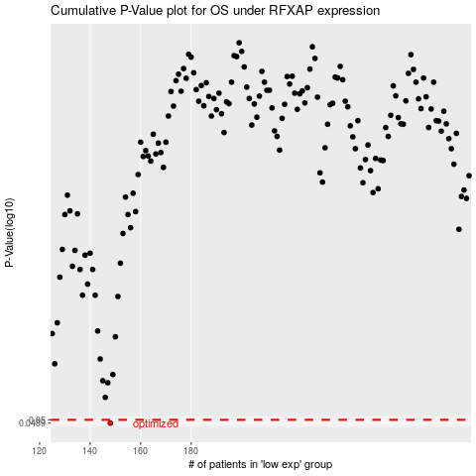

 |  |  |  |  |  | cases_OS | p_OS | rank | exp
 |  |  |  |  |  | 148 | 0.0489 | 85 | -0.49064470337
 |  |  |  |  |  |  | cases_RFS | p_RFS | rank | exp
 |  |  |  |  |  |  | 147 | 0.0489 | 396 | -0.49206277753

