RG9MTD1 _multivariate
Reported by Tex Li-Hsing Chi. tex@gate.sinica.edu.tw 2019-08-16

Table 2. The clinicopathological features of HNSCC cohort and RG9MTD1 expression. (Chi square test)
Cutoff at -0.232 (49.8%)
 |  | RG9MTD1 expression |  | RG9MTD1 expression |  | (Optimised)
 | Features | Low | (%) | High | (%) | Case no | P-value | Remark | Matthews
Gender | Female | 148 | 35.7 | 158 | 38.1 | 415 | 0.3567 | 0 | 0
2 | Male | 59 | 14.2 | 50 | 12
Age at diagnosis | <=65y | 137 | 33 | 137 | 33 | 415 | 1 | 0 | 0
4 | >65y | 70 | 16.9 | 71 | 17.1
Clinical T Status | T1+T2 | 78 | 18.8 | 71 | 17.1 | 415 | 0.5152 | 0 | 0
6 | T3+T4 | 129 | 31.1 | 137 | 33
Clinical N Status | N0 | 107 | 25.8 | 109 | 26.3 | 415 | 0.9624 | 0 | 0
8 | N1-3 | 100 | 24.1 | 99 | 23.9
Clinical M Status | M0 | 206 | 49.6 | 206 | 49.6 | 415 | 1 | 0 | 0
10 | M1 | 1 | 0.2 | 2 | 0.5
Clinical Stage | Stage I+II | 56 | 13.5 | 46 | 11.1 | 415 | 0.2918 | 0 | 0
12 | Stage III+IV | 151 | 36.4 | 162 | 39
Surgical Margin status | Negative | 157 | 37.8 | 161 | 38.8 | 415 | 0.729 | 0 | 0
14 | Positive | 50 | 12 | 47 | 11.3
Tobacco Exposure | Low | 90 | 21.7 | 71 | 17.1 | 415 | 0.0559 | 0 | 0
16 | High | 117 | 28.2 | 137 | 33

Table 3. Univariate/Multivariate Cox's proportional hazards regression analyses on OS time of RG9MTD1 gene expression in HNSCC

 |  | Univariate |  |  |  | Multivariate
 | Features | HR | CI95%(L) | CI95%(H) | P-value | HR | CI95%(L) | CI95%(H) | P-value
1 | Female | 1 |  |  |  | 1
Gender | Male | 1.157 | 0.843 | 1.587 | 0.367 | 1.204 | 0.861 | 1.684 | 0.277
11 | <=65y | 1 |  |  |  | 1
Age at diagnosis | >65y | 1.329 | 0.99 | 1.784 | 0.058 | 1.393 | 1.024 | 1.893 | 0.035
12 | T1+T2 | 1 |  |  |  | 1
Clinical T Status | T3+T4 | 1.409 | 1.028 | 1.931 | 0.033 | 2.195 | 1.16 | 4.155 | 0.016
13 | N0 | 1 |  |  |  | 1
Clinical N Status | N1-3 | 1.185 | 0.89 | 1.577 | 0.246 | 1.237 | 0.866 | 1.768 | 0.242
14 | M0 | 1 |  |  |  | 1
Clinical M Status | M1 | 4.097 | 1.009 | 16.644 | 0.049 | 9.421 | 2.055 | 43.19 | 0.004
15 | Stage I+II | 1 |  |  |  | 1
Clinical Stage | Stage III+IV | 1.245 | 0.882 | 1.759 | 0.213 | 0.507 | 0.236 | 1.092 | 0.083
16 | Negative | 1 |  |  |  | 1
Surgical Margin status | Positive | 1.591 | 1.155 | 2.191 | 0.004 | 1.67 | 1.208 | 2.308 | 0.002
17 | Low | 1 |  |  |  | 1
Tobacco Exposure | High | 1.364 | 1.008 | 1.844 | 0.044 | 1.458 | 1.055 | 2.014 | 0.022
18 | Low | 1 |  |  |  | 1
RNAseq(z-score) | High | 1.01 | 0.758 | 1.345 | 0.947 | 0.976 | 0.73 | 1.305 | 0.87

Table 4. Univariate/Multivariate Cox's proportional hazards regression analyses on RFS time of RG9MTD1 gene expression in HNSCC

 |  | Univariate |  |  |  | Multivariate
 | Features | HR | CI95%(L) | CI95%(H) | P-value | HR | CI95%(L) | CI95%(H) | P-value
1 | Female | 1 |  |  |  | 1
Gender | Male | 1.157 | 0.843 | 1.587 | 0.367 | 1.204 | 0.861 | 1.684 | 0.277
11 | <=65y | 1 |  |  |  | 1
Age at diagnosis | >65y | 1.329 | 0.99 | 1.784 | 0.058 | 1.393 | 1.024 | 1.893 | 0.035
12 | T1+T2 | 1 |  |  |  | 1
Clinical T Status | T3+T4 | 1.409 | 1.028 | 1.931 | 0.033 | 2.195 | 1.16 | 4.155 | 0.016
13 | N0 | 1 |  |  |  | 1
Clinical N Status | N1-3 | 1.185 | 0.89 | 1.577 | 0.246 | 1.237 | 0.866 | 1.768 | 0.242
14 | M0 | 1 |  |  |  | 1
Clinical M Status | M1 | 4.097 | 1.009 | 16.644 | 0.049 | 9.421 | 2.055 | 43.19 | 0.004
15 | Stage I+II | 1 |  |  |  | 1
Clinical Stage | Stage III+IV | 1.245 | 0.882 | 1.759 | 0.213 | 0.507 | 0.236 | 1.092 | 0.083
16 | Negative | 1 |  |  |  | 1
Surgical Margin status | Positive | 1.591 | 1.155 | 2.191 | 0.004 | 1.67 | 1.208 | 2.308 | 0.002
17 | Low | 1 |  |  |  | 1
Tobacco Exposure | High | 1.364 | 1.008 | 1.844 | 0.044 | 1.458 | 1.055 | 2.014 | 0.022
18 | Low | 1 |  |  |  | 1
RNAseq(z-score) | High | 1.01 | 0.758 | 1.345 | 0.947 | 0.976 | 0.73 | 1.305 | 0.87

Kaplan-Meier survival estimate: Cutoff at -0.232 (49.8%)



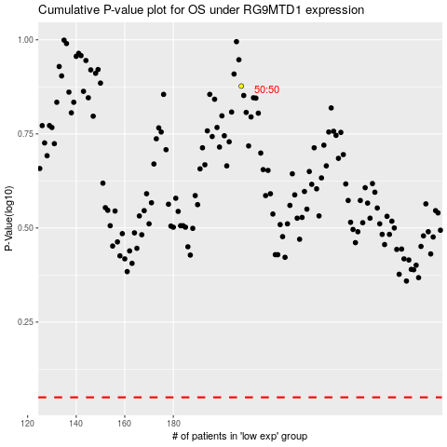

 |  |  |  |  |  | cases_OS | p_OS | rank | exp
 |  |  |  |  |  |  | cases_RFS | p_RFS | rank | exp

