RG9MTD2 _multivariate
Reported by Tex Li-Hsing Chi. tex@gate.sinica.edu.tw 2019-08-16

Table 2. The clinicopathological features of HNSCC cohort and RG9MTD2 expression. (Chi square test)
Cutoff at -0.262 (50.0%)
 |  | RG9MTD2 expression |  | RG9MTD2 expression |  | (Optimised)
 | Features | Low | (%) | High | (%) | Case no | P-value | Remark | Matthews
Gender | Female | 153 | 36.9 | 153 | 36.9 | 415 | 1 | 0 | 0
2 | Male | 54 | 13 | 55 | 13.3
Age at diagnosis | <=65y | 137 | 33 | 137 | 33 | 415 | 1 | 0 | 0
4 | >65y | 70 | 16.9 | 71 | 17.1
Clinical T Status | T1+T2 | 62 | 14.9 | 87 | 21 | 415 | 0.0156 | 1 | 0
6 | T3+T4 | 145 | 34.9 | 121 | 29.2
Clinical N Status | N0 | 104 | 25.1 | 112 | 27 | 415 | 0.5243 | 0 | 0
8 | N1-3 | 103 | 24.8 | 96 | 23.1
Clinical M Status | M0 | 206 | 49.6 | 206 | 49.6 | 415 | 1 | 0 | 0
10 | M1 | 1 | 0.2 | 2 | 0.5
Clinical Stage | Stage I+II | 42 | 10.1 | 60 | 14.5 | 415 | 0.0561 | 0 | 0
12 | Stage III+IV | 165 | 39.8 | 148 | 35.7
Surgical Margin status | Negative | 167 | 40.2 | 151 | 36.4 | 415 | 0.0632 | 0 | 0
14 | Positive | 40 | 9.6 | 57 | 13.7
Tobacco Exposure | Low | 76 | 18.3 | 85 | 20.5 | 415 | 0.4207 | 0 | 0
16 | High | 131 | 31.6 | 123 | 29.6

Table 3. Univariate/Multivariate Cox's proportional hazards regression analyses on OS time of RG9MTD2 gene expression in HNSCC

 |  | Univariate |  |  |  | Multivariate
 | Features | HR | CI95%(L) | CI95%(H) | P-value | HR | CI95%(L) | CI95%(H) | P-value
1 | Female | 1 |  |  |  | 1
Gender | Male | 1.157 | 0.843 | 1.587 | 0.367 | 1.198 | 0.857 | 1.673 | 0.291
11 | <=65y | 1 |  |  |  | 1
Age at diagnosis | >65y | 1.329 | 0.99 | 1.784 | 0.058 | 1.394 | 1.025 | 1.895 | 0.034
12 | T1+T2 | 1 |  |  |  | 1
Clinical T Status | T3+T4 | 1.409 | 1.028 | 1.931 | 0.033 | 2.165 | 1.139 | 4.116 | 0.018
13 | N0 | 1 |  |  |  | 1
Clinical N Status | N1-3 | 1.185 | 0.89 | 1.577 | 0.246 | 1.235 | 0.865 | 1.764 | 0.245
14 | M0 | 1 |  |  |  | 1
Clinical M Status | M1 | 4.097 | 1.009 | 16.644 | 0.049 | 9.336 | 2.036 | 42.81 | 0.004
15 | Stage I+II | 1 |  |  |  | 1
Clinical Stage | Stage III+IV | 1.245 | 0.882 | 1.759 | 0.213 | 0.51 | 0.237 | 1.096 | 0.084
16 | Negative | 1 |  |  |  | 1
Surgical Margin status | Positive | 1.591 | 1.155 | 2.191 | 0.004 | 1.675 | 1.212 | 2.315 | 0.002
17 | Low | 1 |  |  |  | 1
Tobacco Exposure | High | 1.364 | 1.008 | 1.844 | 0.044 | 1.448 | 1.051 | 1.996 | 0.024
18 | Low | 1 |  |  |  | 1
RNAseq(z-score) | High | 0.877 | 0.658 | 1.169 | 0.37 | 0.942 | 0.702 | 1.262 | 0.687

Table 4. Univariate/Multivariate Cox's proportional hazards regression analyses on RFS time of RG9MTD2 gene expression in HNSCC

 |  | Univariate |  |  |  | Multivariate
 | Features | HR | CI95%(L) | CI95%(H) | P-value | HR | CI95%(L) | CI95%(H) | P-value
1 | Female | 1 |  |  |  | 1
Gender | Male | 1.157 | 0.843 | 1.587 | 0.367 | 1.198 | 0.857 | 1.673 | 0.291
11 | <=65y | 1 |  |  |  | 1
Age at diagnosis | >65y | 1.329 | 0.99 | 1.784 | 0.058 | 1.394 | 1.025 | 1.895 | 0.034
12 | T1+T2 | 1 |  |  |  | 1
Clinical T Status | T3+T4 | 1.409 | 1.028 | 1.931 | 0.033 | 2.165 | 1.139 | 4.116 | 0.018
13 | N0 | 1 |  |  |  | 1
Clinical N Status | N1-3 | 1.185 | 0.89 | 1.577 | 0.246 | 1.235 | 0.865 | 1.764 | 0.245
14 | M0 | 1 |  |  |  | 1
Clinical M Status | M1 | 4.097 | 1.009 | 16.644 | 0.049 | 9.336 | 2.036 | 42.81 | 0.004
15 | Stage I+II | 1 |  |  |  | 1
Clinical Stage | Stage III+IV | 1.245 | 0.882 | 1.759 | 0.213 | 0.51 | 0.237 | 1.096 | 0.084
16 | Negative | 1 |  |  |  | 1
Surgical Margin status | Positive | 1.591 | 1.155 | 2.191 | 0.004 | 1.675 | 1.212 | 2.315 | 0.002
17 | Low | 1 |  |  |  | 1
Tobacco Exposure | High | 1.364 | 1.008 | 1.844 | 0.044 | 1.448 | 1.051 | 1.996 | 0.024
18 | Low | 1 |  |  |  | 1
RNAseq(z-score) | High | 0.877 | 0.658 | 1.169 | 0.37 | 0.942 | 0.702 | 1.262 | 0.687

Kaplan-Meier survival estimate: Cutoff at -0.262 (50.0%)



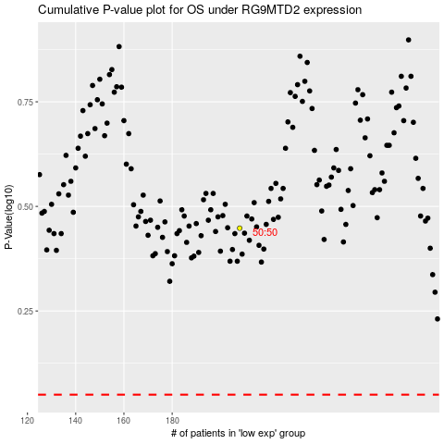

 |  |  |  |  |  | cases_OS | p_OS | rank | exp
 |  |  |  |  |  |  | cases_RFS | p_RFS | rank | exp

