RG9MTD3 _multivariate
Reported by Tex Li-Hsing Chi. tex@gate.sinica.edu.tw 2019-08-16

Table 2. The clinicopathological features of HNSCC cohort and RG9MTD3 expression. (Chi square test)
Cutoff at -0.269 (49.8%)
 |  | RG9MTD3 expression |  | RG9MTD3 expression |  | (Optimised)
 | Features | Low | (%) | High | (%) | Case no | P-value | Remark | Matthews
Gender | Female | 150 | 36.1 | 156 | 37.6 | 415 | 0.6344 | 0 | 0
2 | Male | 57 | 13.7 | 52 | 12.5
Age at diagnosis | <=65y | 138 | 33.3 | 136 | 32.8 | 415 | 0.8634 | 0 | 0
4 | >65y | 69 | 16.6 | 72 | 17.3
Clinical T Status | T1+T2 | 72 | 17.3 | 77 | 18.6 | 415 | 0.7095 | 0 | 0
6 | T3+T4 | 135 | 32.5 | 131 | 31.6
Clinical N Status | N0 | 114 | 27.5 | 102 | 24.6 | 415 | 0.2576 | 1 | 0
8 | N1-3 | 93 | 22.4 | 106 | 25.5
Clinical M Status | M0 | 206 | 49.6 | 206 | 49.6 | 415 | 1 | 0 | 0
10 | M1 | 1 | 0.2 | 2 | 0.5
Clinical Stage | Stage I+II | 54 | 13 | 48 | 11.6 | 415 | 0.5498 | 0 | 0
12 | Stage III+IV | 153 | 36.9 | 160 | 38.6
Surgical Margin status | Negative | 162 | 39 | 156 | 37.6 | 415 | 0.4867 | 0 | 0
14 | Positive | 45 | 10.8 | 52 | 12.5
Tobacco Exposure | Low | 78 | 18.8 | 83 | 20 | 415 | 0.6873 | 0 | 0
16 | High | 129 | 31.1 | 125 | 30.1

Table 3. Univariate/Multivariate Cox's proportional hazards regression analyses on OS time of RG9MTD3 gene expression in HNSCC

 |  | Univariate |  |  |  | Multivariate
 | Features | HR | CI95%(L) | CI95%(H) | P-value | HR | CI95%(L) | CI95%(H) | P-value
1 | Female | 1 |  |  |  | 1
Gender | Male | 1.157 | 0.843 | 1.587 | 0.367 | 1.202 | 0.861 | 1.679 | 0.28
11 | <=65y | 1 |  |  |  | 1
Age at diagnosis | >65y | 1.329 | 0.99 | 1.784 | 0.058 | 1.396 | 1.027 | 1.898 | 0.033
12 | T1+T2 | 1 |  |  |  | 1
Clinical T Status | T3+T4 | 1.409 | 1.028 | 1.931 | 0.033 | 2.195 | 1.161 | 4.149 | 0.016
13 | N0 | 1 |  |  |  | 1
Clinical N Status | N1-3 | 1.185 | 0.89 | 1.577 | 0.246 | 1.251 | 0.875 | 1.787 | 0.219
14 | M0 | 1 |  |  |  | 1
Clinical M Status | M1 | 4.097 | 1.009 | 16.644 | 0.049 | 9.433 | 2.058 | 43.238 | 0.004
15 | Stage I+II | 1 |  |  |  | 1
Clinical Stage | Stage III+IV | 1.245 | 0.882 | 1.759 | 0.213 | 0.505 | 0.235 | 1.084 | 0.079
16 | Negative | 1 |  |  |  | 1
Surgical Margin status | Positive | 1.591 | 1.155 | 2.191 | 0.004 | 1.681 | 1.216 | 2.324 | 0.002
17 | Low | 1 |  |  |  | 1
Tobacco Exposure | High | 1.364 | 1.008 | 1.844 | 0.044 | 1.451 | 1.053 | 1.998 | 0.023
18 | Low | 1 |  |  |  | 1
RNAseq(z-score) | High | 0.967 | 0.724 | 1.291 | 0.819 | 0.93 | 0.694 | 1.244 | 0.623

Table 4. Univariate/Multivariate Cox's proportional hazards regression analyses on RFS time of RG9MTD3 gene expression in HNSCC

 |  | Univariate |  |  |  | Multivariate
 | Features | HR | CI95%(L) | CI95%(H) | P-value | HR | CI95%(L) | CI95%(H) | P-value
1 | Female | 1 |  |  |  | 1
Gender | Male | 1.157 | 0.843 | 1.587 | 0.367 | 1.202 | 0.861 | 1.679 | 0.28
11 | <=65y | 1 |  |  |  | 1
Age at diagnosis | >65y | 1.329 | 0.99 | 1.784 | 0.058 | 1.396 | 1.027 | 1.898 | 0.033
12 | T1+T2 | 1 |  |  |  | 1
Clinical T Status | T3+T4 | 1.409 | 1.028 | 1.931 | 0.033 | 2.195 | 1.161 | 4.149 | 0.016
13 | N0 | 1 |  |  |  | 1
Clinical N Status | N1-3 | 1.185 | 0.89 | 1.577 | 0.246 | 1.251 | 0.875 | 1.787 | 0.219
14 | M0 | 1 |  |  |  | 1
Clinical M Status | M1 | 4.097 | 1.009 | 16.644 | 0.049 | 9.433 | 2.058 | 43.238 | 0.004
15 | Stage I+II | 1 |  |  |  | 1
Clinical Stage | Stage III+IV | 1.245 | 0.882 | 1.759 | 0.213 | 0.505 | 0.235 | 1.084 | 0.079
16 | Negative | 1 |  |  |  | 1
Surgical Margin status | Positive | 1.591 | 1.155 | 2.191 | 0.004 | 1.681 | 1.216 | 2.324 | 0.002
17 | Low | 1 |  |  |  | 1
Tobacco Exposure | High | 1.364 | 1.008 | 1.844 | 0.044 | 1.451 | 1.053 | 1.998 | 0.023
18 | Low | 1 |  |  |  | 1
RNAseq(z-score) | High | 0.967 | 0.724 | 1.291 | 0.819 | 0.93 | 0.694 | 1.244 | 0.623

Kaplan-Meier survival estimate: Cutoff at -0.269 (49.8%)



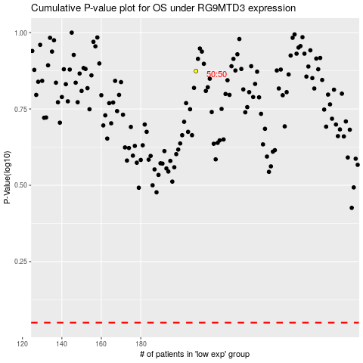

 |  |  |  |  |  | cases_OS | p_OS | rank | exp
 |  |  |  |  |  |  | cases_RFS | p_RFS | rank | exp

