RGAG1 _multivariate
Reported by Tex Li-Hsing Chi. tex@gate.sinica.edu.tw 2019-08-16

Table 2. The clinicopathological features of HNSCC cohort and RGAG1 expression. (Chi square test)
Cutoff at -0.206 (50.0%)
 |  | RGAG1 expression |  | RGAG1 expression |  | (Optimised)
 | Features | Low | (%) | High | (%) | Case no | P-value | Remark | Matthews
Gender | Female | 155 | 37.3 | 151 | 36.4 | 415 | 0.6768 | 0 | 0
2 | Male | 52 | 12.5 | 57 | 13.7
Age at diagnosis | <=65y | 132 | 31.8 | 142 | 34.2 | 415 | 0.3874 | 0 | 0
4 | >65y | 75 | 18.1 | 66 | 15.9
Clinical T Status | T1+T2 | 72 | 17.3 | 77 | 18.6 | 415 | 0.7095 | 0 | 0
6 | T3+T4 | 135 | 32.5 | 131 | 31.6
Clinical N Status | N0 | 104 | 25.1 | 112 | 27 | 415 | 0.5243 | 0 | 0
8 | N1-3 | 103 | 24.8 | 96 | 23.1
Clinical M Status | M0 | 206 | 49.6 | 206 | 49.6 | 415 | 1 | 0 | 0
10 | M1 | 1 | 0.2 | 2 | 0.5
Clinical Stage | Stage I+II | 46 | 11.1 | 56 | 13.5 | 415 | 0.3182 | 0 | 0
12 | Stage III+IV | 161 | 38.8 | 152 | 36.6
Surgical Margin status | Negative | 154 | 37.1 | 164 | 39.5 | 415 | 0.2984 | 0 | 0
14 | Positive | 53 | 12.8 | 44 | 10.6
Tobacco Exposure | Low | 75 | 18.1 | 86 | 20.7 | 415 | 0.3141 | 0 | 0
16 | High | 132 | 31.8 | 122 | 29.4

Table 3. Univariate/Multivariate Cox's proportional hazards regression analyses on OS time of RGAG1 gene expression in HNSCC

 |  | Univariate |  |  |  | Multivariate
 | Features | HR | CI95%(L) | CI95%(H) | P-value | HR | CI95%(L) | CI95%(H) | P-value
1 | Female | 1 |  |  |  | 1
Gender | Male | 1.157 | 0.843 | 1.587 | 0.367 | 1.201 | 0.86 | 1.678 | 0.283
11 | <=65y | 1 |  |  |  | 1
Age at diagnosis | >65y | 1.329 | 0.99 | 1.784 | 0.058 | 1.395 | 1.026 | 1.898 | 0.034
12 | T1+T2 | 1 |  |  |  | 1
Clinical T Status | T3+T4 | 1.409 | 1.028 | 1.931 | 0.033 | 2.203 | 1.165 | 4.166 | 0.015
13 | N0 | 1 |  |  |  | 1
Clinical N Status | N1-3 | 1.185 | 0.89 | 1.577 | 0.246 | 1.246 | 0.873 | 1.778 | 0.227
14 | M0 | 1 |  |  |  | 1
Clinical M Status | M1 | 4.097 | 1.009 | 16.644 | 0.049 | 9.34 | 2.036 | 42.836 | 0.004
15 | Stage I+II | 1 |  |  |  | 1
Clinical Stage | Stage III+IV | 1.245 | 0.882 | 1.759 | 0.213 | 0.503 | 0.234 | 1.08 | 0.078
16 | Negative | 1 |  |  |  | 1
Surgical Margin status | Positive | 1.591 | 1.155 | 2.191 | 0.004 | 1.681 | 1.214 | 2.326 | 0.002
17 | Low | 1 |  |  |  | 1
Tobacco Exposure | High | 1.364 | 1.008 | 1.844 | 0.044 | 1.461 | 1.059 | 2.015 | 0.021
18 | Low | 1 |  |  |  | 1
RNAseq(z-score) | High | 0.985 | 0.738 | 1.315 | 0.92 | 1.054 | 0.787 | 1.413 | 0.723

Table 4. Univariate/Multivariate Cox's proportional hazards regression analyses on RFS time of RGAG1 gene expression in HNSCC

 |  | Univariate |  |  |  | Multivariate
 | Features | HR | CI95%(L) | CI95%(H) | P-value | HR | CI95%(L) | CI95%(H) | P-value
1 | Female | 1 |  |  |  | 1
Gender | Male | 1.157 | 0.843 | 1.587 | 0.367 | 1.201 | 0.86 | 1.678 | 0.283
11 | <=65y | 1 |  |  |  | 1
Age at diagnosis | >65y | 1.329 | 0.99 | 1.784 | 0.058 | 1.395 | 1.026 | 1.898 | 0.034
12 | T1+T2 | 1 |  |  |  | 1
Clinical T Status | T3+T4 | 1.409 | 1.028 | 1.931 | 0.033 | 2.203 | 1.165 | 4.166 | 0.015
13 | N0 | 1 |  |  |  | 1
Clinical N Status | N1-3 | 1.185 | 0.89 | 1.577 | 0.246 | 1.246 | 0.873 | 1.778 | 0.227
14 | M0 | 1 |  |  |  | 1
Clinical M Status | M1 | 4.097 | 1.009 | 16.644 | 0.049 | 9.34 | 2.036 | 42.836 | 0.004
15 | Stage I+II | 1 |  |  |  | 1
Clinical Stage | Stage III+IV | 1.245 | 0.882 | 1.759 | 0.213 | 0.503 | 0.234 | 1.08 | 0.078
16 | Negative | 1 |  |  |  | 1
Surgical Margin status | Positive | 1.591 | 1.155 | 2.191 | 0.004 | 1.681 | 1.214 | 2.326 | 0.002
17 | Low | 1 |  |  |  | 1
Tobacco Exposure | High | 1.364 | 1.008 | 1.844 | 0.044 | 1.461 | 1.059 | 2.015 | 0.021
18 | Low | 1 |  |  |  | 1
RNAseq(z-score) | High | 0.985 | 0.738 | 1.315 | 0.92 | 1.054 | 0.787 | 1.413 | 0.723

Kaplan-Meier survival estimate: Cutoff at -0.206 (50.0%)



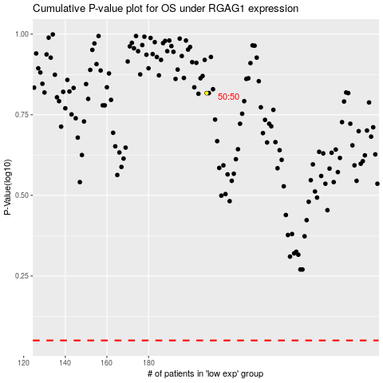

 |  |  |  |  |  | cases_OS | p_OS | rank | exp
 |  |  |  |  |  |  | cases_RFS | p_RFS | rank | exp

