RGMB _multivariate
Reported by Tex Li-Hsing Chi. tex@gate.sinica.edu.tw 2019-08-16

Table 2. The clinicopathological features of HNSCC cohort and RGMB expression. (Chi square test)
Cutoff at -0.288 (49.8%)
 |  | RGMB expression |  | RGMB expression |  | (Optimised)
 | Features | Low | (%) | High | (%) | Case no | P-value | Remark | Matthews
Gender | Female | 147 | 35.4 | 159 | 38.3 | 415 | 0.2523 | 0 | 0
2 | Male | 60 | 14.5 | 49 | 11.8
Age at diagnosis | <=65y | 131 | 31.6 | 143 | 34.5 | 415 | 0.2839 | 0 | 0
4 | >65y | 76 | 18.3 | 65 | 15.7
Clinical T Status | T1+T2 | 65 | 15.7 | 84 | 20.2 | 415 | 0.0711 | 0 | 0
6 | T3+T4 | 142 | 34.2 | 124 | 29.9
Clinical N Status | N0 | 115 | 27.7 | 101 | 24.3 | 415 | 0.184 | 1 | 0
8 | N1-3 | 92 | 22.2 | 107 | 25.8
Clinical M Status | M0 | 204 | 49.2 | 208 | 50.1 | 415 | 0.1232 | 0 | 0
10 | M1 | 3 | 0.7 | 0 | 0
Clinical Stage | Stage I+II | 48 | 11.6 | 54 | 13 | 415 | 0.5878 | 0 | 0
12 | Stage III+IV | 159 | 38.3 | 154 | 37.1
Surgical Margin status | Negative | 165 | 39.8 | 153 | 36.9 | 415 | 0.1639 | 0 | 0
14 | Positive | 42 | 10.1 | 55 | 13.3
Tobacco Exposure | Low | 89 | 21.4 | 72 | 17.3 | 415 | 0.0872 | 0 | 0
16 | High | 118 | 28.4 | 136 | 32.8

Table 3. Univariate/Multivariate Cox's proportional hazards regression analyses on OS time of RGMB gene expression in HNSCC

 |  | Univariate |  |  |  | Multivariate
 | Features | HR | CI95%(L) | CI95%(H) | P-value | HR | CI95%(L) | CI95%(H) | P-value
1 | Female | 1 |  |  |  | 1
Gender | Male | 1.157 | 0.843 | 1.587 | 0.367 | 1.217 | 0.87 | 1.702 | 0.252
11 | <=65y | 1 |  |  |  | 1
Age at diagnosis | >65y | 1.329 | 0.99 | 1.784 | 0.058 | 1.402 | 1.031 | 1.908 | 0.031
12 | T1+T2 | 1 |  |  |  | 1
Clinical T Status | T3+T4 | 1.409 | 1.028 | 1.931 | 0.033 | 2.267 | 1.193 | 4.306 | 0.012
13 | N0 | 1 |  |  |  | 1
Clinical N Status | N1-3 | 1.185 | 0.89 | 1.577 | 0.246 | 1.237 | 0.867 | 1.764 | 0.241
14 | M0 | 1 |  |  |  | 1
Clinical M Status | M1 | 4.097 | 1.009 | 16.644 | 0.049 | 10.21 | 2.189 | 47.636 | 0.003
15 | Stage I+II | 1 |  |  |  | 1
Clinical Stage | Stage III+IV | 1.245 | 0.882 | 1.759 | 0.213 | 0.501 | 0.233 | 1.075 | 0.076
16 | Negative | 1 |  |  |  | 1
Surgical Margin status | Positive | 1.591 | 1.155 | 2.191 | 0.004 | 1.66 | 1.2 | 2.294 | 0.002
17 | Low | 1 |  |  |  | 1
Tobacco Exposure | High | 1.364 | 1.008 | 1.844 | 0.044 | 1.437 | 1.042 | 1.982 | 0.027
18 | Low | 1 |  |  |  | 1
RNAseq(z-score) | High | 1.037 | 0.778 | 1.382 | 0.803 | 1.113 | 0.825 | 1.502 | 0.483

Table 4. Univariate/Multivariate Cox's proportional hazards regression analyses on RFS time of RGMB gene expression in HNSCC

 |  | Univariate |  |  |  | Multivariate
 | Features | HR | CI95%(L) | CI95%(H) | P-value | HR | CI95%(L) | CI95%(H) | P-value
1 | Female | 1 |  |  |  | 1
Gender | Male | 1.157 | 0.843 | 1.587 | 0.367 | 1.217 | 0.87 | 1.702 | 0.252
11 | <=65y | 1 |  |  |  | 1
Age at diagnosis | >65y | 1.329 | 0.99 | 1.784 | 0.058 | 1.402 | 1.031 | 1.908 | 0.031
12 | T1+T2 | 1 |  |  |  | 1
Clinical T Status | T3+T4 | 1.409 | 1.028 | 1.931 | 0.033 | 2.267 | 1.193 | 4.306 | 0.012
13 | N0 | 1 |  |  |  | 1
Clinical N Status | N1-3 | 1.185 | 0.89 | 1.577 | 0.246 | 1.237 | 0.867 | 1.764 | 0.241
14 | M0 | 1 |  |  |  | 1
Clinical M Status | M1 | 4.097 | 1.009 | 16.644 | 0.049 | 10.21 | 2.189 | 47.636 | 0.003
15 | Stage I+II | 1 |  |  |  | 1
Clinical Stage | Stage III+IV | 1.245 | 0.882 | 1.759 | 0.213 | 0.501 | 0.233 | 1.075 | 0.076
16 | Negative | 1 |  |  |  | 1
Surgical Margin status | Positive | 1.591 | 1.155 | 2.191 | 0.004 | 1.66 | 1.2 | 2.294 | 0.002
17 | Low | 1 |  |  |  | 1
Tobacco Exposure | High | 1.364 | 1.008 | 1.844 | 0.044 | 1.437 | 1.042 | 1.982 | 0.027
18 | Low | 1 |  |  |  | 1
RNAseq(z-score) | High | 1.037 | 0.778 | 1.382 | 0.803 | 1.113 | 0.825 | 1.502 | 0.483

Kaplan-Meier survival estimate: Cutoff at -0.288 (49.8%)



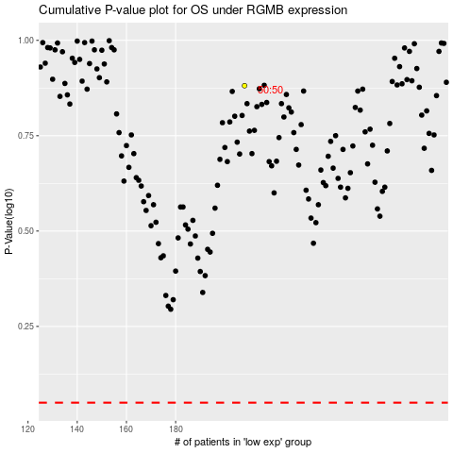

 |  |  |  |  |  | cases_OS | p_OS | rank | exp
 |  |  |  |  |  |  | cases_RFS | p_RFS | rank | exp

