RGNEF _multivariate
Reported by Tex Li-Hsing Chi. tex@gate.sinica.edu.tw 2019-08-16

Table 2. The clinicopathological features of HNSCC cohort and RGNEF expression. (Chi square test)
Cutoff at -0.227 (50.0%)
 |  | RGNEF expression |  | RGNEF expression |  | (Optimised)
 | Features | Low | (%) | High | (%) | Case no | P-value | Remark | Matthews
Gender | Female | 152 | 36.6 | 154 | 37.1 | 415 | 0.9766 | 0 | 0
2 | Male | 55 | 13.3 | 54 | 13
Age at diagnosis | <=65y | 130 | 31.3 | 144 | 34.7 | 415 | 0.2009 | 0 | 0
4 | >65y | 77 | 18.6 | 64 | 15.4
Clinical T Status | T1+T2 | 64 | 15.4 | 85 | 20.5 | 415 | 0.0445 | 1 | 0
6 | T3+T4 | 143 | 34.5 | 123 | 29.6
Clinical N Status | N0 | 116 | 28 | 100 | 24.1 | 415 | 0.1273 | 1 | 0
8 | N1-3 | 91 | 21.9 | 108 | 26
Clinical M Status | M0 | 204 | 49.2 | 208 | 50.1 | 415 | 0.1232 | 0 | 0
10 | M1 | 3 | 0.7 | 0 | 0
Clinical Stage | Stage I+II | 51 | 12.3 | 51 | 12.3 | 415 | 1 | 0 | 0
12 | Stage III+IV | 156 | 37.6 | 157 | 37.8
Surgical Margin status | Negative | 161 | 38.8 | 157 | 37.8 | 415 | 0.6429 | 0 | 0
14 | Positive | 46 | 11.1 | 51 | 12.3
Tobacco Exposure | Low | 79 | 19 | 82 | 19.8 | 415 | 0.8405 | 0 | 0
16 | High | 128 | 30.8 | 126 | 30.4

Table 3. Univariate/Multivariate Cox's proportional hazards regression analyses on OS time of RGNEF gene expression in HNSCC

 |  | Univariate |  |  |  | Multivariate
 | Features | HR | CI95%(L) | CI95%(H) | P-value | HR | CI95%(L) | CI95%(H) | P-value
1 | Female | 1 |  |  |  | 1
Gender | Male | 1.157 | 0.843 | 1.587 | 0.367 | 1.198 | 0.857 | 1.674 | 0.29
11 | <=65y | 1 |  |  |  | 1
Age at diagnosis | >65y | 1.329 | 0.99 | 1.784 | 0.058 | 1.384 | 1.018 | 1.883 | 0.038
12 | T1+T2 | 1 |  |  |  | 1
Clinical T Status | T3+T4 | 1.409 | 1.028 | 1.931 | 0.033 | 2.134 | 1.116 | 4.08 | 0.022
13 | N0 | 1 |  |  |  | 1
Clinical N Status | N1-3 | 1.185 | 0.89 | 1.577 | 0.246 | 1.236 | 0.866 | 1.764 | 0.243
14 | M0 | 1 |  |  |  | 1
Clinical M Status | M1 | 4.097 | 1.009 | 16.644 | 0.049 | 8.792 | 1.878 | 41.153 | 0.006
15 | Stage I+II | 1 |  |  |  | 1
Clinical Stage | Stage III+IV | 1.245 | 0.882 | 1.759 | 0.213 | 0.521 | 0.24 | 1.13 | 0.099
16 | Negative | 1 |  |  |  | 1
Surgical Margin status | Positive | 1.591 | 1.155 | 2.191 | 0.004 | 1.664 | 1.204 | 2.3 | 0.002
17 | Low | 1 |  |  |  | 1
Tobacco Exposure | High | 1.364 | 1.008 | 1.844 | 0.044 | 1.447 | 1.049 | 1.994 | 0.024
18 | Low | 1 |  |  |  | 1
RNAseq(z-score) | High | 0.814 | 0.61 | 1.087 | 0.163 | 0.925 | 0.687 | 1.245 | 0.606

Table 4. Univariate/Multivariate Cox's proportional hazards regression analyses on RFS time of RGNEF gene expression in HNSCC

 |  | Univariate |  |  |  | Multivariate
 | Features | HR | CI95%(L) | CI95%(H) | P-value | HR | CI95%(L) | CI95%(H) | P-value
1 | Female | 1 |  |  |  | 1
Gender | Male | 1.157 | 0.843 | 1.587 | 0.367 | 1.198 | 0.857 | 1.674 | 0.29
11 | <=65y | 1 |  |  |  | 1
Age at diagnosis | >65y | 1.329 | 0.99 | 1.784 | 0.058 | 1.384 | 1.018 | 1.883 | 0.038
12 | T1+T2 | 1 |  |  |  | 1
Clinical T Status | T3+T4 | 1.409 | 1.028 | 1.931 | 0.033 | 2.134 | 1.116 | 4.08 | 0.022
13 | N0 | 1 |  |  |  | 1
Clinical N Status | N1-3 | 1.185 | 0.89 | 1.577 | 0.246 | 1.236 | 0.866 | 1.764 | 0.243
14 | M0 | 1 |  |  |  | 1
Clinical M Status | M1 | 4.097 | 1.009 | 16.644 | 0.049 | 8.792 | 1.878 | 41.153 | 0.006
15 | Stage I+II | 1 |  |  |  | 1
Clinical Stage | Stage III+IV | 1.245 | 0.882 | 1.759 | 0.213 | 0.521 | 0.24 | 1.13 | 0.099
16 | Negative | 1 |  |  |  | 1
Surgical Margin status | Positive | 1.591 | 1.155 | 2.191 | 0.004 | 1.664 | 1.204 | 2.3 | 0.002
17 | Low | 1 |  |  |  | 1
Tobacco Exposure | High | 1.364 | 1.008 | 1.844 | 0.044 | 1.447 | 1.049 | 1.994 | 0.024
18 | Low | 1 |  |  |  | 1
RNAseq(z-score) | High | 0.814 | 0.61 | 1.087 | 0.163 | 0.925 | 0.687 | 1.245 | 0.606

Kaplan-Meier survival estimate: Cutoff at -0.227 (50.0%)



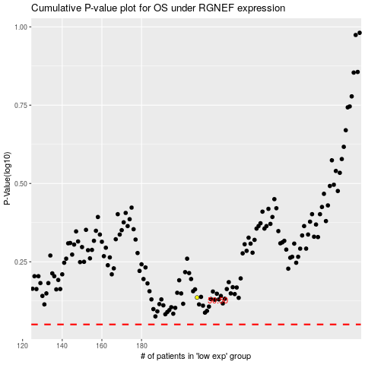

 |  |  |  |  |  | cases_OS | p_OS | rank | exp
 |  |  |  |  |  |  | cases_RFS | p_RFS | rank | exp

