RGP1 _multivariate
Reported by Tex Li-Hsing Chi. tex@gate.sinica.edu.tw 2019-08-16

Table 2. The clinicopathological features of HNSCC cohort and RGP1 expression. (Chi square test)
Cutoff at -0.147 (49.8%)
 |  | RGP1 expression |  | RGP1 expression |  | (Optimised)
 | Features | Low | (%) | High | (%) | Case no | P-value | Remark | Matthews
Gender | Female | 156 | 37.6 | 150 | 36.1 | 415 | 0.5222 | 0 | 0
2 | Male | 51 | 12.3 | 58 | 14
Age at diagnosis | <=65y | 137 | 33 | 137 | 33 | 415 | 1 | 0 | 0
4 | >65y | 70 | 16.9 | 71 | 17.1
Clinical T Status | T1+T2 | 65 | 15.7 | 84 | 20.2 | 415 | 0.0711 | 0 | 0
6 | T3+T4 | 142 | 34.2 | 124 | 29.9
Clinical N Status | N0 | 103 | 24.8 | 113 | 27.2 | 415 | 0.4047 | 0 | 0
8 | N1-3 | 104 | 25.1 | 95 | 22.9
Clinical M Status | M0 | 204 | 49.2 | 208 | 50.1 | 415 | 0.1232 | 0 | 0
10 | M1 | 3 | 0.7 | 0 | 0
Clinical Stage | Stage I+II | 38 | 9.2 | 64 | 15.4 | 415 | 0.0048 | 1 | 0
12 | Stage III+IV | 169 | 40.7 | 144 | 34.7
Surgical Margin status | Negative | 155 | 37.3 | 163 | 39.3 | 415 | 0.4187 | 0 | 0
14 | Positive | 52 | 12.5 | 45 | 10.8
Tobacco Exposure | Low | 75 | 18.1 | 86 | 20.7 | 415 | 0.3141 | 0 | 0
16 | High | 132 | 31.8 | 122 | 29.4

Table 3. Univariate/Multivariate Cox's proportional hazards regression analyses on OS time of RGP1 gene expression in HNSCC

 |  | Univariate |  |  |  | Multivariate
 | Features | HR | CI95%(L) | CI95%(H) | P-value | HR | CI95%(L) | CI95%(H) | P-value
1 | Female | 1 |  |  |  | 1
Gender | Male | 1.157 | 0.843 | 1.587 | 0.367 | 1.225 | 0.875 | 1.714 | 0.236
11 | <=65y | 1 |  |  |  | 1
Age at diagnosis | >65y | 1.329 | 0.99 | 1.784 | 0.058 | 1.398 | 1.027 | 1.903 | 0.033
12 | T1+T2 | 1 |  |  |  | 1
Clinical T Status | T3+T4 | 1.409 | 1.028 | 1.931 | 0.033 | 2.203 | 1.165 | 4.164 | 0.015
13 | N0 | 1 |  |  |  | 1
Clinical N Status | N1-3 | 1.185 | 0.89 | 1.577 | 0.246 | 1.244 | 0.872 | 1.776 | 0.229
14 | M0 | 1 |  |  |  | 1
Clinical M Status | M1 | 4.097 | 1.009 | 16.644 | 0.049 | 10.259 | 2.218 | 47.444 | 0.003
15 | Stage I+II | 1 |  |  |  | 1
Clinical Stage | Stage III+IV | 1.245 | 0.882 | 1.759 | 0.213 | 0.519 | 0.241 | 1.116 | 0.093
16 | Negative | 1 |  |  |  | 1
Surgical Margin status | Positive | 1.591 | 1.155 | 2.191 | 0.004 | 1.692 | 1.223 | 2.34 | 0.001
17 | Low | 1 |  |  |  | 1
Tobacco Exposure | High | 1.364 | 1.008 | 1.844 | 0.044 | 1.494 | 1.079 | 2.068 | 0.015
18 | Low | 1 |  |  |  | 1
RNAseq(z-score) | High | 1.04 | 0.78 | 1.386 | 0.789 | 1.179 | 0.875 | 1.589 | 0.279

Table 4. Univariate/Multivariate Cox's proportional hazards regression analyses on RFS time of RGP1 gene expression in HNSCC

 |  | Univariate |  |  |  | Multivariate
 | Features | HR | CI95%(L) | CI95%(H) | P-value | HR | CI95%(L) | CI95%(H) | P-value
1 | Female | 1 |  |  |  | 1
Gender | Male | 1.157 | 0.843 | 1.587 | 0.367 | 1.225 | 0.875 | 1.714 | 0.236
11 | <=65y | 1 |  |  |  | 1
Age at diagnosis | >65y | 1.329 | 0.99 | 1.784 | 0.058 | 1.398 | 1.027 | 1.903 | 0.033
12 | T1+T2 | 1 |  |  |  | 1
Clinical T Status | T3+T4 | 1.409 | 1.028 | 1.931 | 0.033 | 2.203 | 1.165 | 4.164 | 0.015
13 | N0 | 1 |  |  |  | 1
Clinical N Status | N1-3 | 1.185 | 0.89 | 1.577 | 0.246 | 1.244 | 0.872 | 1.776 | 0.229
14 | M0 | 1 |  |  |  | 1
Clinical M Status | M1 | 4.097 | 1.009 | 16.644 | 0.049 | 10.259 | 2.218 | 47.444 | 0.003
15 | Stage I+II | 1 |  |  |  | 1
Clinical Stage | Stage III+IV | 1.245 | 0.882 | 1.759 | 0.213 | 0.519 | 0.241 | 1.116 | 0.093
16 | Negative | 1 |  |  |  | 1
Surgical Margin status | Positive | 1.591 | 1.155 | 2.191 | 0.004 | 1.692 | 1.223 | 2.34 | 0.001
17 | Low | 1 |  |  |  | 1
Tobacco Exposure | High | 1.364 | 1.008 | 1.844 | 0.044 | 1.494 | 1.079 | 2.068 | 0.015
18 | Low | 1 |  |  |  | 1
RNAseq(z-score) | High | 1.04 | 0.78 | 1.386 | 0.789 | 1.179 | 0.875 | 1.589 | 0.279

Kaplan-Meier survival estimate: Cutoff at -0.147 (49.8%)



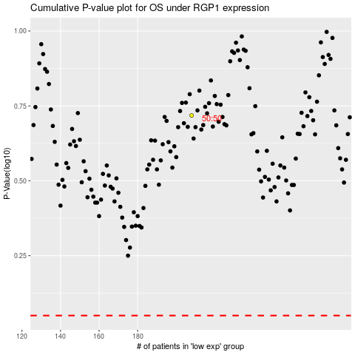

 |  |  |  |  |  | cases_OS | p_OS | rank | exp
 |  |  |  |  |  |  | cases_RFS | p_RFS | rank | exp

