RGPD1 _multivariate
Reported by Tex Li-Hsing Chi. tex@gate.sinica.edu.tw 2019-08-16

Table 2. The clinicopathological features of HNSCC cohort and RGPD1 expression. (Chi square test)
Cutoff at -0.239 (50.0%)
 |  | RGPD1 expression |  | RGPD1 expression |  | (Optimised)
 | Features | Low | (%) | High | (%) | Case no | P-value | Remark | Matthews
Gender | Female | 156 | 37.6 | 150 | 36.1 | 415 | 0.5222 | 0 | 0
2 | Male | 51 | 12.3 | 58 | 14
Age at diagnosis | <=65y | 144 | 34.7 | 130 | 31.3 | 415 | 0.1568 | 0 | 0
4 | >65y | 63 | 15.2 | 78 | 18.8
Clinical T Status | T1+T2 | 89 | 21.4 | 60 | 14.5 | 415 | 0.0037 | 1 | 0
6 | T3+T4 | 118 | 28.4 | 148 | 35.7
Clinical N Status | N0 | 104 | 25.1 | 112 | 27 | 415 | 0.5243 | 0 | 0
8 | N1-3 | 103 | 24.8 | 96 | 23.1
Clinical M Status | M0 | 204 | 49.2 | 208 | 50.1 | 415 | 0.1232 | 0 | 0
10 | M1 | 3 | 0.7 | 0 | 0
Clinical Stage | Stage I+II | 59 | 14.2 | 43 | 10.4 | 415 | 0.0822 | 0 | 0
12 | Stage III+IV | 148 | 35.7 | 165 | 39.8
Surgical Margin status | Negative | 161 | 38.8 | 157 | 37.8 | 415 | 0.6429 | 0 | 0
14 | Positive | 46 | 11.1 | 51 | 12.3
Tobacco Exposure | Low | 87 | 21 | 74 | 17.8 | 415 | 0.1911 | 0 | 0
16 | High | 120 | 28.9 | 134 | 32.3

Table 3. Univariate/Multivariate Cox's proportional hazards regression analyses on OS time of RGPD1 gene expression in HNSCC

 |  | Univariate |  |  |  | Multivariate
 | Features | HR | CI95%(L) | CI95%(H) | P-value | HR | CI95%(L) | CI95%(H) | P-value
1 | Female | 1 |  |  |  | 1
Gender | Male | 1.157 | 0.843 | 1.587 | 0.367 | 1.202 | 0.86 | 1.679 | 0.281
11 | <=65y | 1 |  |  |  | 1
Age at diagnosis | >65y | 1.329 | 0.99 | 1.784 | 0.058 | 1.391 | 1.022 | 1.892 | 0.036
12 | T1+T2 | 1 |  |  |  | 1
Clinical T Status | T3+T4 | 1.409 | 1.028 | 1.931 | 0.033 | 2.2 | 1.162 | 4.165 | 0.015
13 | N0 | 1 |  |  |  | 1
Clinical N Status | N1-3 | 1.185 | 0.89 | 1.577 | 0.246 | 1.241 | 0.87 | 1.773 | 0.234
14 | M0 | 1 |  |  |  | 1
Clinical M Status | M1 | 4.097 | 1.009 | 16.644 | 0.049 | 9.433 | 2.049 | 43.429 | 0.004
15 | Stage I+II | 1 |  |  |  | 1
Clinical Stage | Stage III+IV | 1.245 | 0.882 | 1.759 | 0.213 | 0.504 | 0.235 | 1.083 | 0.079
16 | Negative | 1 |  |  |  | 1
Surgical Margin status | Positive | 1.591 | 1.155 | 2.191 | 0.004 | 1.672 | 1.21 | 2.31 | 0.002
17 | Low | 1 |  |  |  | 1
Tobacco Exposure | High | 1.364 | 1.008 | 1.844 | 0.044 | 1.453 | 1.055 | 2.002 | 0.022
18 | Low | 1 |  |  |  | 1
RNAseq(z-score) | High | 1.033 | 0.775 | 1.376 | 0.826 | 1.007 | 0.752 | 1.349 | 0.962

Table 4. Univariate/Multivariate Cox's proportional hazards regression analyses on RFS time of RGPD1 gene expression in HNSCC

 |  | Univariate |  |  |  | Multivariate
 | Features | HR | CI95%(L) | CI95%(H) | P-value | HR | CI95%(L) | CI95%(H) | P-value
1 | Female | 1 |  |  |  | 1
Gender | Male | 1.157 | 0.843 | 1.587 | 0.367 | 1.202 | 0.86 | 1.679 | 0.281
11 | <=65y | 1 |  |  |  | 1
Age at diagnosis | >65y | 1.329 | 0.99 | 1.784 | 0.058 | 1.391 | 1.022 | 1.892 | 0.036
12 | T1+T2 | 1 |  |  |  | 1
Clinical T Status | T3+T4 | 1.409 | 1.028 | 1.931 | 0.033 | 2.2 | 1.162 | 4.165 | 0.015
13 | N0 | 1 |  |  |  | 1
Clinical N Status | N1-3 | 1.185 | 0.89 | 1.577 | 0.246 | 1.241 | 0.87 | 1.773 | 0.234
14 | M0 | 1 |  |  |  | 1
Clinical M Status | M1 | 4.097 | 1.009 | 16.644 | 0.049 | 9.433 | 2.049 | 43.429 | 0.004
15 | Stage I+II | 1 |  |  |  | 1
Clinical Stage | Stage III+IV | 1.245 | 0.882 | 1.759 | 0.213 | 0.504 | 0.235 | 1.083 | 0.079
16 | Negative | 1 |  |  |  | 1
Surgical Margin status | Positive | 1.591 | 1.155 | 2.191 | 0.004 | 1.672 | 1.21 | 2.31 | 0.002
17 | Low | 1 |  |  |  | 1
Tobacco Exposure | High | 1.364 | 1.008 | 1.844 | 0.044 | 1.453 | 1.055 | 2.002 | 0.022
18 | Low | 1 |  |  |  | 1
RNAseq(z-score) | High | 1.033 | 0.775 | 1.376 | 0.826 | 1.007 | 0.752 | 1.349 | 0.962

Kaplan-Meier survival estimate: Cutoff at -0.239 (50.0%)

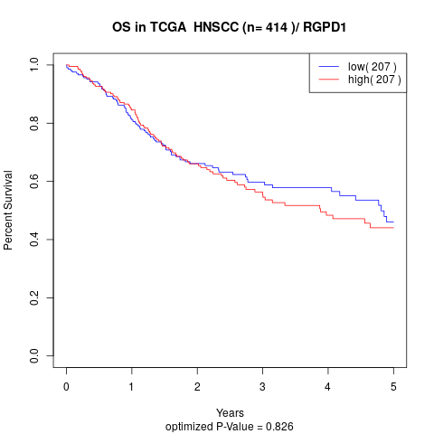

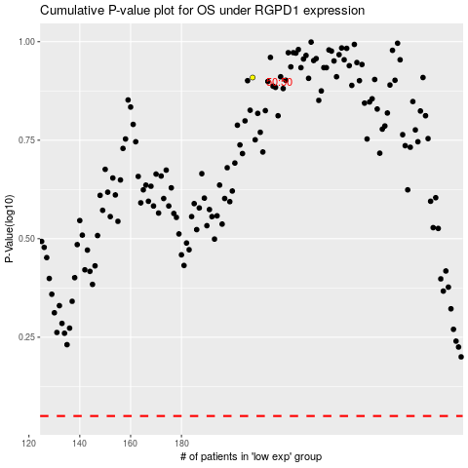

 |  |  |  |  |  | cases_OS | p_OS | rank | exp
 |  |  |  |  |  |  | cases_RFS | p_RFS | rank | exp

