RGPD3 _multivariate
Reported by Tex Li-Hsing Chi. tex@gate.sinica.edu.tw 2019-08-16

Table 2. The clinicopathological features of HNSCC cohort and RGPD3 expression. (Chi square test)
Cutoff at -0.028 (49.5%)
 |  | RGPD3 expression |  | RGPD3 expression |  | (Optimised)
 | Features | Low | (%) | High | (%) | Case no | P-value | Remark | Matthews
Gender | Female | 150 | 36.1 | 156 | 37.6 | 415 | 0.7558 | 0 | 0
2 | Male | 56 | 13.5 | 53 | 12.8
Age at diagnosis | <=65y | 135 | 32.5 | 139 | 33.5 | 415 | 0.9159 | 0 | 0
4 | >65y | 71 | 17.1 | 70 | 16.9
Clinical T Status | T1+T2 | 76 | 18.3 | 73 | 17.6 | 415 | 0.7529 | 0 | 0
6 | T3+T4 | 130 | 31.3 | 136 | 32.8
Clinical N Status | N0 | 106 | 25.5 | 110 | 26.5 | 415 | 0.8876 | 0 | 0
8 | N1-3 | 100 | 24.1 | 99 | 23.9
Clinical M Status | M0 | 203 | 48.9 | 209 | 50.4 | 415 | 0.1214 | 0 | 0
10 | M1 | 3 | 0.7 | 0 | 0
Clinical Stage | Stage I+II | 52 | 12.5 | 50 | 12 | 415 | 0.843 | 0 | 0
12 | Stage III+IV | 154 | 37.1 | 159 | 38.3
Surgical Margin status | Negative | 158 | 38.1 | 160 | 38.6 | 415 | 1 | 0 | 0
14 | Positive | 48 | 11.6 | 49 | 11.8
Tobacco Exposure | Low | 84 | 20.2 | 77 | 18.6 | 415 | 0.422 | 0 | 0
16 | High | 122 | 29.4 | 132 | 31.8

Table 3. Univariate/Multivariate Cox's proportional hazards regression analyses on OS time of RGPD3 gene expression in HNSCC

 |  | Univariate |  |  |  | Multivariate
 | Features | HR | CI95%(L) | CI95%(H) | P-value | HR | CI95%(L) | CI95%(H) | P-value
1 | Female | 1 |  |  |  | 1
Gender | Male | 1.157 | 0.843 | 1.587 | 0.367 | 1.204 | 0.861 | 1.682 | 0.278
11 | <=65y | 1 |  |  |  | 1
Age at diagnosis | >65y | 1.329 | 0.99 | 1.784 | 0.058 | 1.39 | 1.023 | 1.891 | 0.035
12 | T1+T2 | 1 |  |  |  | 1
Clinical T Status | T3+T4 | 1.409 | 1.028 | 1.931 | 0.033 | 2.202 | 1.164 | 4.163 | 0.015
13 | N0 | 1 |  |  |  | 1
Clinical N Status | N1-3 | 1.185 | 0.89 | 1.577 | 0.246 | 1.242 | 0.87 | 1.772 | 0.233
14 | M0 | 1 |  |  |  | 1
Clinical M Status | M1 | 4.097 | 1.009 | 16.644 | 0.049 | 9.553 | 2.069 | 44.118 | 0.004
15 | Stage I+II | 1 |  |  |  | 1
Clinical Stage | Stage III+IV | 1.245 | 0.882 | 1.759 | 0.213 | 0.504 | 0.235 | 1.082 | 0.079
16 | Negative | 1 |  |  |  | 1
Surgical Margin status | Positive | 1.591 | 1.155 | 2.191 | 0.004 | 1.677 | 1.212 | 2.32 | 0.002
17 | Low | 1 |  |  |  | 1
Tobacco Exposure | High | 1.364 | 1.008 | 1.844 | 0.044 | 1.453 | 1.055 | 2.003 | 0.022
18 | Low | 1 |  |  |  | 1
RNAseq(z-score) | High | 0.97 | 0.728 | 1.292 | 0.835 | 1.03 | 0.77 | 1.378 | 0.84

Table 4. Univariate/Multivariate Cox's proportional hazards regression analyses on RFS time of RGPD3 gene expression in HNSCC

 |  | Univariate |  |  |  | Multivariate
 | Features | HR | CI95%(L) | CI95%(H) | P-value | HR | CI95%(L) | CI95%(H) | P-value
1 | Female | 1 |  |  |  | 1
Gender | Male | 1.157 | 0.843 | 1.587 | 0.367 | 1.204 | 0.861 | 1.682 | 0.278
11 | <=65y | 1 |  |  |  | 1
Age at diagnosis | >65y | 1.329 | 0.99 | 1.784 | 0.058 | 1.39 | 1.023 | 1.891 | 0.035
12 | T1+T2 | 1 |  |  |  | 1
Clinical T Status | T3+T4 | 1.409 | 1.028 | 1.931 | 0.033 | 2.202 | 1.164 | 4.163 | 0.015
13 | N0 | 1 |  |  |  | 1
Clinical N Status | N1-3 | 1.185 | 0.89 | 1.577 | 0.246 | 1.242 | 0.87 | 1.772 | 0.233
14 | M0 | 1 |  |  |  | 1
Clinical M Status | M1 | 4.097 | 1.009 | 16.644 | 0.049 | 9.553 | 2.069 | 44.118 | 0.004
15 | Stage I+II | 1 |  |  |  | 1
Clinical Stage | Stage III+IV | 1.245 | 0.882 | 1.759 | 0.213 | 0.504 | 0.235 | 1.082 | 0.079
16 | Negative | 1 |  |  |  | 1
Surgical Margin status | Positive | 1.591 | 1.155 | 2.191 | 0.004 | 1.677 | 1.212 | 2.32 | 0.002
17 | Low | 1 |  |  |  | 1
Tobacco Exposure | High | 1.364 | 1.008 | 1.844 | 0.044 | 1.453 | 1.055 | 2.003 | 0.022
18 | Low | 1 |  |  |  | 1
RNAseq(z-score) | High | 0.97 | 0.728 | 1.292 | 0.835 | 1.03 | 0.77 | 1.378 | 0.84

Kaplan-Meier survival estimate: Cutoff at -0.028 (49.5%)



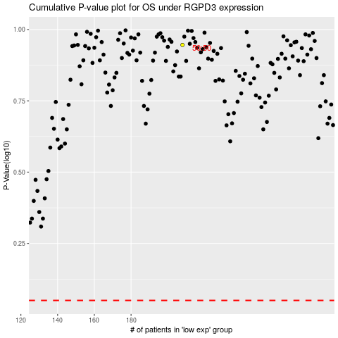

 |  |  |  |  |  | cases_OS | p_OS | rank | exp
 |  |  |  |  |  |  | cases_RFS | p_RFS | rank | exp

