RGS11 _multivariate
Reported by Tex Li-Hsing Chi. tex@gate.sinica.edu.tw 2019-08-16

Table 2. The clinicopathological features of HNSCC cohort and RGS11 expression. (Chi square test)
Cutoff at -0.226 (50.0%)
 |  | RGS11 expression |  | RGS11 expression |  | (Optimised)
 | Features | Low | (%) | High | (%) | Case no | P-value | Remark | Matthews
Gender | Female | 150 | 36.1 | 156 | 37.6 | 415 | 0.6344 | 0 | 0
2 | Male | 57 | 13.7 | 52 | 12.5
Age at diagnosis | <=65y | 144 | 34.7 | 130 | 31.3 | 415 | 0.1568 | 0 | 0
4 | >65y | 63 | 15.2 | 78 | 18.8
Clinical T Status | T1+T2 | 73 | 17.6 | 76 | 18.3 | 415 | 0.8666 | 0 | 0
6 | T3+T4 | 134 | 32.3 | 132 | 31.8
Clinical N Status | N0 | 98 | 23.6 | 118 | 28.4 | 415 | 0.0694 | 0 | 0
8 | N1-3 | 109 | 26.3 | 90 | 21.7
Clinical M Status | M0 | 204 | 49.2 | 208 | 50.1 | 415 | 0.1232 | 0 | 0
10 | M1 | 3 | 0.7 | 0 | 0
Clinical Stage | Stage I+II | 44 | 10.6 | 58 | 14 | 415 | 0.1459 | 0 | 0
12 | Stage III+IV | 163 | 39.3 | 150 | 36.1
Surgical Margin status | Negative | 161 | 38.8 | 157 | 37.8 | 415 | 0.6429 | 0 | 0
14 | Positive | 46 | 11.1 | 51 | 12.3
Tobacco Exposure | Low | 88 | 21.2 | 73 | 17.6 | 415 | 0.1314 | 0 | 0
16 | High | 119 | 28.7 | 135 | 32.5

Table 3. Univariate/Multivariate Cox's proportional hazards regression analyses on OS time of RGS11 gene expression in HNSCC

 |  | Univariate |  |  |  | Multivariate
 | Features | HR | CI95%(L) | CI95%(H) | P-value | HR | CI95%(L) | CI95%(H) | P-value
1 | Female | 1 |  |  |  | 1
Gender | Male | 1.157 | 0.843 | 1.587 | 0.367 | 1.201 | 0.86 | 1.678 | 0.283
11 | <=65y | 1 |  |  |  | 1
Age at diagnosis | >65y | 1.329 | 0.99 | 1.784 | 0.058 | 1.388 | 1.018 | 1.892 | 0.038
12 | T1+T2 | 1 |  |  |  | 1
Clinical T Status | T3+T4 | 1.409 | 1.028 | 1.931 | 0.033 | 2.196 | 1.16 | 4.158 | 0.016
13 | N0 | 1 |  |  |  | 1
Clinical N Status | N1-3 | 1.185 | 0.89 | 1.577 | 0.246 | 1.241 | 0.87 | 1.771 | 0.234
14 | M0 | 1 |  |  |  | 1
Clinical M Status | M1 | 4.097 | 1.009 | 16.644 | 0.049 | 9.466 | 2.059 | 43.521 | 0.004
15 | Stage I+II | 1 |  |  |  | 1
Clinical Stage | Stage III+IV | 1.245 | 0.882 | 1.759 | 0.213 | 0.506 | 0.235 | 1.089 | 0.082
16 | Negative | 1 |  |  |  | 1
Surgical Margin status | Positive | 1.591 | 1.155 | 2.191 | 0.004 | 1.666 | 1.2 | 2.311 | 0.002
17 | Low | 1 |  |  |  | 1
Tobacco Exposure | High | 1.364 | 1.008 | 1.844 | 0.044 | 1.449 | 1.05 | 2.001 | 0.024
18 | Low | 1 |  |  |  | 1
RNAseq(z-score) | High | 1.145 | 0.859 | 1.528 | 0.356 | 1.02 | 0.757 | 1.375 | 0.896

Table 4. Univariate/Multivariate Cox's proportional hazards regression analyses on RFS time of RGS11 gene expression in HNSCC

 |  | Univariate |  |  |  | Multivariate
 | Features | HR | CI95%(L) | CI95%(H) | P-value | HR | CI95%(L) | CI95%(H) | P-value
1 | Female | 1 |  |  |  | 1
Gender | Male | 1.157 | 0.843 | 1.587 | 0.367 | 1.201 | 0.86 | 1.678 | 0.283
11 | <=65y | 1 |  |  |  | 1
Age at diagnosis | >65y | 1.329 | 0.99 | 1.784 | 0.058 | 1.388 | 1.018 | 1.892 | 0.038
12 | T1+T2 | 1 |  |  |  | 1
Clinical T Status | T3+T4 | 1.409 | 1.028 | 1.931 | 0.033 | 2.196 | 1.16 | 4.158 | 0.016
13 | N0 | 1 |  |  |  | 1
Clinical N Status | N1-3 | 1.185 | 0.89 | 1.577 | 0.246 | 1.241 | 0.87 | 1.771 | 0.234
14 | M0 | 1 |  |  |  | 1
Clinical M Status | M1 | 4.097 | 1.009 | 16.644 | 0.049 | 9.466 | 2.059 | 43.521 | 0.004
15 | Stage I+II | 1 |  |  |  | 1
Clinical Stage | Stage III+IV | 1.245 | 0.882 | 1.759 | 0.213 | 0.506 | 0.235 | 1.089 | 0.082
16 | Negative | 1 |  |  |  | 1
Surgical Margin status | Positive | 1.591 | 1.155 | 2.191 | 0.004 | 1.666 | 1.2 | 2.311 | 0.002
17 | Low | 1 |  |  |  | 1
Tobacco Exposure | High | 1.364 | 1.008 | 1.844 | 0.044 | 1.449 | 1.05 | 2.001 | 0.024
18 | Low | 1 |  |  |  | 1
RNAseq(z-score) | High | 1.145 | 0.859 | 1.528 | 0.356 | 1.02 | 0.757 | 1.375 | 0.896

Kaplan-Meier survival estimate: Cutoff at -0.226 (50.0%)

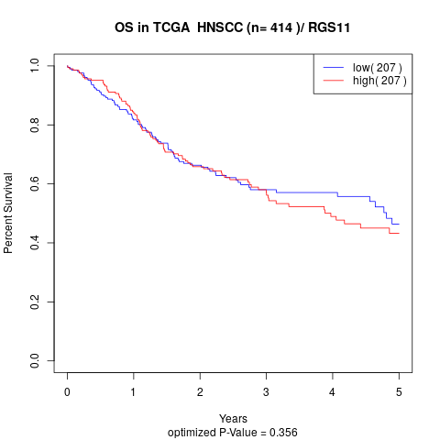

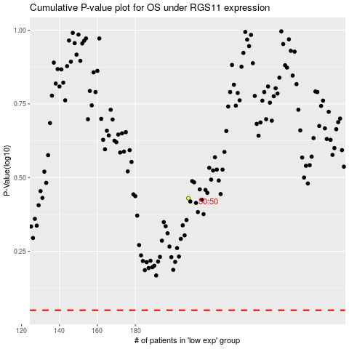

 |  |  |  |  |  | cases_OS | p_OS | rank | exp
 |  |  |  |  |  |  | cases_RFS | p_RFS | rank | exp

