RGS14 _multivariate
Reported by Tex Li-Hsing Chi. tex@gate.sinica.edu.tw 2019-08-16

Table 2. The clinicopathological features of HNSCC cohort and RGS14 expression. (Chi square test)
Cutoff at -0.321 (49.8%)
 |  | RGS14 expression |  | RGS14 expression |  | (Optimised)
 | Features | Low | (%) | High | (%) | Case no | P-value | Remark | Matthews
Gender | Female | 156 | 37.6 | 150 | 36.1 | 415 | 0.5222 | 0 | 0
2 | Male | 51 | 12.3 | 58 | 14
Age at diagnosis | <=65y | 132 | 31.8 | 142 | 34.2 | 415 | 0.3874 | 0 | 0
4 | >65y | 75 | 18.1 | 66 | 15.9
Clinical T Status | T1+T2 | 65 | 15.7 | 84 | 20.2 | 415 | 0.0711 | 0 | 0
6 | T3+T4 | 142 | 34.2 | 124 | 29.9
Clinical N Status | N0 | 103 | 24.8 | 113 | 27.2 | 415 | 0.4047 | 0 | 0
8 | N1-3 | 104 | 25.1 | 95 | 22.9
Clinical M Status | M0 | 206 | 49.6 | 206 | 49.6 | 415 | 1 | 0 | 0
10 | M1 | 1 | 0.2 | 2 | 0.5
Clinical Stage | Stage I+II | 49 | 11.8 | 53 | 12.8 | 415 | 0.7535 | 0 | 0
12 | Stage III+IV | 158 | 38.1 | 155 | 37.3
Surgical Margin status | Negative | 168 | 40.5 | 150 | 36.1 | 415 | 0.0366 | 1 | 0
14 | Positive | 39 | 9.4 | 58 | 14
Tobacco Exposure | Low | 67 | 16.1 | 94 | 22.7 | 415 | 0.0088 | 1 | 0
16 | High | 140 | 33.7 | 114 | 27.5

Table 3. Univariate/Multivariate Cox's proportional hazards regression analyses on OS time of RGS14 gene expression in HNSCC

 |  | Univariate |  |  |  | Multivariate
 | Features | HR | CI95%(L) | CI95%(H) | P-value | HR | CI95%(L) | CI95%(H) | P-value
1 | Female | 1 |  |  |  | 1
Gender | Male | 1.157 | 0.843 | 1.587 | 0.367 | 1.206 | 0.863 | 1.686 | 0.273
11 | <=65y | 1 |  |  |  | 1
Age at diagnosis | >65y | 1.329 | 0.99 | 1.784 | 0.058 | 1.384 | 1.017 | 1.884 | 0.038
12 | T1+T2 | 1 |  |  |  | 1
Clinical T Status | T3+T4 | 1.409 | 1.028 | 1.931 | 0.033 | 2.189 | 1.157 | 4.143 | 0.016
13 | N0 | 1 |  |  |  | 1
Clinical N Status | N1-3 | 1.185 | 0.89 | 1.577 | 0.246 | 1.237 | 0.866 | 1.766 | 0.242
14 | M0 | 1 |  |  |  | 1
Clinical M Status | M1 | 4.097 | 1.009 | 16.644 | 0.049 | 9.421 | 2.055 | 43.192 | 0.004
15 | Stage I+II | 1 |  |  |  | 1
Clinical Stage | Stage III+IV | 1.245 | 0.882 | 1.759 | 0.213 | 0.507 | 0.236 | 1.09 | 0.082
16 | Negative | 1 |  |  |  | 1
Surgical Margin status | Positive | 1.591 | 1.155 | 2.191 | 0.004 | 1.695 | 1.217 | 2.361 | 0.002
17 | Low | 1 |  |  |  | 1
Tobacco Exposure | High | 1.364 | 1.008 | 1.844 | 0.044 | 1.442 | 1.044 | 1.991 | 0.026
18 | Low | 1 |  |  |  | 1
RNAseq(z-score) | High | 0.94 | 0.705 | 1.254 | 0.676 | 0.943 | 0.699 | 1.273 | 0.703

Table 4. Univariate/Multivariate Cox's proportional hazards regression analyses on RFS time of RGS14 gene expression in HNSCC

 |  | Univariate |  |  |  | Multivariate
 | Features | HR | CI95%(L) | CI95%(H) | P-value | HR | CI95%(L) | CI95%(H) | P-value
1 | Female | 1 |  |  |  | 1
Gender | Male | 1.157 | 0.843 | 1.587 | 0.367 | 1.206 | 0.863 | 1.686 | 0.273
11 | <=65y | 1 |  |  |  | 1
Age at diagnosis | >65y | 1.329 | 0.99 | 1.784 | 0.058 | 1.384 | 1.017 | 1.884 | 0.038
12 | T1+T2 | 1 |  |  |  | 1
Clinical T Status | T3+T4 | 1.409 | 1.028 | 1.931 | 0.033 | 2.189 | 1.157 | 4.143 | 0.016
13 | N0 | 1 |  |  |  | 1
Clinical N Status | N1-3 | 1.185 | 0.89 | 1.577 | 0.246 | 1.237 | 0.866 | 1.766 | 0.242
14 | M0 | 1 |  |  |  | 1
Clinical M Status | M1 | 4.097 | 1.009 | 16.644 | 0.049 | 9.421 | 2.055 | 43.192 | 0.004
15 | Stage I+II | 1 |  |  |  | 1
Clinical Stage | Stage III+IV | 1.245 | 0.882 | 1.759 | 0.213 | 0.507 | 0.236 | 1.09 | 0.082
16 | Negative | 1 |  |  |  | 1
Surgical Margin status | Positive | 1.591 | 1.155 | 2.191 | 0.004 | 1.695 | 1.217 | 2.361 | 0.002
17 | Low | 1 |  |  |  | 1
Tobacco Exposure | High | 1.364 | 1.008 | 1.844 | 0.044 | 1.442 | 1.044 | 1.991 | 0.026
18 | Low | 1 |  |  |  | 1
RNAseq(z-score) | High | 0.94 | 0.705 | 1.254 | 0.676 | 0.943 | 0.699 | 1.273 | 0.703

Kaplan-Meier survival estimate: Cutoff at -0.321 (49.8%)



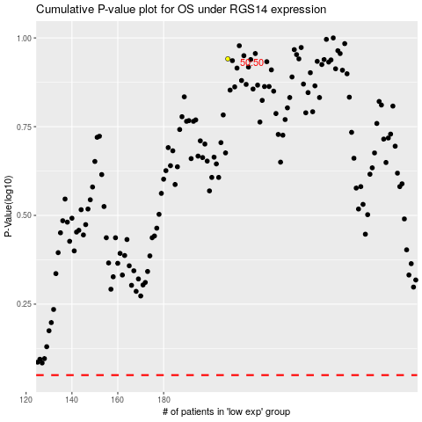

 |  |  |  |  |  | cases_OS | p_OS | rank | exp
 |  |  |  |  |  |  | cases_RFS | p_RFS | rank | exp

