RGS18 _multivariate
Reported by Tex Li-Hsing Chi. tex@gate.sinica.edu.tw 2019-08-16

Table 2. The clinicopathological features of HNSCC cohort and RGS18 expression. (Chi square test)
Cutoff at -0.312 (49.8%)
 |  | RGS18 expression |  | RGS18 expression |  | (Optimised)
 | Features | Low | (%) | High | (%) | Case no | P-value | Remark | Matthews
Gender | Female | 166 | 40 | 140 | 33.7 | 415 | 0.0041 | 1 | 0
2 | Male | 41 | 9.9 | 68 | 16.4
Age at diagnosis | <=65y | 138 | 33.3 | 136 | 32.8 | 415 | 0.8634 | 0 | 0
4 | >65y | 69 | 16.6 | 72 | 17.3
Clinical T Status | T1+T2 | 67 | 16.1 | 82 | 19.8 | 415 | 0.1628 | 0 | 0
6 | T3+T4 | 140 | 33.7 | 126 | 30.4
Clinical N Status | N0 | 117 | 28.2 | 99 | 23.9 | 415 | 0.0852 | 1 | 0
8 | N1-3 | 90 | 21.7 | 109 | 26.3
Clinical M Status | M0 | 205 | 49.4 | 207 | 49.9 | 415 | 0.6232 | 0 | 0
10 | M1 | 2 | 0.5 | 1 | 0.2
Clinical Stage | Stage I+II | 49 | 11.8 | 53 | 12.8 | 415 | 0.7535 | 0 | 0
12 | Stage III+IV | 158 | 38.1 | 155 | 37.3
Surgical Margin status | Negative | 161 | 38.8 | 157 | 37.8 | 415 | 0.6429 | 0 | 0
14 | Positive | 46 | 11.1 | 51 | 12.3
Tobacco Exposure | Low | 69 | 16.6 | 92 | 22.2 | 415 | 0.0266 | 1 | 0
16 | High | 138 | 33.3 | 116 | 28

Table 3. Univariate/Multivariate Cox's proportional hazards regression analyses on OS time of RGS18 gene expression in HNSCC

 |  | Univariate |  |  |  | Multivariate
 | Features | HR | CI95%(L) | CI95%(H) | P-value | HR | CI95%(L) | CI95%(H) | P-value
1 | Female | 1 |  |  |  | 1
Gender | Male | 1.157 | 0.843 | 1.587 | 0.367 | 1.201 | 0.858 | 1.681 | 0.285
11 | <=65y | 1 |  |  |  | 1
Age at diagnosis | >65y | 1.329 | 0.99 | 1.784 | 0.058 | 1.392 | 1.024 | 1.892 | 0.035
12 | T1+T2 | 1 |  |  |  | 1
Clinical T Status | T3+T4 | 1.409 | 1.028 | 1.931 | 0.033 | 2.203 | 1.164 | 4.169 | 0.015
13 | N0 | 1 |  |  |  | 1
Clinical N Status | N1-3 | 1.185 | 0.89 | 1.577 | 0.246 | 1.241 | 0.868 | 1.772 | 0.236
14 | M0 | 1 |  |  |  | 1
Clinical M Status | M1 | 4.097 | 1.009 | 16.644 | 0.049 | 9.411 | 2.05 | 43.209 | 0.004
15 | Stage I+II | 1 |  |  |  | 1
Clinical Stage | Stage III+IV | 1.245 | 0.882 | 1.759 | 0.213 | 0.505 | 0.235 | 1.083 | 0.079
16 | Negative | 1 |  |  |  | 1
Surgical Margin status | Positive | 1.591 | 1.155 | 2.191 | 0.004 | 1.671 | 1.209 | 2.31 | 0.002
17 | Low | 1 |  |  |  | 1
Tobacco Exposure | High | 1.364 | 1.008 | 1.844 | 0.044 | 1.453 | 1.051 | 2.01 | 0.024
18 | Low | 1 |  |  |  | 1
RNAseq(z-score) | High | 0.96 | 0.721 | 1.28 | 0.782 | 1.002 | 0.745 | 1.347 | 0.99

Table 4. Univariate/Multivariate Cox's proportional hazards regression analyses on RFS time of RGS18 gene expression in HNSCC

 |  | Univariate |  |  |  | Multivariate
 | Features | HR | CI95%(L) | CI95%(H) | P-value | HR | CI95%(L) | CI95%(H) | P-value
1 | Female | 1 |  |  |  | 1
Gender | Male | 1.157 | 0.843 | 1.587 | 0.367 | 1.201 | 0.858 | 1.681 | 0.285
11 | <=65y | 1 |  |  |  | 1
Age at diagnosis | >65y | 1.329 | 0.99 | 1.784 | 0.058 | 1.392 | 1.024 | 1.892 | 0.035
12 | T1+T2 | 1 |  |  |  | 1
Clinical T Status | T3+T4 | 1.409 | 1.028 | 1.931 | 0.033 | 2.203 | 1.164 | 4.169 | 0.015
13 | N0 | 1 |  |  |  | 1
Clinical N Status | N1-3 | 1.185 | 0.89 | 1.577 | 0.246 | 1.241 | 0.868 | 1.772 | 0.236
14 | M0 | 1 |  |  |  | 1
Clinical M Status | M1 | 4.097 | 1.009 | 16.644 | 0.049 | 9.411 | 2.05 | 43.209 | 0.004
15 | Stage I+II | 1 |  |  |  | 1
Clinical Stage | Stage III+IV | 1.245 | 0.882 | 1.759 | 0.213 | 0.505 | 0.235 | 1.083 | 0.079
16 | Negative | 1 |  |  |  | 1
Surgical Margin status | Positive | 1.591 | 1.155 | 2.191 | 0.004 | 1.671 | 1.209 | 2.31 | 0.002
17 | Low | 1 |  |  |  | 1
Tobacco Exposure | High | 1.364 | 1.008 | 1.844 | 0.044 | 1.453 | 1.051 | 2.01 | 0.024
18 | Low | 1 |  |  |  | 1
RNAseq(z-score) | High | 0.96 | 0.721 | 1.28 | 0.782 | 1.002 | 0.745 | 1.347 | 0.99

Kaplan-Meier survival estimate: Cutoff at -0.312 (49.8%)



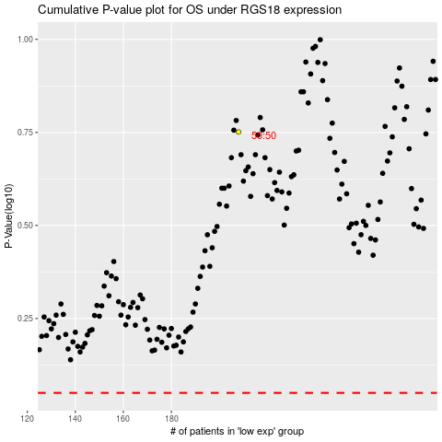

 |  |  |  |  |  | cases_OS | p_OS | rank | exp
 |  |  |  |  |  |  | cases_RFS | p_RFS | rank | exp

