RGS2 _multivariate
Reported by Tex Li-Hsing Chi. tex@gate.sinica.edu.tw 2019-08-16

Table 2. The clinicopathological features of HNSCC cohort and RGS2 expression. (Chi square test)
Cutoff at -0.239 (50.0%)
 |  | RGS2 expression |  | RGS2 expression |  | (Optimised)
 | Features | Low | (%) | High | (%) | Case no | P-value | Remark | Matthews
Gender | Female | 154 | 37.1 | 152 | 36.6 | 415 | 0.8463 | 0 | 0
2 | Male | 53 | 12.8 | 56 | 13.5
Age at diagnosis | <=65y | 137 | 33 | 137 | 33 | 415 | 1 | 0 | 0
4 | >65y | 70 | 16.9 | 71 | 17.1
Clinical T Status | T1+T2 | 88 | 21.2 | 61 | 14.7 | 415 | 0.007 | 1 | 0
6 | T3+T4 | 119 | 28.7 | 147 | 35.4
Clinical N Status | N0 | 105 | 25.3 | 111 | 26.7 | 415 | 0.6598 | 0 | 0
8 | N1-3 | 102 | 24.6 | 97 | 23.4
Clinical M Status | M0 | 204 | 49.2 | 208 | 50.1 | 415 | 0.1232 | 0 | 0
10 | M1 | 3 | 0.7 | 0 | 0
Clinical Stage | Stage I+II | 62 | 14.9 | 40 | 9.6 | 415 | 0.0154 | 1 | 0
12 | Stage III+IV | 145 | 34.9 | 168 | 40.5
Surgical Margin status | Negative | 163 | 39.3 | 155 | 37.3 | 415 | 0.3537 | 0 | 0
14 | Positive | 44 | 10.6 | 53 | 12.8
Tobacco Exposure | Low | 79 | 19 | 82 | 19.8 | 415 | 0.8405 | 0 | 0
16 | High | 128 | 30.8 | 126 | 30.4

Table 3. Univariate/Multivariate Cox's proportional hazards regression analyses on OS time of RGS2 gene expression in HNSCC

 |  | Univariate |  |  |  | Multivariate
 | Features | HR | CI95%(L) | CI95%(H) | P-value | HR | CI95%(L) | CI95%(H) | P-value
1 | Female | 1 |  |  |  | 1
Gender | Male | 1.157 | 0.843 | 1.587 | 0.367 | 1.202 | 0.86 | 1.679 | 0.282
11 | <=65y | 1 |  |  |  | 1
Age at diagnosis | >65y | 1.329 | 0.99 | 1.784 | 0.058 | 1.392 | 1.024 | 1.892 | 0.035
12 | T1+T2 | 1 |  |  |  | 1
Clinical T Status | T3+T4 | 1.409 | 1.028 | 1.931 | 0.033 | 2.202 | 1.164 | 4.165 | 0.015
13 | N0 | 1 |  |  |  | 1
Clinical N Status | N1-3 | 1.185 | 0.89 | 1.577 | 0.246 | 1.241 | 0.869 | 1.773 | 0.235
14 | M0 | 1 |  |  |  | 1
Clinical M Status | M1 | 4.097 | 1.009 | 16.644 | 0.049 | 9.414 | 2.044 | 43.347 | 0.004
15 | Stage I+II | 1 |  |  |  | 1
Clinical Stage | Stage III+IV | 1.245 | 0.882 | 1.759 | 0.213 | 0.504 | 0.235 | 1.084 | 0.079
16 | Negative | 1 |  |  |  | 1
Surgical Margin status | Positive | 1.591 | 1.155 | 2.191 | 0.004 | 1.671 | 1.204 | 2.319 | 0.002
17 | Low | 1 |  |  |  | 1
Tobacco Exposure | High | 1.364 | 1.008 | 1.844 | 0.044 | 1.453 | 1.054 | 2.003 | 0.022
18 | Low | 1 |  |  |  | 1
RNAseq(z-score) | High | 1.059 | 0.794 | 1.413 | 0.696 | 1.002 | 0.744 | 1.349 | 0.99

Table 4. Univariate/Multivariate Cox's proportional hazards regression analyses on RFS time of RGS2 gene expression in HNSCC

 |  | Univariate |  |  |  | Multivariate
 | Features | HR | CI95%(L) | CI95%(H) | P-value | HR | CI95%(L) | CI95%(H) | P-value
1 | Female | 1 |  |  |  | 1
Gender | Male | 1.157 | 0.843 | 1.587 | 0.367 | 1.202 | 0.86 | 1.679 | 0.282
11 | <=65y | 1 |  |  |  | 1
Age at diagnosis | >65y | 1.329 | 0.99 | 1.784 | 0.058 | 1.392 | 1.024 | 1.892 | 0.035
12 | T1+T2 | 1 |  |  |  | 1
Clinical T Status | T3+T4 | 1.409 | 1.028 | 1.931 | 0.033 | 2.202 | 1.164 | 4.165 | 0.015
13 | N0 | 1 |  |  |  | 1
Clinical N Status | N1-3 | 1.185 | 0.89 | 1.577 | 0.246 | 1.241 | 0.869 | 1.773 | 0.235
14 | M0 | 1 |  |  |  | 1
Clinical M Status | M1 | 4.097 | 1.009 | 16.644 | 0.049 | 9.414 | 2.044 | 43.347 | 0.004
15 | Stage I+II | 1 |  |  |  | 1
Clinical Stage | Stage III+IV | 1.245 | 0.882 | 1.759 | 0.213 | 0.504 | 0.235 | 1.084 | 0.079
16 | Negative | 1 |  |  |  | 1
Surgical Margin status | Positive | 1.591 | 1.155 | 2.191 | 0.004 | 1.671 | 1.204 | 2.319 | 0.002
17 | Low | 1 |  |  |  | 1
Tobacco Exposure | High | 1.364 | 1.008 | 1.844 | 0.044 | 1.453 | 1.054 | 2.003 | 0.022
18 | Low | 1 |  |  |  | 1
RNAseq(z-score) | High | 1.059 | 0.794 | 1.413 | 0.696 | 1.002 | 0.744 | 1.349 | 0.99

Kaplan-Meier survival estimate: Cutoff at -0.239 (50.0%)



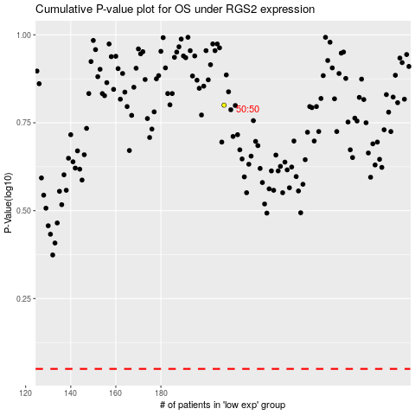

 |  |  |  |  |  | cases_OS | p_OS | rank | exp
 |  |  |  |  |  |  | cases_RFS | p_RFS | rank | exp

