RGS22 _multivariate
Reported by Tex Li-Hsing Chi. tex@gate.sinica.edu.tw 2019-08-16

Table 2. The clinicopathological features of HNSCC cohort and RGS22 expression. (Chi square test)
Cutoff at -0.134 (49.8%)
 |  | RGS22 expression |  | RGS22 expression |  | (Optimised)
 | Features | Low | (%) | High | (%) | Case no | P-value | Remark | Matthews
Gender | Female | 150 | 36.1 | 156 | 37.6 | 415 | 0.6344 | 0 | 0
2 | Male | 57 | 13.7 | 52 | 12.5
Age at diagnosis | <=65y | 142 | 34.2 | 132 | 31.8 | 415 | 0.3167 | 0 | 0
4 | >65y | 65 | 15.7 | 76 | 18.3
Clinical T Status | T1+T2 | 82 | 19.8 | 67 | 16.1 | 415 | 0.1417 | 0 | 0
6 | T3+T4 | 125 | 30.1 | 141 | 34
Clinical N Status | N0 | 110 | 26.5 | 106 | 25.5 | 415 | 0.7294 | 0 | 0
8 | N1-3 | 97 | 23.4 | 102 | 24.6
Clinical M Status | M0 | 204 | 49.2 | 208 | 50.1 | 415 | 0.1232 | 0 | 0
10 | M1 | 3 | 0.7 | 0 | 0
Clinical Stage | Stage I+II | 57 | 13.7 | 45 | 10.8 | 415 | 0.1998 | 0 | 0
12 | Stage III+IV | 150 | 36.1 | 163 | 39.3
Surgical Margin status | Negative | 158 | 38.1 | 160 | 38.6 | 415 | 0.9081 | 0 | 0
14 | Positive | 49 | 11.8 | 48 | 11.6
Tobacco Exposure | Low | 88 | 21.2 | 73 | 17.6 | 415 | 0.1314 | 0 | 0
16 | High | 119 | 28.7 | 135 | 32.5

Table 3. Univariate/Multivariate Cox's proportional hazards regression analyses on OS time of RGS22 gene expression in HNSCC

 |  | Univariate |  |  |  | Multivariate
 | Features | HR | CI95%(L) | CI95%(H) | P-value | HR | CI95%(L) | CI95%(H) | P-value
1 | Female | 1 |  |  |  | 1
Gender | Male | 1.157 | 0.843 | 1.587 | 0.367 | 1.164 | 0.83 | 1.632 | 0.379
11 | <=65y | 1 |  |  |  | 1
Age at diagnosis | >65y | 1.329 | 0.99 | 1.784 | 0.058 | 1.426 | 1.047 | 1.941 | 0.024
12 | T1+T2 | 1 |  |  |  | 1
Clinical T Status | T3+T4 | 1.409 | 1.028 | 1.931 | 0.033 | 2.25 | 1.19 | 4.256 | 0.013
13 | N0 | 1 |  |  |  | 1
Clinical N Status | N1-3 | 1.185 | 0.89 | 1.577 | 0.246 | 1.265 | 0.886 | 1.805 | 0.195
14 | M0 | 1 |  |  |  | 1
Clinical M Status | M1 | 4.097 | 1.009 | 16.644 | 0.049 | 8.487 | 1.842 | 39.117 | 0.006
15 | Stage I+II | 1 |  |  |  | 1
Clinical Stage | Stage III+IV | 1.245 | 0.882 | 1.759 | 0.213 | 0.499 | 0.232 | 1.07 | 0.074
16 | Negative | 1 |  |  |  | 1
Surgical Margin status | Positive | 1.591 | 1.155 | 2.191 | 0.004 | 1.664 | 1.205 | 2.299 | 0.002
17 | Low | 1 |  |  |  | 1
Tobacco Exposure | High | 1.364 | 1.008 | 1.844 | 0.044 | 1.474 | 1.068 | 2.034 | 0.018
18 | Low | 1 |  |  |  | 1
RNAseq(z-score) | High | 0.849 | 0.637 | 1.131 | 0.263 | 0.802 | 0.597 | 1.077 | 0.143

Table 4. Univariate/Multivariate Cox's proportional hazards regression analyses on RFS time of RGS22 gene expression in HNSCC

 |  | Univariate |  |  |  | Multivariate
 | Features | HR | CI95%(L) | CI95%(H) | P-value | HR | CI95%(L) | CI95%(H) | P-value
1 | Female | 1 |  |  |  | 1
Gender | Male | 1.157 | 0.843 | 1.587 | 0.367 | 1.164 | 0.83 | 1.632 | 0.379
11 | <=65y | 1 |  |  |  | 1
Age at diagnosis | >65y | 1.329 | 0.99 | 1.784 | 0.058 | 1.426 | 1.047 | 1.941 | 0.024
12 | T1+T2 | 1 |  |  |  | 1
Clinical T Status | T3+T4 | 1.409 | 1.028 | 1.931 | 0.033 | 2.25 | 1.19 | 4.256 | 0.013
13 | N0 | 1 |  |  |  | 1
Clinical N Status | N1-3 | 1.185 | 0.89 | 1.577 | 0.246 | 1.265 | 0.886 | 1.805 | 0.195
14 | M0 | 1 |  |  |  | 1
Clinical M Status | M1 | 4.097 | 1.009 | 16.644 | 0.049 | 8.487 | 1.842 | 39.117 | 0.006
15 | Stage I+II | 1 |  |  |  | 1
Clinical Stage | Stage III+IV | 1.245 | 0.882 | 1.759 | 0.213 | 0.499 | 0.232 | 1.07 | 0.074
16 | Negative | 1 |  |  |  | 1
Surgical Margin status | Positive | 1.591 | 1.155 | 2.191 | 0.004 | 1.664 | 1.205 | 2.299 | 0.002
17 | Low | 1 |  |  |  | 1
Tobacco Exposure | High | 1.364 | 1.008 | 1.844 | 0.044 | 1.474 | 1.068 | 2.034 | 0.018
18 | Low | 1 |  |  |  | 1
RNAseq(z-score) | High | 0.849 | 0.637 | 1.131 | 0.263 | 0.802 | 0.597 | 1.077 | 0.143

Kaplan-Meier survival estimate: Cutoff at -0.134 (49.8%)



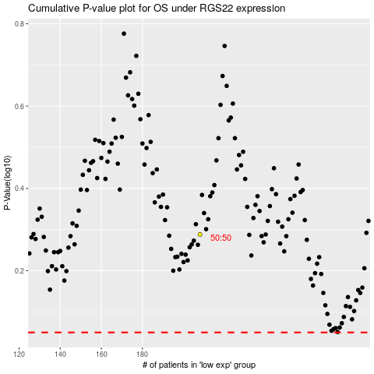

 |  |  |  |  |  | cases_OS | p_OS | rank | exp
 |  |  |  |  |  |  | cases_RFS | p_RFS | rank | exp

