RGS4 _multivariate
Reported by Tex Li-Hsing Chi. tex@gate.sinica.edu.tw 2019-08-16

Table 2. The clinicopathological features of HNSCC cohort and RGS4 expression. (Chi square test)
Cutoff at -0.261 (50.0%)
 |  | RGS4 expression |  | RGS4 expression |  | (Optimised)
 | Features | Low | (%) | High | (%) | Case no | P-value | Remark | Matthews
Gender | Female | 153 | 36.9 | 153 | 36.9 | 415 | 1 | 0 | 0
2 | Male | 54 | 13 | 55 | 13.3
Age at diagnosis | <=65y | 131 | 31.6 | 143 | 34.5 | 415 | 0.2839 | 0 | 0
4 | >65y | 76 | 18.3 | 65 | 15.7
Clinical T Status | T1+T2 | 69 | 16.6 | 80 | 19.3 | 415 | 0.3239 | 0 | 0
6 | T3+T4 | 138 | 33.3 | 128 | 30.8
Clinical N Status | N0 | 112 | 27 | 104 | 25.1 | 415 | 0.4599 | 0 | 0
8 | N1-3 | 95 | 22.9 | 104 | 25.1
Clinical M Status | M0 | 204 | 49.2 | 208 | 50.1 | 415 | 0.1232 | 0 | 0
10 | M1 | 3 | 0.7 | 0 | 0
Clinical Stage | Stage I+II | 42 | 10.1 | 60 | 14.5 | 415 | 0.0561 | 0 | 0
12 | Stage III+IV | 165 | 39.8 | 148 | 35.7
Surgical Margin status | Negative | 152 | 36.6 | 166 | 40 | 415 | 0.1329 | 0 | 0
14 | Positive | 55 | 13.3 | 42 | 10.1
Tobacco Exposure | Low | 87 | 21 | 74 | 17.8 | 415 | 0.1911 | 0 | 0
16 | High | 120 | 28.9 | 134 | 32.3

Table 3. Univariate/Multivariate Cox's proportional hazards regression analyses on OS time of RGS4 gene expression in HNSCC

 |  | Univariate |  |  |  | Multivariate
 | Features | HR | CI95%(L) | CI95%(H) | P-value | HR | CI95%(L) | CI95%(H) | P-value
1 | Female | 1 |  |  |  | 1
Gender | Male | 1.157 | 0.843 | 1.587 | 0.367 | 1.195 | 0.856 | 1.668 | 0.294
11 | <=65y | 1 |  |  |  | 1
Age at diagnosis | >65y | 1.329 | 0.99 | 1.784 | 0.058 | 1.403 | 1.032 | 1.907 | 0.031
12 | T1+T2 | 1 |  |  |  | 1
Clinical T Status | T3+T4 | 1.409 | 1.028 | 1.931 | 0.033 | 2.168 | 1.146 | 4.1 | 0.017
13 | N0 | 1 |  |  |  | 1
Clinical N Status | N1-3 | 1.185 | 0.89 | 1.577 | 0.246 | 1.195 | 0.835 | 1.711 | 0.33
14 | M0 | 1 |  |  |  | 1
Clinical M Status | M1 | 4.097 | 1.009 | 16.644 | 0.049 | 10.54 | 2.281 | 48.713 | 0.003
15 | Stage I+II | 1 |  |  |  | 1
Clinical Stage | Stage III+IV | 1.245 | 0.882 | 1.759 | 0.213 | 0.539 | 0.25 | 1.163 | 0.115
16 | Negative | 1 |  |  |  | 1
Surgical Margin status | Positive | 1.591 | 1.155 | 2.191 | 0.004 | 1.712 | 1.237 | 2.369 | 0.001
17 | Low | 1 |  |  |  | 1
Tobacco Exposure | High | 1.364 | 1.008 | 1.844 | 0.044 | 1.438 | 1.044 | 1.98 | 0.026
18 | Low | 1 |  |  |  | 1
RNAseq(z-score) | High | 1.175 | 0.882 | 1.566 | 0.271 | 1.248 | 0.929 | 1.677 | 0.142

Table 4. Univariate/Multivariate Cox's proportional hazards regression analyses on RFS time of RGS4 gene expression in HNSCC

 |  | Univariate |  |  |  | Multivariate
 | Features | HR | CI95%(L) | CI95%(H) | P-value | HR | CI95%(L) | CI95%(H) | P-value
1 | Female | 1 |  |  |  | 1
Gender | Male | 1.157 | 0.843 | 1.587 | 0.367 | 1.195 | 0.856 | 1.668 | 0.294
11 | <=65y | 1 |  |  |  | 1
Age at diagnosis | >65y | 1.329 | 0.99 | 1.784 | 0.058 | 1.403 | 1.032 | 1.907 | 0.031
12 | T1+T2 | 1 |  |  |  | 1
Clinical T Status | T3+T4 | 1.409 | 1.028 | 1.931 | 0.033 | 2.168 | 1.146 | 4.1 | 0.017
13 | N0 | 1 |  |  |  | 1
Clinical N Status | N1-3 | 1.185 | 0.89 | 1.577 | 0.246 | 1.195 | 0.835 | 1.711 | 0.33
14 | M0 | 1 |  |  |  | 1
Clinical M Status | M1 | 4.097 | 1.009 | 16.644 | 0.049 | 10.54 | 2.281 | 48.713 | 0.003
15 | Stage I+II | 1 |  |  |  | 1
Clinical Stage | Stage III+IV | 1.245 | 0.882 | 1.759 | 0.213 | 0.539 | 0.25 | 1.163 | 0.115
16 | Negative | 1 |  |  |  | 1
Surgical Margin status | Positive | 1.591 | 1.155 | 2.191 | 0.004 | 1.712 | 1.237 | 2.369 | 0.001
17 | Low | 1 |  |  |  | 1
Tobacco Exposure | High | 1.364 | 1.008 | 1.844 | 0.044 | 1.438 | 1.044 | 1.98 | 0.026
18 | Low | 1 |  |  |  | 1
RNAseq(z-score) | High | 1.175 | 0.882 | 1.566 | 0.271 | 1.248 | 0.929 | 1.677 | 0.142

Kaplan-Meier survival estimate: Cutoff at -0.261 (50.0%)

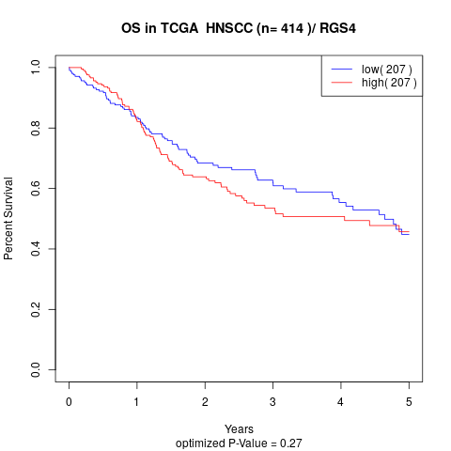

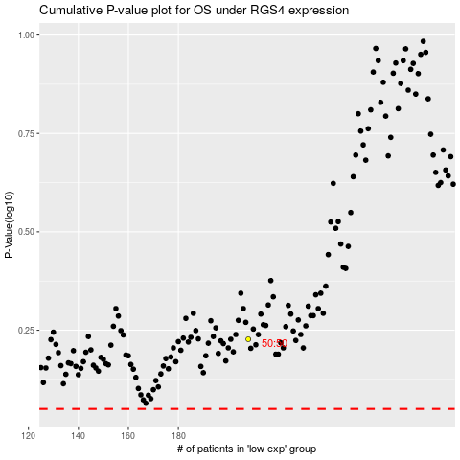

 |  |  |  |  |  | cases_OS | p_OS | rank | exp
 |  |  |  |  |  |  | cases_RFS | p_RFS | rank | exp

