RGS6 _multivariate
Reported by Tex Li-Hsing Chi. tex@gate.sinica.edu.tw 2019-08-16

Table 2. The clinicopathological features of HNSCC cohort and RGS6 expression. (Chi square test)
Cutoff at -0.303 (49.8%)
 |  | RGS6 expression |  | RGS6 expression |  | (Optimised)
 | Features | Low | (%) | High | (%) | Case no | P-value | Remark | Matthews
Gender | Female | 154 | 37.1 | 152 | 36.6 | 415 | 0.8463 | 0 | 0
2 | Male | 53 | 12.8 | 56 | 13.5
Age at diagnosis | <=65y | 142 | 34.2 | 132 | 31.8 | 415 | 0.3167 | 0 | 0
4 | >65y | 65 | 15.7 | 76 | 18.3
Clinical T Status | T1+T2 | 83 | 20 | 66 | 15.9 | 415 | 0.0941 | 0 | 0
6 | T3+T4 | 124 | 29.9 | 142 | 34.2
Clinical N Status | N0 | 101 | 24.3 | 115 | 27.7 | 415 | 0.2201 | 0 | 0
8 | N1-3 | 106 | 25.5 | 93 | 22.4
Clinical M Status | M0 | 204 | 49.2 | 208 | 50.1 | 415 | 0.1232 | 0 | 0
10 | M1 | 3 | 0.7 | 0 | 0
Clinical Stage | Stage I+II | 54 | 13 | 48 | 11.6 | 415 | 0.5498 | 0 | 0
12 | Stage III+IV | 153 | 36.9 | 160 | 38.6
Surgical Margin status | Negative | 159 | 38.3 | 159 | 38.3 | 415 | 1 | 0 | 0
14 | Positive | 48 | 11.6 | 49 | 11.8
Tobacco Exposure | Low | 83 | 20 | 78 | 18.8 | 415 | 0.6152 | 0 | 0
16 | High | 124 | 29.9 | 130 | 31.3

Table 3. Univariate/Multivariate Cox's proportional hazards regression analyses on OS time of RGS6 gene expression in HNSCC

 |  | Univariate |  |  |  | Multivariate
 | Features | HR | CI95%(L) | CI95%(H) | P-value | HR | CI95%(L) | CI95%(H) | P-value
1 | Female | 1 |  |  |  | 1
Gender | Male | 1.157 | 0.843 | 1.587 | 0.367 | 1.214 | 0.869 | 1.696 | 0.255
11 | <=65y | 1 |  |  |  | 1
Age at diagnosis | >65y | 1.329 | 0.99 | 1.784 | 0.058 | 1.38 | 1.016 | 1.874 | 0.039
12 | T1+T2 | 1 |  |  |  | 1
Clinical T Status | T3+T4 | 1.409 | 1.028 | 1.931 | 0.033 | 2.115 | 1.115 | 4.01 | 0.022
13 | N0 | 1 |  |  |  | 1
Clinical N Status | N1-3 | 1.185 | 0.89 | 1.577 | 0.246 | 1.24 | 0.869 | 1.768 | 0.235
14 | M0 | 1 |  |  |  | 1
Clinical M Status | M1 | 4.097 | 1.009 | 16.644 | 0.049 | 10.081 | 2.191 | 46.392 | 0.003
15 | Stage I+II | 1 |  |  |  | 1
Clinical Stage | Stage III+IV | 1.245 | 0.882 | 1.759 | 0.213 | 0.517 | 0.241 | 1.11 | 0.091
16 | Negative | 1 |  |  |  | 1
Surgical Margin status | Positive | 1.591 | 1.155 | 2.191 | 0.004 | 1.668 | 1.207 | 2.304 | 0.002
17 | Low | 1 |  |  |  | 1
Tobacco Exposure | High | 1.364 | 1.008 | 1.844 | 0.044 | 1.427 | 1.035 | 1.968 | 0.03
18 | Low | 1 |  |  |  | 1
RNAseq(z-score) | High | 1.262 | 0.945 | 1.686 | 0.115 | 1.212 | 0.901 | 1.63 | 0.204

Table 4. Univariate/Multivariate Cox's proportional hazards regression analyses on RFS time of RGS6 gene expression in HNSCC

 |  | Univariate |  |  |  | Multivariate
 | Features | HR | CI95%(L) | CI95%(H) | P-value | HR | CI95%(L) | CI95%(H) | P-value
1 | Female | 1 |  |  |  | 1
Gender | Male | 1.157 | 0.843 | 1.587 | 0.367 | 1.214 | 0.869 | 1.696 | 0.255
11 | <=65y | 1 |  |  |  | 1
Age at diagnosis | >65y | 1.329 | 0.99 | 1.784 | 0.058 | 1.38 | 1.016 | 1.874 | 0.039
12 | T1+T2 | 1 |  |  |  | 1
Clinical T Status | T3+T4 | 1.409 | 1.028 | 1.931 | 0.033 | 2.115 | 1.115 | 4.01 | 0.022
13 | N0 | 1 |  |  |  | 1
Clinical N Status | N1-3 | 1.185 | 0.89 | 1.577 | 0.246 | 1.24 | 0.869 | 1.768 | 0.235
14 | M0 | 1 |  |  |  | 1
Clinical M Status | M1 | 4.097 | 1.009 | 16.644 | 0.049 | 10.081 | 2.191 | 46.392 | 0.003
15 | Stage I+II | 1 |  |  |  | 1
Clinical Stage | Stage III+IV | 1.245 | 0.882 | 1.759 | 0.213 | 0.517 | 0.241 | 1.11 | 0.091
16 | Negative | 1 |  |  |  | 1
Surgical Margin status | Positive | 1.591 | 1.155 | 2.191 | 0.004 | 1.668 | 1.207 | 2.304 | 0.002
17 | Low | 1 |  |  |  | 1
Tobacco Exposure | High | 1.364 | 1.008 | 1.844 | 0.044 | 1.427 | 1.035 | 1.968 | 0.03
18 | Low | 1 |  |  |  | 1
RNAseq(z-score) | High | 1.262 | 0.945 | 1.686 | 0.115 | 1.212 | 0.901 | 1.63 | 0.204

Kaplan-Meier survival estimate: Cutoff at -0.303 (49.8%)



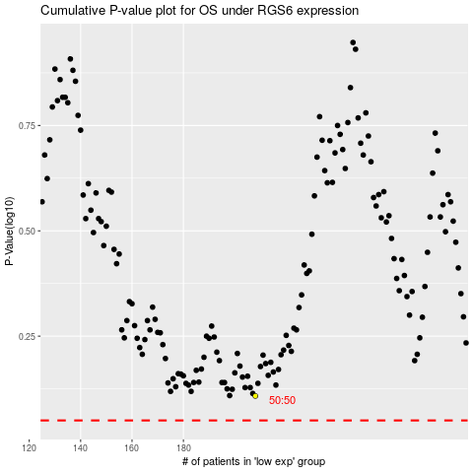

 |  |  |  |  |  | cases_OS | p_OS | rank | exp
 |  |  |  |  |  |  | cases_RFS | p_RFS | rank | exp

