RGS9BP _multivariate
Reported by Tex Li-Hsing Chi. tex@gate.sinica.edu.tw 2019-08-16

Table 2. The clinicopathological features of HNSCC cohort and RGS9BP expression. (Chi square test)
Cutoff at -0.336 (50.0%)
 |  | RGS9BP expression |  | RGS9BP expression |  | (Optimised)
 | Features | Low | (%) | High | (%) | Case no | P-value | Remark | Matthews
Gender | Female | 139 | 33.5 | 167 | 40.2 | 415 | 0.0034 | 1 | 0
2 | Male | 68 | 16.4 | 41 | 9.9
Age at diagnosis | <=65y | 137 | 33 | 137 | 33 | 415 | 1 | 0 | 0
4 | >65y | 70 | 16.9 | 71 | 17.1
Clinical T Status | T1+T2 | 76 | 18.3 | 73 | 17.6 | 415 | 0.8092 | 0 | 0
6 | T3+T4 | 131 | 31.6 | 135 | 32.5
Clinical N Status | N0 | 105 | 25.3 | 111 | 26.7 | 415 | 0.6598 | 0 | 0
8 | N1-3 | 102 | 24.6 | 97 | 23.4
Clinical M Status | M0 | 205 | 49.4 | 207 | 49.9 | 415 | 0.6232 | 0 | 0
10 | M1 | 2 | 0.5 | 1 | 0.2
Clinical Stage | Stage I+II | 53 | 12.8 | 49 | 11.8 | 415 | 0.7113 | 0 | 0
12 | Stage III+IV | 154 | 37.1 | 159 | 38.3
Surgical Margin status | Negative | 152 | 36.6 | 166 | 40 | 415 | 0.1329 | 0 | 0
14 | Positive | 55 | 13.3 | 42 | 10.1
Tobacco Exposure | Low | 91 | 21.9 | 70 | 16.9 | 415 | 0.0346 | 1 | 0
16 | High | 116 | 28 | 138 | 33.3

Table 3. Univariate/Multivariate Cox's proportional hazards regression analyses on OS time of RGS9BP gene expression in HNSCC

 |  | Univariate |  |  |  | Multivariate
 | Features | HR | CI95%(L) | CI95%(H) | P-value | HR | CI95%(L) | CI95%(H) | P-value
1 | Female | 1 |  |  |  | 1
Gender | Male | 1.157 | 0.843 | 1.587 | 0.367 | 1.175 | 0.84 | 1.643 | 0.346
11 | <=65y | 1 |  |  |  | 1
Age at diagnosis | >65y | 1.329 | 0.99 | 1.784 | 0.058 | 1.416 | 1.041 | 1.927 | 0.027
12 | T1+T2 | 1 |  |  |  | 1
Clinical T Status | T3+T4 | 1.409 | 1.028 | 1.931 | 0.033 | 2.18 | 1.152 | 4.127 | 0.017
13 | N0 | 1 |  |  |  | 1
Clinical N Status | N1-3 | 1.185 | 0.89 | 1.577 | 0.246 | 1.232 | 0.864 | 1.758 | 0.249
14 | M0 | 1 |  |  |  | 1
Clinical M Status | M1 | 4.097 | 1.009 | 16.644 | 0.049 | 9.122 | 1.988 | 41.855 | 0.004
15 | Stage I+II | 1 |  |  |  | 1
Clinical Stage | Stage III+IV | 1.245 | 0.882 | 1.759 | 0.213 | 0.516 | 0.24 | 1.108 | 0.09
16 | Negative | 1 |  |  |  | 1
Surgical Margin status | Positive | 1.591 | 1.155 | 2.191 | 0.004 | 1.66 | 1.2 | 2.295 | 0.002
17 | Low | 1 |  |  |  | 1
Tobacco Exposure | High | 1.364 | 1.008 | 1.844 | 0.044 | 1.513 | 1.093 | 2.094 | 0.013
18 | Low | 1 |  |  |  | 1
RNAseq(z-score) | High | 0.83 | 0.623 | 1.106 | 0.204 | 0.791 | 0.59 | 1.062 | 0.119

Table 4. Univariate/Multivariate Cox's proportional hazards regression analyses on RFS time of RGS9BP gene expression in HNSCC

 |  | Univariate |  |  |  | Multivariate
 | Features | HR | CI95%(L) | CI95%(H) | P-value | HR | CI95%(L) | CI95%(H) | P-value
1 | Female | 1 |  |  |  | 1
Gender | Male | 1.157 | 0.843 | 1.587 | 0.367 | 1.175 | 0.84 | 1.643 | 0.346
11 | <=65y | 1 |  |  |  | 1
Age at diagnosis | >65y | 1.329 | 0.99 | 1.784 | 0.058 | 1.416 | 1.041 | 1.927 | 0.027
12 | T1+T2 | 1 |  |  |  | 1
Clinical T Status | T3+T4 | 1.409 | 1.028 | 1.931 | 0.033 | 2.18 | 1.152 | 4.127 | 0.017
13 | N0 | 1 |  |  |  | 1
Clinical N Status | N1-3 | 1.185 | 0.89 | 1.577 | 0.246 | 1.232 | 0.864 | 1.758 | 0.249
14 | M0 | 1 |  |  |  | 1
Clinical M Status | M1 | 4.097 | 1.009 | 16.644 | 0.049 | 9.122 | 1.988 | 41.855 | 0.004
15 | Stage I+II | 1 |  |  |  | 1
Clinical Stage | Stage III+IV | 1.245 | 0.882 | 1.759 | 0.213 | 0.516 | 0.24 | 1.108 | 0.09
16 | Negative | 1 |  |  |  | 1
Surgical Margin status | Positive | 1.591 | 1.155 | 2.191 | 0.004 | 1.66 | 1.2 | 2.295 | 0.002
17 | Low | 1 |  |  |  | 1
Tobacco Exposure | High | 1.364 | 1.008 | 1.844 | 0.044 | 1.513 | 1.093 | 2.094 | 0.013
18 | Low | 1 |  |  |  | 1
RNAseq(z-score) | High | 0.83 | 0.623 | 1.106 | 0.204 | 0.791 | 0.59 | 1.062 | 0.119

Kaplan-Meier survival estimate: Cutoff at -0.336 (50.0%)

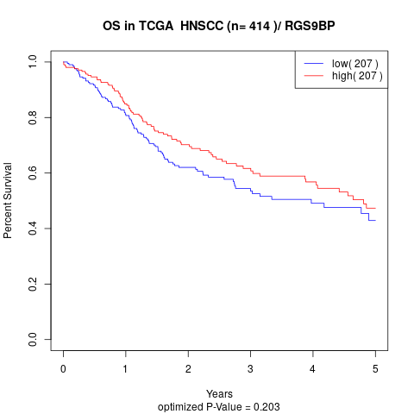

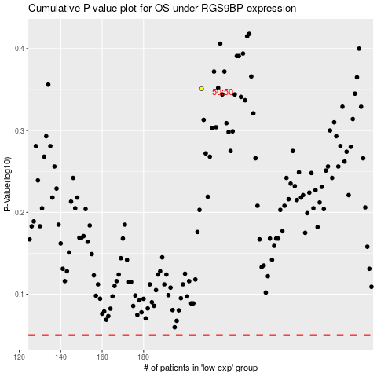

 |  |  |  |  |  | cases_OS | p_OS | rank | exp
 |  |  |  |  |  |  | cases_RFS | p_RFS | rank | exp

