RHBDD1 _multivariate
Reported by Tex Li-Hsing Chi. tex@gate.sinica.edu.tw 2019-08-16

Table 2. The clinicopathological features of HNSCC cohort and RHBDD1 expression. (Chi square test)
Cutoff at -0.002 (49.8%)
 |  | RHBDD1 expression |  | RHBDD1 expression |  | (Optimised)
 | Features | Low | (%) | High | (%) | Case no | P-value | Remark | Matthews
Gender | Female | 156 | 37.6 | 150 | 36.1 | 415 | 0.5222 | 0 | 0
2 | Male | 51 | 12.3 | 58 | 14
Age at diagnosis | <=65y | 141 | 34 | 133 | 32 | 415 | 0.4272 | 0 | 0
4 | >65y | 66 | 15.9 | 75 | 18.1
Clinical T Status | T1+T2 | 75 | 18.1 | 74 | 17.8 | 415 | 0.9707 | 0 | 0
6 | T3+T4 | 132 | 31.8 | 134 | 32.3
Clinical N Status | N0 | 109 | 26.3 | 107 | 25.8 | 415 | 0.8812 | 0 | 0
8 | N1-3 | 98 | 23.6 | 101 | 24.3
Clinical M Status | M0 | 204 | 49.2 | 208 | 50.1 | 415 | 0.1232 | 0 | 0
10 | M1 | 3 | 0.7 | 0 | 0
Clinical Stage | Stage I+II | 49 | 11.8 | 53 | 12.8 | 415 | 0.7535 | 0 | 0
12 | Stage III+IV | 158 | 38.1 | 155 | 37.3
Surgical Margin status | Negative | 158 | 38.1 | 160 | 38.6 | 415 | 0.9081 | 0 | 0
14 | Positive | 49 | 11.8 | 48 | 11.6
Tobacco Exposure | Low | 80 | 19.3 | 81 | 19.5 | 415 | 1 | 0 | 0
16 | High | 127 | 30.6 | 127 | 30.6

Table 3. Univariate/Multivariate Cox's proportional hazards regression analyses on OS time of RHBDD1 gene expression in HNSCC

 |  | Univariate |  |  |  | Multivariate
 | Features | HR | CI95%(L) | CI95%(H) | P-value | HR | CI95%(L) | CI95%(H) | P-value
1 | Female | 1 |  |  |  | 1
Gender | Male | 1.157 | 0.843 | 1.587 | 0.367 | 1.2 | 0.859 | 1.676 | 0.286
11 | <=65y | 1 |  |  |  | 1
Age at diagnosis | >65y | 1.329 | 0.99 | 1.784 | 0.058 | 1.385 | 1.018 | 1.883 | 0.038
12 | T1+T2 | 1 |  |  |  | 1
Clinical T Status | T3+T4 | 1.409 | 1.028 | 1.931 | 0.033 | 2.214 | 1.171 | 4.185 | 0.014
13 | N0 | 1 |  |  |  | 1
Clinical N Status | N1-3 | 1.185 | 0.89 | 1.577 | 0.246 | 1.242 | 0.871 | 1.773 | 0.232
14 | M0 | 1 |  |  |  | 1
Clinical M Status | M1 | 4.097 | 1.009 | 16.644 | 0.049 | 10.098 | 2.183 | 46.7 | 0.003
15 | Stage I+II | 1 |  |  |  | 1
Clinical Stage | Stage III+IV | 1.245 | 0.882 | 1.759 | 0.213 | 0.504 | 0.234 | 1.082 | 0.079
16 | Negative | 1 |  |  |  | 1
Surgical Margin status | Positive | 1.591 | 1.155 | 2.191 | 0.004 | 1.681 | 1.216 | 2.323 | 0.002
17 | Low | 1 |  |  |  | 1
Tobacco Exposure | High | 1.364 | 1.008 | 1.844 | 0.044 | 1.468 | 1.065 | 2.024 | 0.019
18 | Low | 1 |  |  |  | 1
RNAseq(z-score) | High | 1.075 | 0.807 | 1.432 | 0.62 | 1.137 | 0.85 | 1.522 | 0.387

Table 4. Univariate/Multivariate Cox's proportional hazards regression analyses on RFS time of RHBDD1 gene expression in HNSCC

 |  | Univariate |  |  |  | Multivariate
 | Features | HR | CI95%(L) | CI95%(H) | P-value | HR | CI95%(L) | CI95%(H) | P-value
1 | Female | 1 |  |  |  | 1
Gender | Male | 1.157 | 0.843 | 1.587 | 0.367 | 1.2 | 0.859 | 1.676 | 0.286
11 | <=65y | 1 |  |  |  | 1
Age at diagnosis | >65y | 1.329 | 0.99 | 1.784 | 0.058 | 1.385 | 1.018 | 1.883 | 0.038
12 | T1+T2 | 1 |  |  |  | 1
Clinical T Status | T3+T4 | 1.409 | 1.028 | 1.931 | 0.033 | 2.214 | 1.171 | 4.185 | 0.014
13 | N0 | 1 |  |  |  | 1
Clinical N Status | N1-3 | 1.185 | 0.89 | 1.577 | 0.246 | 1.242 | 0.871 | 1.773 | 0.232
14 | M0 | 1 |  |  |  | 1
Clinical M Status | M1 | 4.097 | 1.009 | 16.644 | 0.049 | 10.098 | 2.183 | 46.7 | 0.003
15 | Stage I+II | 1 |  |  |  | 1
Clinical Stage | Stage III+IV | 1.245 | 0.882 | 1.759 | 0.213 | 0.504 | 0.234 | 1.082 | 0.079
16 | Negative | 1 |  |  |  | 1
Surgical Margin status | Positive | 1.591 | 1.155 | 2.191 | 0.004 | 1.681 | 1.216 | 2.323 | 0.002
17 | Low | 1 |  |  |  | 1
Tobacco Exposure | High | 1.364 | 1.008 | 1.844 | 0.044 | 1.468 | 1.065 | 2.024 | 0.019
18 | Low | 1 |  |  |  | 1
RNAseq(z-score) | High | 1.075 | 0.807 | 1.432 | 0.62 | 1.137 | 0.85 | 1.522 | 0.387

Kaplan-Meier survival estimate: Cutoff at -0.002 (49.8%)

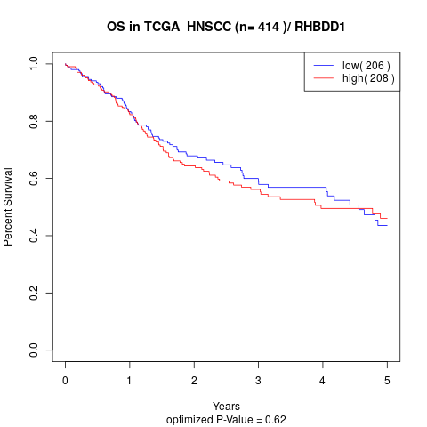

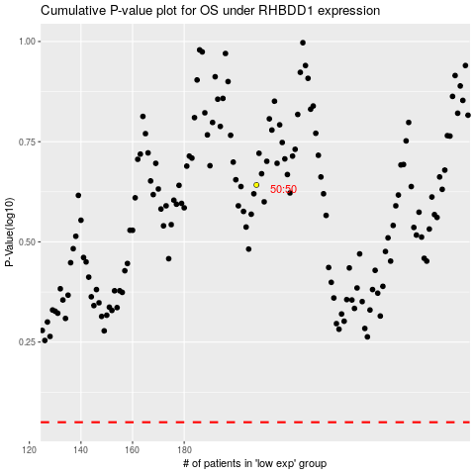

 |  |  |  |  |  | cases_OS | p_OS | rank | exp
 |  |  |  |  |  |  | cases_RFS | p_RFS | rank | exp

