RHBDD2 _multivariate
Reported by Tex Li-Hsing Chi. tex@gate.sinica.edu.tw 2019-08-16

Table 2. The clinicopathological features of HNSCC cohort and RHBDD2 expression. (Chi square test)
Cutoff at -0.243 (49.8%)
 |  | RHBDD2 expression |  | RHBDD2 expression |  | (Optimised)
 | Features | Low | (%) | High | (%) | Case no | P-value | Remark | Matthews
Gender | Female | 149 | 35.9 | 157 | 37.8 | 415 | 0.4848 | 0 | 0
2 | Male | 58 | 14 | 51 | 12.3
Age at diagnosis | <=65y | 136 | 32.8 | 138 | 33.3 | 415 | 0.9719 | 0 | 0
4 | >65y | 71 | 17.1 | 70 | 16.9
Clinical T Status | T1+T2 | 85 | 20.5 | 64 | 15.4 | 415 | 0.0372 | 1 | 0
6 | T3+T4 | 122 | 29.4 | 144 | 34.7
Clinical N Status | N0 | 114 | 27.5 | 102 | 24.6 | 415 | 0.2576 | 1 | 0
8 | N1-3 | 93 | 22.4 | 106 | 25.5
Clinical M Status | M0 | 207 | 49.9 | 205 | 49.4 | 415 | 0.2482 | 0 | 0
10 | M1 | 0 | 0 | 3 | 0.7
Clinical Stage | Stage I+II | 58 | 14 | 44 | 10.6 | 415 | 0.131 | 0 | 0
12 | Stage III+IV | 149 | 35.9 | 164 | 39.5
Surgical Margin status | Negative | 160 | 38.6 | 158 | 38.1 | 415 | 0.8167 | 0 | 0
14 | Positive | 47 | 11.3 | 50 | 12
Tobacco Exposure | Low | 95 | 22.9 | 66 | 15.9 | 415 | 0.0035 | 1 | 0
16 | High | 112 | 27 | 142 | 34.2

Table 3. Univariate/Multivariate Cox's proportional hazards regression analyses on OS time of RHBDD2 gene expression in HNSCC

 |  | Univariate |  |  |  | Multivariate
 | Features | HR | CI95%(L) | CI95%(H) | P-value | HR | CI95%(L) | CI95%(H) | P-value
1 | Female | 1 |  |  |  | 1
Gender | Male | 1.157 | 0.843 | 1.587 | 0.367 | 1.201 | 0.86 | 1.678 | 0.282
11 | <=65y | 1 |  |  |  | 1
Age at diagnosis | >65y | 1.329 | 0.99 | 1.784 | 0.058 | 1.393 | 1.025 | 1.894 | 0.034
12 | T1+T2 | 1 |  |  |  | 1
Clinical T Status | T3+T4 | 1.409 | 1.028 | 1.931 | 0.033 | 2.219 | 1.169 | 4.21 | 0.015
13 | N0 | 1 |  |  |  | 1
Clinical N Status | N1-3 | 1.185 | 0.89 | 1.577 | 0.246 | 1.247 | 0.872 | 1.785 | 0.227
14 | M0 | 1 |  |  |  | 1
Clinical M Status | M1 | 4.097 | 1.009 | 16.644 | 0.049 | 9.602 | 2.072 | 44.498 | 0.004
15 | Stage I+II | 1 |  |  |  | 1
Clinical Stage | Stage III+IV | 1.245 | 0.882 | 1.759 | 0.213 | 0.502 | 0.233 | 1.079 | 0.077
16 | Negative | 1 |  |  |  | 1
Surgical Margin status | Positive | 1.591 | 1.155 | 2.191 | 0.004 | 1.671 | 1.209 | 2.309 | 0.002
17 | Low | 1 |  |  |  | 1
Tobacco Exposure | High | 1.364 | 1.008 | 1.844 | 0.044 | 1.46 | 1.057 | 2.016 | 0.022
18 | Low | 1 |  |  |  | 1
RNAseq(z-score) | High | 1.108 | 0.832 | 1.476 | 0.483 | 0.967 | 0.719 | 1.302 | 0.825

Table 4. Univariate/Multivariate Cox's proportional hazards regression analyses on RFS time of RHBDD2 gene expression in HNSCC

 |  | Univariate |  |  |  | Multivariate
 | Features | HR | CI95%(L) | CI95%(H) | P-value | HR | CI95%(L) | CI95%(H) | P-value
1 | Female | 1 |  |  |  | 1
Gender | Male | 1.157 | 0.843 | 1.587 | 0.367 | 1.201 | 0.86 | 1.678 | 0.282
11 | <=65y | 1 |  |  |  | 1
Age at diagnosis | >65y | 1.329 | 0.99 | 1.784 | 0.058 | 1.393 | 1.025 | 1.894 | 0.034
12 | T1+T2 | 1 |  |  |  | 1
Clinical T Status | T3+T4 | 1.409 | 1.028 | 1.931 | 0.033 | 2.219 | 1.169 | 4.21 | 0.015
13 | N0 | 1 |  |  |  | 1
Clinical N Status | N1-3 | 1.185 | 0.89 | 1.577 | 0.246 | 1.247 | 0.872 | 1.785 | 0.227
14 | M0 | 1 |  |  |  | 1
Clinical M Status | M1 | 4.097 | 1.009 | 16.644 | 0.049 | 9.602 | 2.072 | 44.498 | 0.004
15 | Stage I+II | 1 |  |  |  | 1
Clinical Stage | Stage III+IV | 1.245 | 0.882 | 1.759 | 0.213 | 0.502 | 0.233 | 1.079 | 0.077
16 | Negative | 1 |  |  |  | 1
Surgical Margin status | Positive | 1.591 | 1.155 | 2.191 | 0.004 | 1.671 | 1.209 | 2.309 | 0.002
17 | Low | 1 |  |  |  | 1
Tobacco Exposure | High | 1.364 | 1.008 | 1.844 | 0.044 | 1.46 | 1.057 | 2.016 | 0.022
18 | Low | 1 |  |  |  | 1
RNAseq(z-score) | High | 1.108 | 0.832 | 1.476 | 0.483 | 0.967 | 0.719 | 1.302 | 0.825

Kaplan-Meier survival estimate: Cutoff at -0.243 (49.8%)



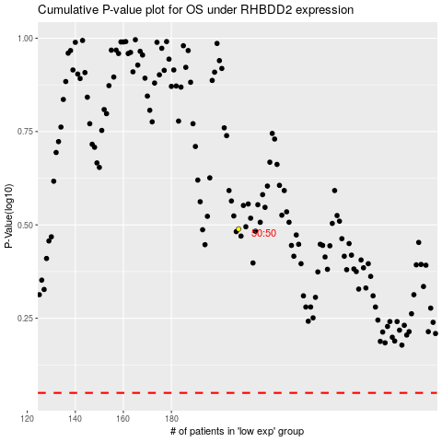

 |  |  |  |  |  | cases_OS | p_OS | rank | exp
 |  |  |  |  |  |  | cases_RFS | p_RFS | rank | exp

