RHBDD3 _multivariate
Reported by Tex Li-Hsing Chi. tex@gate.sinica.edu.tw 2019-08-16

Table 2. The clinicopathological features of HNSCC cohort and RHBDD3 expression. (Chi square test)
Cutoff at -0.197 (49.8%)
 |  | RHBDD3 expression |  | RHBDD3 expression |  | (Optimised)
 | Features | Low | (%) | High | (%) | Case no | P-value | Remark | Matthews
Gender | Female | 148 | 35.7 | 158 | 38.1 | 415 | 0.3567 | 0 | 0
2 | Male | 59 | 14.2 | 50 | 12
Age at diagnosis | <=65y | 140 | 33.7 | 134 | 32.3 | 415 | 0.5574 | 0 | 0
4 | >65y | 67 | 16.1 | 74 | 17.8
Clinical T Status | T1+T2 | 73 | 17.6 | 76 | 18.3 | 415 | 0.8666 | 0 | 0
6 | T3+T4 | 134 | 32.3 | 132 | 31.8
Clinical N Status | N0 | 101 | 24.3 | 115 | 27.7 | 415 | 0.2201 | 0 | 0
8 | N1-3 | 106 | 25.5 | 93 | 22.4
Clinical M Status | M0 | 207 | 49.9 | 205 | 49.4 | 415 | 0.2482 | 0 | 0
10 | M1 | 0 | 0 | 3 | 0.7
Clinical Stage | Stage I+II | 51 | 12.3 | 51 | 12.3 | 415 | 1 | 0 | 0
12 | Stage III+IV | 156 | 37.6 | 157 | 37.8
Surgical Margin status | Negative | 164 | 39.5 | 154 | 37.1 | 415 | 0.2462 | 0 | 0
14 | Positive | 43 | 10.4 | 54 | 13
Tobacco Exposure | Low | 87 | 21 | 74 | 17.8 | 415 | 0.1911 | 0 | 0
16 | High | 120 | 28.9 | 134 | 32.3

Table 3. Univariate/Multivariate Cox's proportional hazards regression analyses on OS time of RHBDD3 gene expression in HNSCC

 |  | Univariate |  |  |  | Multivariate
 | Features | HR | CI95%(L) | CI95%(H) | P-value | HR | CI95%(L) | CI95%(H) | P-value
1 | Female | 1 |  |  |  | 1
Gender | Male | 1.157 | 0.843 | 1.587 | 0.367 | 1.178 | 0.843 | 1.647 | 0.337
11 | <=65y | 1 |  |  |  | 1
Age at diagnosis | >65y | 1.329 | 0.99 | 1.784 | 0.058 | 1.413 | 1.038 | 1.923 | 0.028
12 | T1+T2 | 1 |  |  |  | 1
Clinical T Status | T3+T4 | 1.409 | 1.028 | 1.931 | 0.033 | 2.237 | 1.182 | 4.232 | 0.013
13 | N0 | 1 |  |  |  | 1
Clinical N Status | N1-3 | 1.185 | 0.89 | 1.577 | 0.246 | 1.236 | 0.866 | 1.763 | 0.243
14 | M0 | 1 |  |  |  | 1
Clinical M Status | M1 | 4.097 | 1.009 | 16.644 | 0.049 | 10.375 | 2.24 | 48.057 | 0.003
15 | Stage I+II | 1 |  |  |  | 1
Clinical Stage | Stage III+IV | 1.245 | 0.882 | 1.759 | 0.213 | 0.5 | 0.233 | 1.075 | 0.076
16 | Negative | 1 |  |  |  | 1
Surgical Margin status | Positive | 1.591 | 1.155 | 2.191 | 0.004 | 1.685 | 1.219 | 2.329 | 0.002
17 | Low | 1 |  |  |  | 1
Tobacco Exposure | High | 1.364 | 1.008 | 1.844 | 0.044 | 1.468 | 1.066 | 2.022 | 0.019
18 | Low | 1 |  |  |  | 1
RNAseq(z-score) | High | 0.919 | 0.69 | 1.224 | 0.565 | 0.846 | 0.632 | 1.134 | 0.263

Table 4. Univariate/Multivariate Cox's proportional hazards regression analyses on RFS time of RHBDD3 gene expression in HNSCC

 |  | Univariate |  |  |  | Multivariate
 | Features | HR | CI95%(L) | CI95%(H) | P-value | HR | CI95%(L) | CI95%(H) | P-value
1 | Female | 1 |  |  |  | 1
Gender | Male | 1.157 | 0.843 | 1.587 | 0.367 | 1.178 | 0.843 | 1.647 | 0.337
11 | <=65y | 1 |  |  |  | 1
Age at diagnosis | >65y | 1.329 | 0.99 | 1.784 | 0.058 | 1.413 | 1.038 | 1.923 | 0.028
12 | T1+T2 | 1 |  |  |  | 1
Clinical T Status | T3+T4 | 1.409 | 1.028 | 1.931 | 0.033 | 2.237 | 1.182 | 4.232 | 0.013
13 | N0 | 1 |  |  |  | 1
Clinical N Status | N1-3 | 1.185 | 0.89 | 1.577 | 0.246 | 1.236 | 0.866 | 1.763 | 0.243
14 | M0 | 1 |  |  |  | 1
Clinical M Status | M1 | 4.097 | 1.009 | 16.644 | 0.049 | 10.375 | 2.24 | 48.057 | 0.003
15 | Stage I+II | 1 |  |  |  | 1
Clinical Stage | Stage III+IV | 1.245 | 0.882 | 1.759 | 0.213 | 0.5 | 0.233 | 1.075 | 0.076
16 | Negative | 1 |  |  |  | 1
Surgical Margin status | Positive | 1.591 | 1.155 | 2.191 | 0.004 | 1.685 | 1.219 | 2.329 | 0.002
17 | Low | 1 |  |  |  | 1
Tobacco Exposure | High | 1.364 | 1.008 | 1.844 | 0.044 | 1.468 | 1.066 | 2.022 | 0.019
18 | Low | 1 |  |  |  | 1
RNAseq(z-score) | High | 0.919 | 0.69 | 1.224 | 0.565 | 0.846 | 0.632 | 1.134 | 0.263

Kaplan-Meier survival estimate: Cutoff at -0.197 (49.8%)



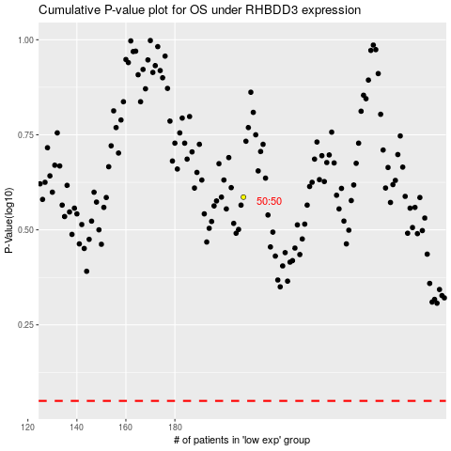

 |  |  |  |  |  | cases_OS | p_OS | rank | exp
 |  |  |  |  |  |  | cases_RFS | p_RFS | rank | exp

