RHBDF2 _multivariate
Reported by Tex Li-Hsing Chi. tex@gate.sinica.edu.tw 2019-08-16

Table 2. The clinicopathological features of HNSCC cohort and RHBDF2 expression. (Chi square test)
Cutoff at -0.214 (41.1%)
 |  | RHBDF2 expression |  | RHBDF2 expression |  | (Optimised)
 | Features | Low | (%) | High | (%) | Case no | P-value | Remark | Matthews
Gender | Female | 133 | 32 | 173 | 41.7 | 415 | 0.1048 | 0 | 0
2 | Male | 37 | 8.9 | 72 | 17.3
Age at diagnosis | <=65y | 113 | 27.2 | 161 | 38.8 | 415 | 0.9565 | 0 | 0
4 | >65y | 57 | 13.7 | 84 | 20.2
Clinical T Status | T1+T2 | 68 | 16.4 | 81 | 19.5 | 415 | 0.1786 | 0 | 0
6 | T3+T4 | 102 | 24.6 | 164 | 39.5
Clinical N Status | N0 | 93 | 22.4 | 123 | 29.6 | 415 | 0.4221 | 0 | 0
8 | N1-3 | 77 | 18.6 | 122 | 29.4
Clinical M Status | M0 | 170 | 41 | 242 | 58.3 | 415 | 0.2727 | 0 | 0
10 | M1 | 0 | 0 | 3 | 0.7
Clinical Stage | Stage I+II | 47 | 11.3 | 55 | 13.3 | 415 | 0.2741 | 0 | 0
12 | Stage III+IV | 123 | 29.6 | 190 | 45.8
Surgical Margin status | Negative | 129 | 31.1 | 189 | 45.5 | 415 | 0.8138 | 0 | 0
14 | Positive | 41 | 9.9 | 56 | 13.5
Tobacco Exposure | Low | 56 | 13.5 | 105 | 25.3 | 415 | 0.0515 | 0 | 0
16 | High | 114 | 27.5 | 140 | 33.7

Table 3. Univariate/Multivariate Cox's proportional hazards regression analyses on OS time of RHBDF2 gene expression in HNSCC

 |  | Univariate |  |  |  | Multivariate
 | Features | HR | CI95%(L) | CI95%(H) | P-value | HR | CI95%(L) | CI95%(H) | P-value
1 | Female | 1 |  |  |  | 1
Gender | Male | 1.157 | 0.843 | 1.587 | 0.367 | 1.201 | 0.86 | 1.677 | 0.282
11 | <=65y | 1 |  |  |  | 1
Age at diagnosis | >65y | 1.329 | 0.99 | 1.784 | 0.058 | 1.378 | 1.014 | 1.873 | 0.041
12 | T1+T2 | 1 |  |  |  | 1
Clinical T Status | T3+T4 | 1.409 | 1.028 | 1.931 | 0.033 | 2.293 | 1.211 | 4.339 | 0.011
13 | N0 | 1 |  |  |  | 1
Clinical N Status | N1-3 | 1.185 | 0.89 | 1.577 | 0.246 | 1.249 | 0.875 | 1.782 | 0.22
14 | M0 | 1 |  |  |  | 1
Clinical M Status | M1 | 4.097 | 1.009 | 16.644 | 0.049 | 11.086 | 2.396 | 51.292 | 0.002
15 | Stage I+II | 1 |  |  |  | 1
Clinical Stage | Stage III+IV | 1.245 | 0.882 | 1.759 | 0.213 | 0.486 | 0.226 | 1.042 | 0.064
16 | Negative | 1 |  |  |  | 1
Surgical Margin status | Positive | 1.591 | 1.155 | 2.191 | 0.004 | 1.647 | 1.191 | 2.276 | 0.003
17 | Low | 1 |  |  |  | 1
Tobacco Exposure | High | 1.364 | 1.008 | 1.844 | 0.044 | 1.407 | 1.019 | 1.942 | 0.038
18 | Low | 1 |  |  |  | 1
RNAseq(z-score) | High | 0.738 | 0.552 | 0.986 | 0.04 | 0.736 | 0.549 | 0.987 | 0.041

Table 4. Univariate/Multivariate Cox's proportional hazards regression analyses on RFS time of RHBDF2 gene expression in HNSCC

 |  | Univariate |  |  |  | Multivariate
 | Features | HR | CI95%(L) | CI95%(H) | P-value | HR | CI95%(L) | CI95%(H) | P-value
1 | Female | 1 |  |  |  | 1
Gender | Male | 1.157 | 0.843 | 1.587 | 0.367 | 1.201 | 0.86 | 1.677 | 0.282
11 | <=65y | 1 |  |  |  | 1
Age at diagnosis | >65y | 1.329 | 0.99 | 1.784 | 0.058 | 1.378 | 1.014 | 1.873 | 0.041
12 | T1+T2 | 1 |  |  |  | 1
Clinical T Status | T3+T4 | 1.409 | 1.028 | 1.931 | 0.033 | 2.293 | 1.211 | 4.339 | 0.011
13 | N0 | 1 |  |  |  | 1
Clinical N Status | N1-3 | 1.185 | 0.89 | 1.577 | 0.246 | 1.249 | 0.875 | 1.782 | 0.22
14 | M0 | 1 |  |  |  | 1
Clinical M Status | M1 | 4.097 | 1.009 | 16.644 | 0.049 | 11.086 | 2.396 | 51.292 | 0.002
15 | Stage I+II | 1 |  |  |  | 1
Clinical Stage | Stage III+IV | 1.245 | 0.882 | 1.759 | 0.213 | 0.486 | 0.226 | 1.042 | 0.064
16 | Negative | 1 |  |  |  | 1
Surgical Margin status | Positive | 1.591 | 1.155 | 2.191 | 0.004 | 1.647 | 1.191 | 2.276 | 0.003
17 | Low | 1 |  |  |  | 1
Tobacco Exposure | High | 1.364 | 1.008 | 1.844 | 0.044 | 1.407 | 1.019 | 1.942 | 0.038
18 | Low | 1 |  |  |  | 1
RNAseq(z-score) | High | 0.738 | 0.552 | 0.986 | 0.04 | 0.736 | 0.549 | 0.987 | 0.041

Kaplan-Meier survival estimate: Cutoff at -0.214 (41.1%)

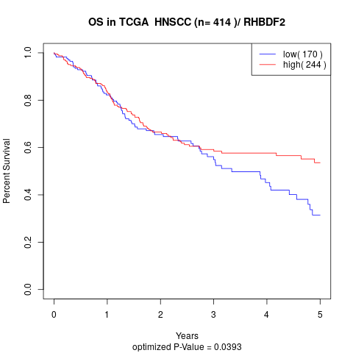

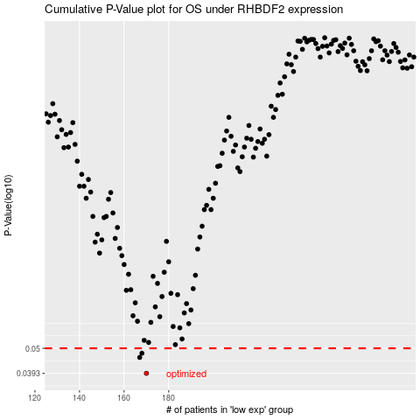

 |  |  |  |  |  | cases_OS | p_OS | rank | exp
 |  |  |  |  |  | 170 | 0.0393 | 321 | -0.2140057153
 |  |  |  |  |  | 167 | 0.0458 | 145 | -0.21815921514
 |  |  |  |  |  | 168 | 0.0477 | 408 | -0.21522342721
 |  |  |  |  |  |  | cases_RFS | p_RFS | rank | exp
 |  |  |  |  |  |  | 169 | 0.0393 | 70 | -0.21491269731
 |  |  |  |  |  |  | 166 | 0.0458 | 297 | -0.22057140837
 |  |  |  |  |  |  | 167 | 0.0477 | 145 | -0.21815921514

