RHBDL3 _multivariate
Reported by Tex Li-Hsing Chi. tex@gate.sinica.edu.tw 2019-08-16

Table 2. The clinicopathological features of HNSCC cohort and RHBDL3 expression. (Chi square test)
Cutoff at -0.339 (49.8%)
 |  | RHBDL3 expression |  | RHBDL3 expression |  | (Optimised)
 | Features | Low | (%) | High | (%) | Case no | P-value | Remark | Matthews
Gender | Female | 143 | 34.5 | 163 | 39.3 | 415 | 0.0416 | 1 | 0
2 | Male | 64 | 15.4 | 45 | 10.8
Age at diagnosis | <=65y | 130 | 31.3 | 144 | 34.7 | 415 | 0.2009 | 0 | 0
4 | >65y | 77 | 18.6 | 64 | 15.4
Clinical T Status | T1+T2 | 73 | 17.6 | 76 | 18.3 | 415 | 0.8666 | 0 | 0
6 | T3+T4 | 134 | 32.3 | 132 | 31.8
Clinical N Status | N0 | 110 | 26.5 | 106 | 25.5 | 415 | 0.7294 | 0 | 0
8 | N1-3 | 97 | 23.4 | 102 | 24.6
Clinical M Status | M0 | 205 | 49.4 | 207 | 49.9 | 415 | 0.6232 | 0 | 0
10 | M1 | 2 | 0.5 | 1 | 0.2
Clinical Stage | Stage I+II | 52 | 12.5 | 50 | 12 | 415 | 0.8871 | 0 | 0
12 | Stage III+IV | 155 | 37.3 | 158 | 38.1
Surgical Margin status | Negative | 155 | 37.3 | 163 | 39.3 | 415 | 0.4187 | 0 | 0
14 | Positive | 52 | 12.5 | 45 | 10.8
Tobacco Exposure | Low | 92 | 22.2 | 69 | 16.6 | 415 | 0.0206 | 1 | 0
16 | High | 115 | 27.7 | 139 | 33.5

Table 3. Univariate/Multivariate Cox's proportional hazards regression analyses on OS time of RHBDL3 gene expression in HNSCC

 |  | Univariate |  |  |  | Multivariate
 | Features | HR | CI95%(L) | CI95%(H) | P-value | HR | CI95%(L) | CI95%(H) | P-value
1 | Female | 1 |  |  |  | 1
Gender | Male | 1.157 | 0.843 | 1.587 | 0.367 | 1.196 | 0.854 | 1.674 | 0.298
11 | <=65y | 1 |  |  |  | 1
Age at diagnosis | >65y | 1.329 | 0.99 | 1.784 | 0.058 | 1.394 | 1.025 | 1.896 | 0.034
12 | T1+T2 | 1 |  |  |  | 1
Clinical T Status | T3+T4 | 1.409 | 1.028 | 1.931 | 0.033 | 2.197 | 1.162 | 4.154 | 0.015
13 | N0 | 1 |  |  |  | 1
Clinical N Status | N1-3 | 1.185 | 0.89 | 1.577 | 0.246 | 1.242 | 0.871 | 1.772 | 0.232
14 | M0 | 1 |  |  |  | 1
Clinical M Status | M1 | 4.097 | 1.009 | 16.644 | 0.049 | 9.334 | 2.034 | 42.834 | 0.004
15 | Stage I+II | 1 |  |  |  | 1
Clinical Stage | Stage III+IV | 1.245 | 0.882 | 1.759 | 0.213 | 0.507 | 0.236 | 1.089 | 0.082
16 | Negative | 1 |  |  |  | 1
Surgical Margin status | Positive | 1.591 | 1.155 | 2.191 | 0.004 | 1.666 | 1.204 | 2.304 | 0.002
17 | Low | 1 |  |  |  | 1
Tobacco Exposure | High | 1.364 | 1.008 | 1.844 | 0.044 | 1.462 | 1.057 | 2.023 | 0.022
18 | Low | 1 |  |  |  | 1
RNAseq(z-score) | High | 0.972 | 0.728 | 1.298 | 0.848 | 0.962 | 0.714 | 1.297 | 0.801

Table 4. Univariate/Multivariate Cox's proportional hazards regression analyses on RFS time of RHBDL3 gene expression in HNSCC

 |  | Univariate |  |  |  | Multivariate
 | Features | HR | CI95%(L) | CI95%(H) | P-value | HR | CI95%(L) | CI95%(H) | P-value
1 | Female | 1 |  |  |  | 1
Gender | Male | 1.157 | 0.843 | 1.587 | 0.367 | 1.196 | 0.854 | 1.674 | 0.298
11 | <=65y | 1 |  |  |  | 1
Age at diagnosis | >65y | 1.329 | 0.99 | 1.784 | 0.058 | 1.394 | 1.025 | 1.896 | 0.034
12 | T1+T2 | 1 |  |  |  | 1
Clinical T Status | T3+T4 | 1.409 | 1.028 | 1.931 | 0.033 | 2.197 | 1.162 | 4.154 | 0.015
13 | N0 | 1 |  |  |  | 1
Clinical N Status | N1-3 | 1.185 | 0.89 | 1.577 | 0.246 | 1.242 | 0.871 | 1.772 | 0.232
14 | M0 | 1 |  |  |  | 1
Clinical M Status | M1 | 4.097 | 1.009 | 16.644 | 0.049 | 9.334 | 2.034 | 42.834 | 0.004
15 | Stage I+II | 1 |  |  |  | 1
Clinical Stage | Stage III+IV | 1.245 | 0.882 | 1.759 | 0.213 | 0.507 | 0.236 | 1.089 | 0.082
16 | Negative | 1 |  |  |  | 1
Surgical Margin status | Positive | 1.591 | 1.155 | 2.191 | 0.004 | 1.666 | 1.204 | 2.304 | 0.002
17 | Low | 1 |  |  |  | 1
Tobacco Exposure | High | 1.364 | 1.008 | 1.844 | 0.044 | 1.462 | 1.057 | 2.023 | 0.022
18 | Low | 1 |  |  |  | 1
RNAseq(z-score) | High | 0.972 | 0.728 | 1.298 | 0.848 | 0.962 | 0.714 | 1.297 | 0.801

Kaplan-Meier survival estimate: Cutoff at -0.339 (49.8%)



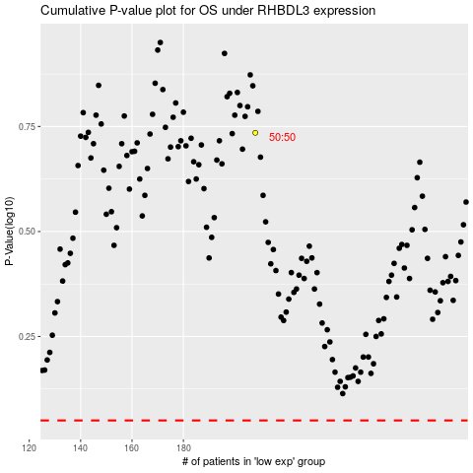

 |  |  |  |  |  | cases_OS | p_OS | rank | exp
 |  |  |  |  |  |  | cases_RFS | p_RFS | rank | exp

