RHD _multivariate
Reported by Tex Li-Hsing Chi. tex@gate.sinica.edu.tw 2019-08-16

Table 2. The clinicopathological features of HNSCC cohort and RHD expression. (Chi square test)
Cutoff at -0.2 (50.0%)
 |  | RHD expression |  | RHD expression |  | (Optimised)
 | Features | Low | (%) | High | (%) | Case no | P-value | Remark | Matthews
Gender | Female | 149 | 35.9 | 157 | 37.8 | 415 | 0.4848 | 0 | 0
2 | Male | 58 | 14 | 51 | 12.3
Age at diagnosis | <=65y | 129 | 31.1 | 145 | 34.9 | 415 | 0.1372 | 0 | 0
4 | >65y | 78 | 18.8 | 63 | 15.2
Clinical T Status | T1+T2 | 70 | 16.9 | 79 | 19 | 415 | 0.4343 | 0 | 0
6 | T3+T4 | 137 | 33 | 129 | 31.1
Clinical N Status | N0 | 115 | 27.7 | 101 | 24.3 | 415 | 0.184 | 1 | 0
8 | N1-3 | 92 | 22.2 | 107 | 25.8
Clinical M Status | M0 | 206 | 49.6 | 206 | 49.6 | 415 | 1 | 0 | 0
10 | M1 | 1 | 0.2 | 2 | 0.5
Clinical Stage | Stage I+II | 51 | 12.3 | 51 | 12.3 | 415 | 1 | 0 | 0
12 | Stage III+IV | 156 | 37.6 | 157 | 37.8
Surgical Margin status | Negative | 148 | 35.7 | 170 | 41 | 415 | 0.015 | 1 | 0
14 | Positive | 59 | 14.2 | 38 | 9.2
Tobacco Exposure | Low | 83 | 20 | 78 | 18.8 | 415 | 0.6152 | 0 | 0
16 | High | 124 | 29.9 | 130 | 31.3

Table 3. Univariate/Multivariate Cox's proportional hazards regression analyses on OS time of RHD gene expression in HNSCC

 |  | Univariate |  |  |  | Multivariate
 | Features | HR | CI95%(L) | CI95%(H) | P-value | HR | CI95%(L) | CI95%(H) | P-value
1 | Female | 1 |  |  |  | 1
Gender | Male | 1.157 | 0.843 | 1.587 | 0.367 | 1.197 | 0.856 | 1.673 | 0.293
11 | <=65y | 1 |  |  |  | 1
Age at diagnosis | >65y | 1.329 | 0.99 | 1.784 | 0.058 | 1.399 | 1.028 | 1.903 | 0.032
12 | T1+T2 | 1 |  |  |  | 1
Clinical T Status | T3+T4 | 1.409 | 1.028 | 1.931 | 0.033 | 2.192 | 1.159 | 4.145 | 0.016
13 | N0 | 1 |  |  |  | 1
Clinical N Status | N1-3 | 1.185 | 0.89 | 1.577 | 0.246 | 1.262 | 0.883 | 1.805 | 0.202
14 | M0 | 1 |  |  |  | 1
Clinical M Status | M1 | 4.097 | 1.009 | 16.644 | 0.049 | 9.431 | 2.057 | 43.239 | 0.004
15 | Stage I+II | 1 |  |  |  | 1
Clinical Stage | Stage III+IV | 1.245 | 0.882 | 1.759 | 0.213 | 0.502 | 0.234 | 1.076 | 0.077
16 | Negative | 1 |  |  |  | 1
Surgical Margin status | Positive | 1.591 | 1.155 | 2.191 | 0.004 | 1.644 | 1.187 | 2.278 | 0.003
17 | Low | 1 |  |  |  | 1
Tobacco Exposure | High | 1.364 | 1.008 | 1.844 | 0.044 | 1.454 | 1.055 | 2.004 | 0.022
18 | Low | 1 |  |  |  | 1
RNAseq(z-score) | High | 0.838 | 0.629 | 1.117 | 0.228 | 0.888 | 0.663 | 1.189 | 0.426

Table 4. Univariate/Multivariate Cox's proportional hazards regression analyses on RFS time of RHD gene expression in HNSCC

 |  | Univariate |  |  |  | Multivariate
 | Features | HR | CI95%(L) | CI95%(H) | P-value | HR | CI95%(L) | CI95%(H) | P-value
1 | Female | 1 |  |  |  | 1
Gender | Male | 1.157 | 0.843 | 1.587 | 0.367 | 1.197 | 0.856 | 1.673 | 0.293
11 | <=65y | 1 |  |  |  | 1
Age at diagnosis | >65y | 1.329 | 0.99 | 1.784 | 0.058 | 1.399 | 1.028 | 1.903 | 0.032
12 | T1+T2 | 1 |  |  |  | 1
Clinical T Status | T3+T4 | 1.409 | 1.028 | 1.931 | 0.033 | 2.192 | 1.159 | 4.145 | 0.016
13 | N0 | 1 |  |  |  | 1
Clinical N Status | N1-3 | 1.185 | 0.89 | 1.577 | 0.246 | 1.262 | 0.883 | 1.805 | 0.202
14 | M0 | 1 |  |  |  | 1
Clinical M Status | M1 | 4.097 | 1.009 | 16.644 | 0.049 | 9.431 | 2.057 | 43.239 | 0.004
15 | Stage I+II | 1 |  |  |  | 1
Clinical Stage | Stage III+IV | 1.245 | 0.882 | 1.759 | 0.213 | 0.502 | 0.234 | 1.076 | 0.077
16 | Negative | 1 |  |  |  | 1
Surgical Margin status | Positive | 1.591 | 1.155 | 2.191 | 0.004 | 1.644 | 1.187 | 2.278 | 0.003
17 | Low | 1 |  |  |  | 1
Tobacco Exposure | High | 1.364 | 1.008 | 1.844 | 0.044 | 1.454 | 1.055 | 2.004 | 0.022
18 | Low | 1 |  |  |  | 1
RNAseq(z-score) | High | 0.838 | 0.629 | 1.117 | 0.228 | 0.888 | 0.663 | 1.189 | 0.426

Kaplan-Meier survival estimate: Cutoff at -0.2 (50.0%)



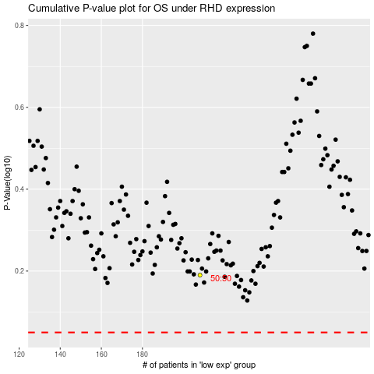

 |  |  |  |  |  | cases_OS | p_OS | rank | exp
 |  |  |  |  |  |  | cases_RFS | p_RFS | rank | exp

