RHOBTB2 _multivariate
Reported by Tex Li-Hsing Chi. tex@gate.sinica.edu.tw 2019-08-16

Table 2. The clinicopathological features of HNSCC cohort and RHOBTB2 expression. (Chi square test)
Cutoff at -0.24 (50.0%)
 |  | RHOBTB2 expression |  | RHOBTB2 expression |  | (Optimised)
 | Features | Low | (%) | High | (%) | Case no | P-value | Remark | Matthews
Gender | Female | 152 | 36.6 | 154 | 37.1 | 415 | 0.9766 | 0 | 0
2 | Male | 55 | 13.3 | 54 | 13
Age at diagnosis | <=65y | 132 | 31.8 | 142 | 34.2 | 415 | 0.3874 | 0 | 0
4 | >65y | 75 | 18.1 | 66 | 15.9
Clinical T Status | T1+T2 | 61 | 14.7 | 88 | 21.2 | 415 | 0.0087 | 1 | 0
6 | T3+T4 | 146 | 35.2 | 120 | 28.9
Clinical N Status | N0 | 108 | 26 | 108 | 26 | 415 | 1 | 0 | 0
8 | N1-3 | 99 | 23.9 | 100 | 24.1
Clinical M Status | M0 | 204 | 49.2 | 208 | 50.1 | 415 | 0.1232 | 0 | 0
10 | M1 | 3 | 0.7 | 0 | 0
Clinical Stage | Stage I+II | 39 | 9.4 | 63 | 15.2 | 415 | 0.0095 | 1 | 0
12 | Stage III+IV | 168 | 40.5 | 145 | 34.9
Surgical Margin status | Negative | 157 | 37.8 | 161 | 38.8 | 415 | 0.729 | 0 | 0
14 | Positive | 50 | 12 | 47 | 11.3
Tobacco Exposure | Low | 80 | 19.3 | 81 | 19.5 | 415 | 1 | 0 | 0
16 | High | 127 | 30.6 | 127 | 30.6

Table 3. Univariate/Multivariate Cox's proportional hazards regression analyses on OS time of RHOBTB2 gene expression in HNSCC

 |  | Univariate |  |  |  | Multivariate
 | Features | HR | CI95%(L) | CI95%(H) | P-value | HR | CI95%(L) | CI95%(H) | P-value
1 | Female | 1 |  |  |  | 1
Gender | Male | 1.157 | 0.843 | 1.587 | 0.367 | 1.228 | 0.877 | 1.72 | 0.232
11 | <=65y | 1 |  |  |  | 1
Age at diagnosis | >65y | 1.329 | 0.99 | 1.784 | 0.058 | 1.406 | 1.033 | 1.913 | 0.03
12 | T1+T2 | 1 |  |  |  | 1
Clinical T Status | T3+T4 | 1.409 | 1.028 | 1.931 | 0.033 | 2.232 | 1.179 | 4.224 | 0.014
13 | N0 | 1 |  |  |  | 1
Clinical N Status | N1-3 | 1.185 | 0.89 | 1.577 | 0.246 | 1.222 | 0.855 | 1.745 | 0.271
14 | M0 | 1 |  |  |  | 1
Clinical M Status | M1 | 4.097 | 1.009 | 16.644 | 0.049 | 10.48 | 2.257 | 48.66 | 0.003
15 | Stage I+II | 1 |  |  |  | 1
Clinical Stage | Stage III+IV | 1.245 | 0.882 | 1.759 | 0.213 | 0.514 | 0.239 | 1.105 | 0.088
16 | Negative | 1 |  |  |  | 1
Surgical Margin status | Positive | 1.591 | 1.155 | 2.191 | 0.004 | 1.691 | 1.223 | 2.339 | 0.001
17 | Low | 1 |  |  |  | 1
Tobacco Exposure | High | 1.364 | 1.008 | 1.844 | 0.044 | 1.462 | 1.06 | 2.017 | 0.02
18 | Low | 1 |  |  |  | 1
RNAseq(z-score) | High | 1.058 | 0.794 | 1.41 | 0.7 | 1.184 | 0.881 | 1.59 | 0.263

Table 4. Univariate/Multivariate Cox's proportional hazards regression analyses on RFS time of RHOBTB2 gene expression in HNSCC

 |  | Univariate |  |  |  | Multivariate
 | Features | HR | CI95%(L) | CI95%(H) | P-value | HR | CI95%(L) | CI95%(H) | P-value
1 | Female | 1 |  |  |  | 1
Gender | Male | 1.157 | 0.843 | 1.587 | 0.367 | 1.228 | 0.877 | 1.72 | 0.232
11 | <=65y | 1 |  |  |  | 1
Age at diagnosis | >65y | 1.329 | 0.99 | 1.784 | 0.058 | 1.406 | 1.033 | 1.913 | 0.03
12 | T1+T2 | 1 |  |  |  | 1
Clinical T Status | T3+T4 | 1.409 | 1.028 | 1.931 | 0.033 | 2.232 | 1.179 | 4.224 | 0.014
13 | N0 | 1 |  |  |  | 1
Clinical N Status | N1-3 | 1.185 | 0.89 | 1.577 | 0.246 | 1.222 | 0.855 | 1.745 | 0.271
14 | M0 | 1 |  |  |  | 1
Clinical M Status | M1 | 4.097 | 1.009 | 16.644 | 0.049 | 10.48 | 2.257 | 48.66 | 0.003
15 | Stage I+II | 1 |  |  |  | 1
Clinical Stage | Stage III+IV | 1.245 | 0.882 | 1.759 | 0.213 | 0.514 | 0.239 | 1.105 | 0.088
16 | Negative | 1 |  |  |  | 1
Surgical Margin status | Positive | 1.591 | 1.155 | 2.191 | 0.004 | 1.691 | 1.223 | 2.339 | 0.001
17 | Low | 1 |  |  |  | 1
Tobacco Exposure | High | 1.364 | 1.008 | 1.844 | 0.044 | 1.462 | 1.06 | 2.017 | 0.02
18 | Low | 1 |  |  |  | 1
RNAseq(z-score) | High | 1.058 | 0.794 | 1.41 | 0.7 | 1.184 | 0.881 | 1.59 | 0.263

Kaplan-Meier survival estimate: Cutoff at -0.24 (50.0%)

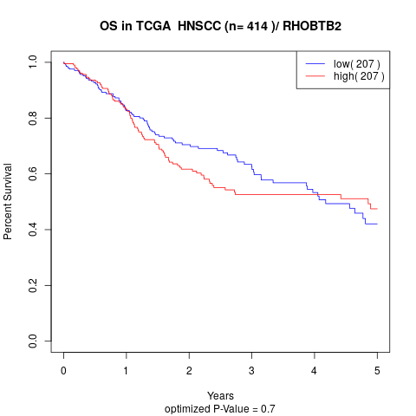

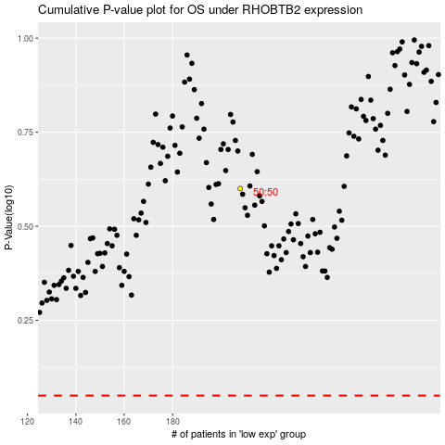

 |  |  |  |  |  | cases_OS | p_OS | rank | exp
 |  |  |  |  |  |  | cases_RFS | p_RFS | rank | exp

