RHOC _multivariate
Reported by Tex Li-Hsing Chi. tex@gate.sinica.edu.tw 2019-08-16

Table 2. The clinicopathological features of HNSCC cohort and RHOC expression. (Chi square test)
Cutoff at 0.082 (61.8%)
 |  | RHOC expression |  | RHOC expression |  | (Optimised)
 | Features | Low | (%) | High | (%) | Case no | P-value | Remark | Matthews
Gender | Female | 191 | 46 | 115 | 27.7 | 415 | 0.69 | 0 | 0
2 | Male | 65 | 15.7 | 44 | 10.6
Age at diagnosis | <=65y | 168 | 40.5 | 106 | 25.5 | 415 | 0.9114 | 0 | 0
4 | >65y | 88 | 21.2 | 53 | 12.8
Clinical T Status | T1+T2 | 97 | 23.4 | 52 | 12.5 | 415 | 0.3343 | 0 | 0
6 | T3+T4 | 159 | 38.3 | 107 | 25.8
Clinical N Status | N0 | 144 | 34.7 | 72 | 17.3 | 415 | 0.0382 | 1 | 0
8 | N1-3 | 112 | 27 | 87 | 21
Clinical M Status | M0 | 254 | 61.2 | 158 | 38.1 | 415 | 1 | 0 | 0
10 | M1 | 2 | 0.5 | 1 | 0.2
Clinical Stage | Stage I+II | 67 | 16.1 | 35 | 8.4 | 415 | 0.4012 | 0 | 0
12 | Stage III+IV | 189 | 45.5 | 124 | 29.9
Surgical Margin status | Negative | 196 | 47.2 | 122 | 29.4 | 415 | 1 | 0 | 0
14 | Positive | 60 | 14.5 | 37 | 8.9
Tobacco Exposure | Low | 102 | 24.6 | 59 | 14.2 | 415 | 0.6054 | 0 | 0
16 | High | 154 | 37.1 | 100 | 24.1

Table 3. Univariate/Multivariate Cox's proportional hazards regression analyses on OS time of RHOC gene expression in HNSCC

 |  | Univariate |  |  |  | Multivariate
 | Features | HR | CI95%(L) | CI95%(H) | P-value | HR | CI95%(L) | CI95%(H) | P-value
1 | Female | 1 |  |  |  | 1
Gender | Male | 1.157 | 0.843 | 1.587 | 0.367 | 1.203 | 0.86 | 1.682 | 0.28
11 | <=65y | 1 |  |  |  | 1
Age at diagnosis | >65y | 1.329 | 0.99 | 1.784 | 0.058 | 1.37 | 1.007 | 1.863 | 0.045
12 | T1+T2 | 1 |  |  |  | 1
Clinical T Status | T3+T4 | 1.409 | 1.028 | 1.931 | 0.033 | 2.141 | 1.132 | 4.049 | 0.019
13 | N0 | 1 |  |  |  | 1
Clinical N Status | N1-3 | 1.185 | 0.89 | 1.577 | 0.246 | 1.186 | 0.828 | 1.7 | 0.352
14 | M0 | 1 |  |  |  | 1
Clinical M Status | M1 | 4.097 | 1.009 | 16.644 | 0.049 | 9.312 | 2.031 | 42.686 | 0.004
15 | Stage I+II | 1 |  |  |  | 1
Clinical Stage | Stage III+IV | 1.245 | 0.882 | 1.759 | 0.213 | 0.531 | 0.247 | 1.142 | 0.105
16 | Negative | 1 |  |  |  | 1
Surgical Margin status | Positive | 1.591 | 1.155 | 2.191 | 0.004 | 1.676 | 1.213 | 2.315 | 0.002
17 | Low | 1 |  |  |  | 1
Tobacco Exposure | High | 1.364 | 1.008 | 1.844 | 0.044 | 1.444 | 1.047 | 1.992 | 0.025
18 | Low | 1 |  |  |  | 1
RNAseq(z-score) | High | 1.341 | 1.001 | 1.797 | 0.049 | 1.287 | 0.957 | 1.731 | 0.096

Table 4. Univariate/Multivariate Cox's proportional hazards regression analyses on RFS time of RHOC gene expression in HNSCC

 |  | Univariate |  |  |  | Multivariate
 | Features | HR | CI95%(L) | CI95%(H) | P-value | HR | CI95%(L) | CI95%(H) | P-value
1 | Female | 1 |  |  |  | 1
Gender | Male | 1.157 | 0.843 | 1.587 | 0.367 | 1.203 | 0.86 | 1.682 | 0.28
11 | <=65y | 1 |  |  |  | 1
Age at diagnosis | >65y | 1.329 | 0.99 | 1.784 | 0.058 | 1.37 | 1.007 | 1.863 | 0.045
12 | T1+T2 | 1 |  |  |  | 1
Clinical T Status | T3+T4 | 1.409 | 1.028 | 1.931 | 0.033 | 2.141 | 1.132 | 4.049 | 0.019
13 | N0 | 1 |  |  |  | 1
Clinical N Status | N1-3 | 1.185 | 0.89 | 1.577 | 0.246 | 1.186 | 0.828 | 1.7 | 0.352
14 | M0 | 1 |  |  |  | 1
Clinical M Status | M1 | 4.097 | 1.009 | 16.644 | 0.049 | 9.312 | 2.031 | 42.686 | 0.004
15 | Stage I+II | 1 |  |  |  | 1
Clinical Stage | Stage III+IV | 1.245 | 0.882 | 1.759 | 0.213 | 0.531 | 0.247 | 1.142 | 0.105
16 | Negative | 1 |  |  |  | 1
Surgical Margin status | Positive | 1.591 | 1.155 | 2.191 | 0.004 | 1.676 | 1.213 | 2.315 | 0.002
17 | Low | 1 |  |  |  | 1
Tobacco Exposure | High | 1.364 | 1.008 | 1.844 | 0.044 | 1.444 | 1.047 | 1.992 | 0.025
18 | Low | 1 |  |  |  | 1
RNAseq(z-score) | High | 1.341 | 1.001 | 1.797 | 0.049 | 1.287 | 0.957 | 1.731 | 0.096

Kaplan-Meier survival estimate: Cutoff at 0.082 (61.8%)



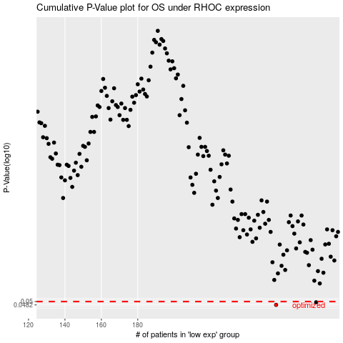

 |  |  |  |  |  | cases_OS | p_OS | rank | exp
 |  |  |  |  |  | 256 | 0.0482 | 198 | 0.082008621832
 |  |  |  |  |  | 278 | 0.0496 | 239 | 0.22596706704
 |  |  |  |  |  |  | cases_RFS | p_RFS | rank | exp
 |  |  |  |  |  |  | 255 | 0.0482 | 45 | 0.079604410416
 |  |  |  |  |  |  | 277 | 0.0496 | 402 | 0.22588122229

