RHOD _multivariate
Reported by Tex Li-Hsing Chi. tex@gate.sinica.edu.tw 2019-08-16

Table 2. The clinicopathological features of HNSCC cohort and RHOD expression. (Chi square test)
Cutoff at -0.175 (50.0%)
 |  | RHOD expression |  | RHOD expression |  | (Optimised)
 | Features | Low | (%) | High | (%) | Case no | P-value | Remark | Matthews
Gender | Female | 159 | 38.3 | 147 | 35.4 | 415 | 0.1905 | 0 | 0
2 | Male | 48 | 11.6 | 61 | 14.7
Age at diagnosis | <=65y | 133 | 32 | 141 | 34 | 415 | 0.5111 | 0 | 0
4 | >65y | 74 | 17.8 | 67 | 16.1
Clinical T Status | T1+T2 | 77 | 18.6 | 72 | 17.3 | 415 | 0.6556 | 0 | 0
6 | T3+T4 | 130 | 31.3 | 136 | 32.8
Clinical N Status | N0 | 105 | 25.3 | 111 | 26.7 | 415 | 0.6598 | 0 | 0
8 | N1-3 | 102 | 24.6 | 97 | 23.4
Clinical M Status | M0 | 206 | 49.6 | 206 | 49.6 | 415 | 1 | 0 | 0
10 | M1 | 1 | 0.2 | 2 | 0.5
Clinical Stage | Stage I+II | 46 | 11.1 | 56 | 13.5 | 415 | 0.3182 | 0 | 0
12 | Stage III+IV | 161 | 38.8 | 152 | 36.6
Surgical Margin status | Negative | 147 | 35.4 | 171 | 41.2 | 415 | 0.0077 | 1 | 0
14 | Positive | 60 | 14.5 | 37 | 8.9
Tobacco Exposure | Low | 79 | 19 | 82 | 19.8 | 415 | 0.8405 | 0 | 0
16 | High | 128 | 30.8 | 126 | 30.4

Table 3. Univariate/Multivariate Cox's proportional hazards regression analyses on OS time of RHOD gene expression in HNSCC

 |  | Univariate |  |  |  | Multivariate
 | Features | HR | CI95%(L) | CI95%(H) | P-value | HR | CI95%(L) | CI95%(H) | P-value
1 | Female | 1 |  |  |  | 1
Gender | Male | 1.157 | 0.843 | 1.587 | 0.367 | 1.209 | 0.865 | 1.691 | 0.267
11 | <=65y | 1 |  |  |  | 1
Age at diagnosis | >65y | 1.329 | 0.99 | 1.784 | 0.058 | 1.386 | 1.019 | 1.886 | 0.038
12 | T1+T2 | 1 |  |  |  | 1
Clinical T Status | T3+T4 | 1.409 | 1.028 | 1.931 | 0.033 | 2.227 | 1.175 | 4.219 | 0.014
13 | N0 | 1 |  |  |  | 1
Clinical N Status | N1-3 | 1.185 | 0.89 | 1.577 | 0.246 | 1.246 | 0.873 | 1.78 | 0.225
14 | M0 | 1 |  |  |  | 1
Clinical M Status | M1 | 4.097 | 1.009 | 16.644 | 0.049 | 9.687 | 2.1 | 44.684 | 0.004
15 | Stage I+II | 1 |  |  |  | 1
Clinical Stage | Stage III+IV | 1.245 | 0.882 | 1.759 | 0.213 | 0.495 | 0.229 | 1.068 | 0.073
16 | Negative | 1 |  |  |  | 1
Surgical Margin status | Positive | 1.591 | 1.155 | 2.191 | 0.004 | 1.663 | 1.202 | 2.3 | 0.002
17 | Low | 1 |  |  |  | 1
Tobacco Exposure | High | 1.364 | 1.008 | 1.844 | 0.044 | 1.453 | 1.054 | 2.001 | 0.022
18 | Low | 1 |  |  |  | 1
RNAseq(z-score) | High | 0.943 | 0.707 | 1.257 | 0.689 | 0.939 | 0.699 | 1.26 | 0.674

Table 4. Univariate/Multivariate Cox's proportional hazards regression analyses on RFS time of RHOD gene expression in HNSCC

 |  | Univariate |  |  |  | Multivariate
 | Features | HR | CI95%(L) | CI95%(H) | P-value | HR | CI95%(L) | CI95%(H) | P-value
1 | Female | 1 |  |  |  | 1
Gender | Male | 1.157 | 0.843 | 1.587 | 0.367 | 1.209 | 0.865 | 1.691 | 0.267
11 | <=65y | 1 |  |  |  | 1
Age at diagnosis | >65y | 1.329 | 0.99 | 1.784 | 0.058 | 1.386 | 1.019 | 1.886 | 0.038
12 | T1+T2 | 1 |  |  |  | 1
Clinical T Status | T3+T4 | 1.409 | 1.028 | 1.931 | 0.033 | 2.227 | 1.175 | 4.219 | 0.014
13 | N0 | 1 |  |  |  | 1
Clinical N Status | N1-3 | 1.185 | 0.89 | 1.577 | 0.246 | 1.246 | 0.873 | 1.78 | 0.225
14 | M0 | 1 |  |  |  | 1
Clinical M Status | M1 | 4.097 | 1.009 | 16.644 | 0.049 | 9.687 | 2.1 | 44.684 | 0.004
15 | Stage I+II | 1 |  |  |  | 1
Clinical Stage | Stage III+IV | 1.245 | 0.882 | 1.759 | 0.213 | 0.495 | 0.229 | 1.068 | 0.073
16 | Negative | 1 |  |  |  | 1
Surgical Margin status | Positive | 1.591 | 1.155 | 2.191 | 0.004 | 1.663 | 1.202 | 2.3 | 0.002
17 | Low | 1 |  |  |  | 1
Tobacco Exposure | High | 1.364 | 1.008 | 1.844 | 0.044 | 1.453 | 1.054 | 2.001 | 0.022
18 | Low | 1 |  |  |  | 1
RNAseq(z-score) | High | 0.943 | 0.707 | 1.257 | 0.689 | 0.939 | 0.699 | 1.26 | 0.674

Kaplan-Meier survival estimate: Cutoff at -0.175 (50.0%)



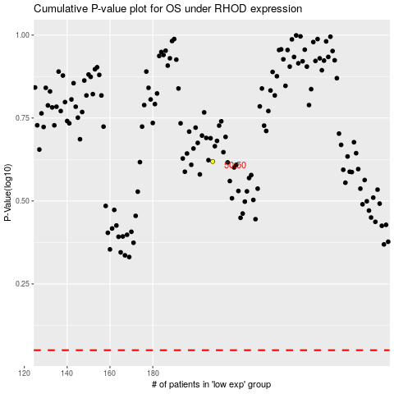

 |  |  |  |  |  | cases_OS | p_OS | rank | exp
 |  |  |  |  |  |  | cases_RFS | p_RFS | rank | exp

