RHOG _multivariate
Reported by Tex Li-Hsing Chi. tex@gate.sinica.edu.tw 2019-08-16

Table 2. The clinicopathological features of HNSCC cohort and RHOG expression. (Chi square test)
Cutoff at -0.085 (50.0%)
 |  | RHOG expression |  | RHOG expression |  | (Optimised)
 | Features | Low | (%) | High | (%) | Case no | P-value | Remark | Matthews
Gender | Female | 165 | 39.8 | 141 | 34 | 415 | 0.0081 | 1 | 0
2 | Male | 42 | 10.1 | 67 | 16.1
Age at diagnosis | <=65y | 144 | 34.7 | 130 | 31.3 | 415 | 0.1568 | 0 | 0
4 | >65y | 63 | 15.2 | 78 | 18.8
Clinical T Status | T1+T2 | 69 | 16.6 | 80 | 19.3 | 415 | 0.3239 | 0 | 0
6 | T3+T4 | 138 | 33.3 | 128 | 30.8
Clinical N Status | N0 | 104 | 25.1 | 112 | 27 | 415 | 0.5243 | 0 | 0
8 | N1-3 | 103 | 24.8 | 96 | 23.1
Clinical M Status | M0 | 206 | 49.6 | 206 | 49.6 | 415 | 1 | 0 | 0
10 | M1 | 1 | 0.2 | 2 | 0.5
Clinical Stage | Stage I+II | 43 | 10.4 | 59 | 14.2 | 415 | 0.0925 | 0 | 0
12 | Stage III+IV | 164 | 39.5 | 149 | 35.9
Surgical Margin status | Negative | 156 | 37.6 | 162 | 39 | 415 | 0.5636 | 0 | 0
14 | Positive | 51 | 12.3 | 46 | 11.1
Tobacco Exposure | Low | 56 | 13.5 | 105 | 25.3 | 415 | 0 | 1 | 0
16 | High | 151 | 36.4 | 103 | 24.8

Table 3. Univariate/Multivariate Cox's proportional hazards regression analyses on OS time of RHOG gene expression in HNSCC

 |  | Univariate |  |  |  | Multivariate
 | Features | HR | CI95%(L) | CI95%(H) | P-value | HR | CI95%(L) | CI95%(H) | P-value
1 | Female | 1 |  |  |  | 1
Gender | Male | 1.157 | 0.843 | 1.587 | 0.367 | 1.225 | 0.875 | 1.715 | 0.238
11 | <=65y | 1 |  |  |  | 1
Age at diagnosis | >65y | 1.329 | 0.99 | 1.784 | 0.058 | 1.398 | 1.029 | 1.901 | 0.032
12 | T1+T2 | 1 |  |  |  | 1
Clinical T Status | T3+T4 | 1.409 | 1.028 | 1.931 | 0.033 | 2.235 | 1.181 | 4.23 | 0.013
13 | N0 | 1 |  |  |  | 1
Clinical N Status | N1-3 | 1.185 | 0.89 | 1.577 | 0.246 | 1.251 | 0.876 | 1.785 | 0.219
14 | M0 | 1 |  |  |  | 1
Clinical M Status | M1 | 4.097 | 1.009 | 16.644 | 0.049 | 9.984 | 2.165 | 46.044 | 0.003
15 | Stage I+II | 1 |  |  |  | 1
Clinical Stage | Stage III+IV | 1.245 | 0.882 | 1.759 | 0.213 | 0.487 | 0.226 | 1.049 | 0.066
16 | Negative | 1 |  |  |  | 1
Surgical Margin status | Positive | 1.591 | 1.155 | 2.191 | 0.004 | 1.682 | 1.216 | 2.326 | 0.002
17 | Low | 1 |  |  |  | 1
Tobacco Exposure | High | 1.364 | 1.008 | 1.844 | 0.044 | 1.413 | 1.02 | 1.957 | 0.038
18 | Low | 1 |  |  |  | 1
RNAseq(z-score) | High | 0.894 | 0.671 | 1.191 | 0.444 | 0.874 | 0.645 | 1.183 | 0.383

Table 4. Univariate/Multivariate Cox's proportional hazards regression analyses on RFS time of RHOG gene expression in HNSCC

 |  | Univariate |  |  |  | Multivariate
 | Features | HR | CI95%(L) | CI95%(H) | P-value | HR | CI95%(L) | CI95%(H) | P-value
1 | Female | 1 |  |  |  | 1
Gender | Male | 1.157 | 0.843 | 1.587 | 0.367 | 1.225 | 0.875 | 1.715 | 0.238
11 | <=65y | 1 |  |  |  | 1
Age at diagnosis | >65y | 1.329 | 0.99 | 1.784 | 0.058 | 1.398 | 1.029 | 1.901 | 0.032
12 | T1+T2 | 1 |  |  |  | 1
Clinical T Status | T3+T4 | 1.409 | 1.028 | 1.931 | 0.033 | 2.235 | 1.181 | 4.23 | 0.013
13 | N0 | 1 |  |  |  | 1
Clinical N Status | N1-3 | 1.185 | 0.89 | 1.577 | 0.246 | 1.251 | 0.876 | 1.785 | 0.219
14 | M0 | 1 |  |  |  | 1
Clinical M Status | M1 | 4.097 | 1.009 | 16.644 | 0.049 | 9.984 | 2.165 | 46.044 | 0.003
15 | Stage I+II | 1 |  |  |  | 1
Clinical Stage | Stage III+IV | 1.245 | 0.882 | 1.759 | 0.213 | 0.487 | 0.226 | 1.049 | 0.066
16 | Negative | 1 |  |  |  | 1
Surgical Margin status | Positive | 1.591 | 1.155 | 2.191 | 0.004 | 1.682 | 1.216 | 2.326 | 0.002
17 | Low | 1 |  |  |  | 1
Tobacco Exposure | High | 1.364 | 1.008 | 1.844 | 0.044 | 1.413 | 1.02 | 1.957 | 0.038
18 | Low | 1 |  |  |  | 1
RNAseq(z-score) | High | 0.894 | 0.671 | 1.191 | 0.444 | 0.874 | 0.645 | 1.183 | 0.383

Kaplan-Meier survival estimate: Cutoff at -0.085 (50.0%)



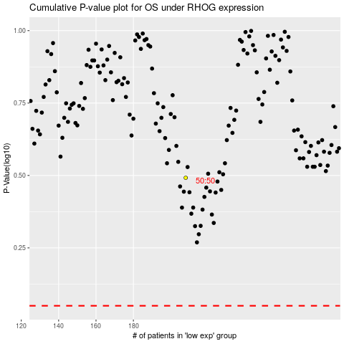

 |  |  |  |  |  | cases_OS | p_OS | rank | exp
 |  |  |  |  |  |  | cases_RFS | p_RFS | rank | exp

