RHOT1 _multivariate
Reported by Tex Li-Hsing Chi. tex@gate.sinica.edu.tw 2019-08-16

Table 2. The clinicopathological features of HNSCC cohort and RHOT1 expression. (Chi square test)
Cutoff at -0.152 (49.8%)
 |  | RHOT1 expression |  | RHOT1 expression |  | (Optimised)
 | Features | Low | (%) | High | (%) | Case no | P-value | Remark | Matthews
Gender | Female | 139 | 33.5 | 167 | 40.2 | 415 | 0.0034 | 1 | 0
2 | Male | 68 | 16.4 | 41 | 9.9
Age at diagnosis | <=65y | 133 | 32 | 141 | 34 | 415 | 0.5111 | 0 | 0
4 | >65y | 74 | 17.8 | 67 | 16.1
Clinical T Status | T1+T2 | 86 | 20.7 | 63 | 15.2 | 415 | 0.0221 | 1 | 0
6 | T3+T4 | 121 | 29.2 | 145 | 34.9
Clinical N Status | N0 | 112 | 27 | 104 | 25.1 | 415 | 0.4599 | 0 | 0
8 | N1-3 | 95 | 22.9 | 104 | 25.1
Clinical M Status | M0 | 205 | 49.4 | 207 | 49.9 | 415 | 0.6232 | 0 | 0
10 | M1 | 2 | 0.5 | 1 | 0.2
Clinical Stage | Stage I+II | 57 | 13.7 | 45 | 10.8 | 415 | 0.1998 | 0 | 0
12 | Stage III+IV | 150 | 36.1 | 163 | 39.3
Surgical Margin status | Negative | 153 | 36.9 | 165 | 39.8 | 415 | 0.2036 | 0 | 0
14 | Positive | 54 | 13 | 43 | 10.4
Tobacco Exposure | Low | 95 | 22.9 | 66 | 15.9 | 415 | 0.0035 | 1 | 0
16 | High | 112 | 27 | 142 | 34.2

Table 3. Univariate/Multivariate Cox's proportional hazards regression analyses on OS time of RHOT1 gene expression in HNSCC

 |  | Univariate |  |  |  | Multivariate
 | Features | HR | CI95%(L) | CI95%(H) | P-value | HR | CI95%(L) | CI95%(H) | P-value
1 | Female | 1 |  |  |  | 1
Gender | Male | 1.157 | 0.843 | 1.587 | 0.367 | 1.207 | 0.86 | 1.694 | 0.276
11 | <=65y | 1 |  |  |  | 1
Age at diagnosis | >65y | 1.329 | 0.99 | 1.784 | 0.058 | 1.394 | 1.025 | 1.896 | 0.034
12 | T1+T2 | 1 |  |  |  | 1
Clinical T Status | T3+T4 | 1.409 | 1.028 | 1.931 | 0.033 | 2.194 | 1.158 | 4.156 | 0.016
13 | N0 | 1 |  |  |  | 1
Clinical N Status | N1-3 | 1.185 | 0.89 | 1.577 | 0.246 | 1.239 | 0.868 | 1.769 | 0.237
14 | M0 | 1 |  |  |  | 1
Clinical M Status | M1 | 4.097 | 1.009 | 16.644 | 0.049 | 9.427 | 2.056 | 43.225 | 0.004
15 | Stage I+II | 1 |  |  |  | 1
Clinical Stage | Stage III+IV | 1.245 | 0.882 | 1.759 | 0.213 | 0.505 | 0.235 | 1.085 | 0.08
16 | Negative | 1 |  |  |  | 1
Surgical Margin status | Positive | 1.591 | 1.155 | 2.191 | 0.004 | 1.675 | 1.211 | 2.318 | 0.002
17 | Low | 1 |  |  |  | 1
Tobacco Exposure | High | 1.364 | 1.008 | 1.844 | 0.044 | 1.45 | 1.052 | 2 | 0.023
18 | Low | 1 |  |  |  | 1
RNAseq(z-score) | High | 1.012 | 0.76 | 1.348 | 0.934 | 1.024 | 0.759 | 1.381 | 0.877

Table 4. Univariate/Multivariate Cox's proportional hazards regression analyses on RFS time of RHOT1 gene expression in HNSCC

 |  | Univariate |  |  |  | Multivariate
 | Features | HR | CI95%(L) | CI95%(H) | P-value | HR | CI95%(L) | CI95%(H) | P-value
1 | Female | 1 |  |  |  | 1
Gender | Male | 1.157 | 0.843 | 1.587 | 0.367 | 1.207 | 0.86 | 1.694 | 0.276
11 | <=65y | 1 |  |  |  | 1
Age at diagnosis | >65y | 1.329 | 0.99 | 1.784 | 0.058 | 1.394 | 1.025 | 1.896 | 0.034
12 | T1+T2 | 1 |  |  |  | 1
Clinical T Status | T3+T4 | 1.409 | 1.028 | 1.931 | 0.033 | 2.194 | 1.158 | 4.156 | 0.016
13 | N0 | 1 |  |  |  | 1
Clinical N Status | N1-3 | 1.185 | 0.89 | 1.577 | 0.246 | 1.239 | 0.868 | 1.769 | 0.237
14 | M0 | 1 |  |  |  | 1
Clinical M Status | M1 | 4.097 | 1.009 | 16.644 | 0.049 | 9.427 | 2.056 | 43.225 | 0.004
15 | Stage I+II | 1 |  |  |  | 1
Clinical Stage | Stage III+IV | 1.245 | 0.882 | 1.759 | 0.213 | 0.505 | 0.235 | 1.085 | 0.08
16 | Negative | 1 |  |  |  | 1
Surgical Margin status | Positive | 1.591 | 1.155 | 2.191 | 0.004 | 1.675 | 1.211 | 2.318 | 0.002
17 | Low | 1 |  |  |  | 1
Tobacco Exposure | High | 1.364 | 1.008 | 1.844 | 0.044 | 1.45 | 1.052 | 2 | 0.023
18 | Low | 1 |  |  |  | 1
RNAseq(z-score) | High | 1.012 | 0.76 | 1.348 | 0.934 | 1.024 | 0.759 | 1.381 | 0.877

Kaplan-Meier survival estimate: Cutoff at -0.152 (49.8%)



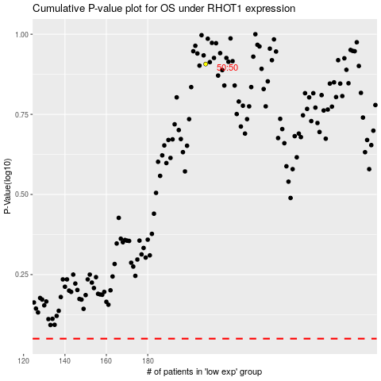

 |  |  |  |  |  | cases_OS | p_OS | rank | exp
 |  |  |  |  |  |  | cases_RFS | p_RFS | rank | exp

