RHPN1 _multivariate
Reported by Tex Li-Hsing Chi. tex@gate.sinica.edu.tw 2019-08-16

Table 2. The clinicopathological features of HNSCC cohort and RHPN1 expression. (Chi square test)
Cutoff at -0.397 (45.2%)
 |  | RHPN1 expression |  | RHPN1 expression |  | (Optimised)
 | Features | Low | (%) | High | (%) | Case no | P-value | Remark | Matthews
Gender | Female | 130 | 31.3 | 176 | 42.4 | 415 | 0.0688 | 0 | 0
2 | Male | 58 | 14 | 51 | 12.3
Age at diagnosis | <=65y | 117 | 28.2 | 157 | 37.8 | 415 | 0.1678 | 0 | 0
4 | >65y | 71 | 17.1 | 70 | 16.9
Clinical T Status | T1+T2 | 70 | 16.9 | 79 | 19 | 415 | 0.6808 | 0 | 0
6 | T3+T4 | 118 | 28.4 | 148 | 35.7
Clinical N Status | N0 | 103 | 24.8 | 113 | 27.2 | 415 | 0.3588 | 0 | 0
8 | N1-3 | 85 | 20.5 | 114 | 27.5
Clinical M Status | M0 | 187 | 45.1 | 225 | 54.2 | 415 | 1 | 0 | 0
10 | M1 | 1 | 0.2 | 2 | 0.5
Clinical Stage | Stage I+II | 54 | 13 | 48 | 11.6 | 415 | 0.0949 | 0 | 0
12 | Stage III+IV | 134 | 32.3 | 179 | 43.1
Surgical Margin status | Negative | 147 | 35.4 | 171 | 41.2 | 415 | 0.5604 | 0 | 0
14 | Positive | 41 | 9.9 | 56 | 13.5
Tobacco Exposure | Low | 84 | 20.2 | 77 | 18.6 | 415 | 0.0265 | 1 | 0
16 | High | 104 | 25.1 | 150 | 36.1

Table 3. Univariate/Multivariate Cox's proportional hazards regression analyses on OS time of RHPN1 gene expression in HNSCC

 |  | Univariate |  |  |  | Multivariate
 | Features | HR | CI95%(L) | CI95%(H) | P-value | HR | CI95%(L) | CI95%(H) | P-value
1 | Female | 1 |  |  |  | 1
Gender | Male | 1.157 | 0.843 | 1.587 | 0.367 | 1.191 | 0.853 | 1.662 | 0.306
11 | <=65y | 1 |  |  |  | 1
Age at diagnosis | >65y | 1.329 | 0.99 | 1.784 | 0.058 | 1.377 | 1.014 | 1.87 | 0.041
12 | T1+T2 | 1 |  |  |  | 1
Clinical T Status | T3+T4 | 1.409 | 1.028 | 1.931 | 0.033 | 2.094 | 1.105 | 3.967 | 0.023
13 | N0 | 1 |  |  |  | 1
Clinical N Status | N1-3 | 1.185 | 0.89 | 1.577 | 0.246 | 1.261 | 0.885 | 1.798 | 0.2
14 | M0 | 1 |  |  |  | 1
Clinical M Status | M1 | 4.097 | 1.009 | 16.644 | 0.049 | 9.078 | 1.979 | 41.641 | 0.005
15 | Stage I+II | 1 |  |  |  | 1
Clinical Stage | Stage III+IV | 1.245 | 0.882 | 1.759 | 0.213 | 0.538 | 0.25 | 1.156 | 0.112
16 | Negative | 1 |  |  |  | 1
Surgical Margin status | Positive | 1.591 | 1.155 | 2.191 | 0.004 | 1.712 | 1.238 | 2.368 | 0.001
17 | Low | 1 |  |  |  | 1
Tobacco Exposure | High | 1.364 | 1.008 | 1.844 | 0.044 | 1.519 | 1.1 | 2.098 | 0.011
18 | Low | 1 |  |  |  | 1
RNAseq(z-score) | High | 0.738 | 0.553 | 0.984 | 0.038 | 0.698 | 0.52 | 0.937 | 0.017

Table 4. Univariate/Multivariate Cox's proportional hazards regression analyses on RFS time of RHPN1 gene expression in HNSCC

 |  | Univariate |  |  |  | Multivariate
 | Features | HR | CI95%(L) | CI95%(H) | P-value | HR | CI95%(L) | CI95%(H) | P-value
1 | Female | 1 |  |  |  | 1
Gender | Male | 1.157 | 0.843 | 1.587 | 0.367 | 1.191 | 0.853 | 1.662 | 0.306
11 | <=65y | 1 |  |  |  | 1
Age at diagnosis | >65y | 1.329 | 0.99 | 1.784 | 0.058 | 1.377 | 1.014 | 1.87 | 0.041
12 | T1+T2 | 1 |  |  |  | 1
Clinical T Status | T3+T4 | 1.409 | 1.028 | 1.931 | 0.033 | 2.094 | 1.105 | 3.967 | 0.023
13 | N0 | 1 |  |  |  | 1
Clinical N Status | N1-3 | 1.185 | 0.89 | 1.577 | 0.246 | 1.261 | 0.885 | 1.798 | 0.2
14 | M0 | 1 |  |  |  | 1
Clinical M Status | M1 | 4.097 | 1.009 | 16.644 | 0.049 | 9.078 | 1.979 | 41.641 | 0.005
15 | Stage I+II | 1 |  |  |  | 1
Clinical Stage | Stage III+IV | 1.245 | 0.882 | 1.759 | 0.213 | 0.538 | 0.25 | 1.156 | 0.112
16 | Negative | 1 |  |  |  | 1
Surgical Margin status | Positive | 1.591 | 1.155 | 2.191 | 0.004 | 1.712 | 1.238 | 2.368 | 0.001
17 | Low | 1 |  |  |  | 1
Tobacco Exposure | High | 1.364 | 1.008 | 1.844 | 0.044 | 1.519 | 1.1 | 2.098 | 0.011
18 | Low | 1 |  |  |  | 1
RNAseq(z-score) | High | 0.738 | 0.553 | 0.984 | 0.038 | 0.698 | 0.52 | 0.937 | 0.017

Kaplan-Meier survival estimate: Cutoff at -0.397 (45.2%)



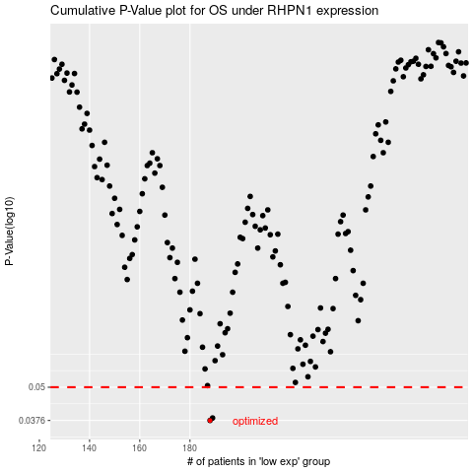

 |  |  |  |  |  | cases_OS | p_OS | rank | exp
 |  |  |  |  |  | 188 | 0.0376 | 259 | -0.39717473232
 |  |  |  |  |  | 189 | 0.0384 | 219 | -0.39567903691
 |  |  |  |  |  |  | cases_RFS | p_RFS | rank | exp
 |  |  |  |  |  |  | 187 | 0.0376 | 355 | -0.3980257467
 |  |  |  |  |  |  | 188 | 0.0384 | 259 | -0.39717473232

