RIBC2 _multivariate
Reported by Tex Li-Hsing Chi. tex@gate.sinica.edu.tw 2019-08-16

Table 2. The clinicopathological features of HNSCC cohort and RIBC2 expression. (Chi square test)
Cutoff at -0.374 (49.8%)
 |  | RIBC2 expression |  | RIBC2 expression |  | (Optimised)
 | Features | Low | (%) | High | (%) | Case no | P-value | Remark | Matthews
Gender | Female | 150 | 36.1 | 156 | 37.6 | 415 | 0.6344 | 0 | 0
2 | Male | 57 | 13.7 | 52 | 12.5
Age at diagnosis | <=65y | 138 | 33.3 | 136 | 32.8 | 415 | 0.8634 | 0 | 0
4 | >65y | 69 | 16.6 | 72 | 17.3
Clinical T Status | T1+T2 | 68 | 16.4 | 81 | 19.5 | 415 | 0.2336 | 0 | 0
6 | T3+T4 | 139 | 33.5 | 127 | 30.6
Clinical N Status | N0 | 110 | 26.5 | 106 | 25.5 | 415 | 0.7294 | 0 | 0
8 | N1-3 | 97 | 23.4 | 102 | 24.6
Clinical M Status | M0 | 206 | 49.6 | 206 | 49.6 | 415 | 1 | 0 | 0
10 | M1 | 1 | 0.2 | 2 | 0.5
Clinical Stage | Stage I+II | 52 | 12.5 | 50 | 12 | 415 | 0.8871 | 0 | 0
12 | Stage III+IV | 155 | 37.3 | 158 | 38.1
Surgical Margin status | Negative | 166 | 40 | 152 | 36.6 | 415 | 0.1042 | 0 | 0
14 | Positive | 41 | 9.9 | 56 | 13.5
Tobacco Exposure | Low | 84 | 20.2 | 77 | 18.6 | 415 | 0.4816 | 0 | 0
16 | High | 123 | 29.6 | 131 | 31.6

Table 3. Univariate/Multivariate Cox's proportional hazards regression analyses on OS time of RIBC2 gene expression in HNSCC

 |  | Univariate |  |  |  | Multivariate
 | Features | HR | CI95%(L) | CI95%(H) | P-value | HR | CI95%(L) | CI95%(H) | P-value
1 | Female | 1 |  |  |  | 1
Gender | Male | 1.157 | 0.843 | 1.587 | 0.367 | 1.202 | 0.86 | 1.679 | 0.281
11 | <=65y | 1 |  |  |  | 1
Age at diagnosis | >65y | 1.329 | 0.99 | 1.784 | 0.058 | 1.399 | 1.029 | 1.904 | 0.032
12 | T1+T2 | 1 |  |  |  | 1
Clinical T Status | T3+T4 | 1.409 | 1.028 | 1.931 | 0.033 | 2.155 | 1.134 | 4.095 | 0.019
13 | N0 | 1 |  |  |  | 1
Clinical N Status | N1-3 | 1.185 | 0.89 | 1.577 | 0.246 | 1.238 | 0.867 | 1.766 | 0.24
14 | M0 | 1 |  |  |  | 1
Clinical M Status | M1 | 4.097 | 1.009 | 16.644 | 0.049 | 9.339 | 2.037 | 42.818 | 0.004
15 | Stage I+II | 1 |  |  |  | 1
Clinical Stage | Stage III+IV | 1.245 | 0.882 | 1.759 | 0.213 | 0.516 | 0.239 | 1.113 | 0.091
16 | Negative | 1 |  |  |  | 1
Surgical Margin status | Positive | 1.591 | 1.155 | 2.191 | 0.004 | 1.694 | 1.222 | 2.35 | 0.002
17 | Low | 1 |  |  |  | 1
Tobacco Exposure | High | 1.364 | 1.008 | 1.844 | 0.044 | 1.468 | 1.063 | 2.027 | 0.02
18 | Low | 1 |  |  |  | 1
RNAseq(z-score) | High | 0.973 | 0.73 | 1.298 | 0.854 | 0.92 | 0.685 | 1.236 | 0.581

Table 4. Univariate/Multivariate Cox's proportional hazards regression analyses on RFS time of RIBC2 gene expression in HNSCC

 |  | Univariate |  |  |  | Multivariate
 | Features | HR | CI95%(L) | CI95%(H) | P-value | HR | CI95%(L) | CI95%(H) | P-value
1 | Female | 1 |  |  |  | 1
Gender | Male | 1.157 | 0.843 | 1.587 | 0.367 | 1.202 | 0.86 | 1.679 | 0.281
11 | <=65y | 1 |  |  |  | 1
Age at diagnosis | >65y | 1.329 | 0.99 | 1.784 | 0.058 | 1.399 | 1.029 | 1.904 | 0.032
12 | T1+T2 | 1 |  |  |  | 1
Clinical T Status | T3+T4 | 1.409 | 1.028 | 1.931 | 0.033 | 2.155 | 1.134 | 4.095 | 0.019
13 | N0 | 1 |  |  |  | 1
Clinical N Status | N1-3 | 1.185 | 0.89 | 1.577 | 0.246 | 1.238 | 0.867 | 1.766 | 0.24
14 | M0 | 1 |  |  |  | 1
Clinical M Status | M1 | 4.097 | 1.009 | 16.644 | 0.049 | 9.339 | 2.037 | 42.818 | 0.004
15 | Stage I+II | 1 |  |  |  | 1
Clinical Stage | Stage III+IV | 1.245 | 0.882 | 1.759 | 0.213 | 0.516 | 0.239 | 1.113 | 0.091
16 | Negative | 1 |  |  |  | 1
Surgical Margin status | Positive | 1.591 | 1.155 | 2.191 | 0.004 | 1.694 | 1.222 | 2.35 | 0.002
17 | Low | 1 |  |  |  | 1
Tobacco Exposure | High | 1.364 | 1.008 | 1.844 | 0.044 | 1.468 | 1.063 | 2.027 | 0.02
18 | Low | 1 |  |  |  | 1
RNAseq(z-score) | High | 0.973 | 0.73 | 1.298 | 0.854 | 0.92 | 0.685 | 1.236 | 0.581

Kaplan-Meier survival estimate: Cutoff at -0.374 (49.8%)



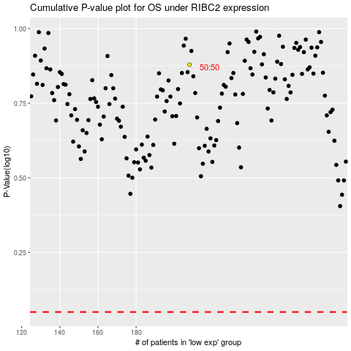

 |  |  |  |  |  | cases_OS | p_OS | rank | exp
 |  |  |  |  |  |  | cases_RFS | p_RFS | rank | exp

