RIC3 _multivariate
Reported by Tex Li-Hsing Chi. tex@gate.sinica.edu.tw 2019-08-16

Table 2. The clinicopathological features of HNSCC cohort and RIC3 expression. (Chi square test)
Cutoff at -0.269 (69.6%)
 |  | RIC3 expression |  | RIC3 expression |  | (Optimised)
 | Features | Low | (%) | High | (%) | Case no | P-value | Remark | Matthews
Gender | Female | 209 | 50.4 | 97 | 23.4 | 415 | 0.3833 | 0 | 0
2 | Male | 80 | 19.3 | 29 | 7
Age at diagnosis | <=65y | 179 | 43.1 | 95 | 22.9 | 415 | 0.0108 | 1 | 0
4 | >65y | 110 | 26.5 | 31 | 7.5
Clinical T Status | T1+T2 | 85 | 20.5 | 64 | 15.4 | 415 | 0 | 1 | 0
6 | T3+T4 | 204 | 49.2 | 62 | 14.9
Clinical N Status | N0 | 148 | 35.7 | 68 | 16.4 | 415 | 0.6817 | 0 | 0
8 | N1-3 | 141 | 34 | 58 | 14
Clinical M Status | M0 | 287 | 69.2 | 125 | 30.1 | 415 | 1 | 0 | 0
10 | M1 | 2 | 0.5 | 1 | 0.2
Clinical Stage | Stage I+II | 61 | 14.7 | 41 | 9.9 | 415 | 0.0181 | 1 | 0
12 | Stage III+IV | 228 | 54.9 | 85 | 20.5
Surgical Margin status | Negative | 219 | 52.8 | 99 | 23.9 | 415 | 0.6142 | 0 | 0
14 | Positive | 70 | 16.9 | 27 | 6.5
Tobacco Exposure | Low | 111 | 26.7 | 50 | 12 | 415 | 0.8271 | 0 | 0
16 | High | 178 | 42.9 | 76 | 18.3

Table 3. Univariate/Multivariate Cox's proportional hazards regression analyses on OS time of RIC3 gene expression in HNSCC

 |  | Univariate |  |  |  | Multivariate
 | Features | HR | CI95%(L) | CI95%(H) | P-value | HR | CI95%(L) | CI95%(H) | P-value
1 | Female | 1 |  |  |  | 1
Gender | Male | 1.157 | 0.843 | 1.587 | 0.367 | 1.205 | 0.86 | 1.686 | 0.278
11 | <=65y | 1 |  |  |  | 1
Age at diagnosis | >65y | 1.329 | 0.99 | 1.784 | 0.058 | 1.368 | 1.005 | 1.862 | 0.046
12 | T1+T2 | 1 |  |  |  | 1
Clinical T Status | T3+T4 | 1.409 | 1.028 | 1.931 | 0.033 | 1.984 | 1.044 | 3.771 | 0.037
13 | N0 | 1 |  |  |  | 1
Clinical N Status | N1-3 | 1.185 | 0.89 | 1.577 | 0.246 | 1.252 | 0.877 | 1.786 | 0.216
14 | M0 | 1 |  |  |  | 1
Clinical M Status | M1 | 4.097 | 1.009 | 16.644 | 0.049 | 8.916 | 1.944 | 40.887 | 0.005
15 | Stage I+II | 1 |  |  |  | 1
Clinical Stage | Stage III+IV | 1.245 | 0.882 | 1.759 | 0.213 | 0.523 | 0.244 | 1.123 | 0.097
16 | Negative | 1 |  |  |  | 1
Surgical Margin status | Positive | 1.591 | 1.155 | 2.191 | 0.004 | 1.666 | 1.206 | 2.302 | 0.002
17 | Low | 1 |  |  |  | 1
Tobacco Exposure | High | 1.364 | 1.008 | 1.844 | 0.044 | 1.484 | 1.073 | 2.052 | 0.017
18 | Low | 1 |  |  |  | 1
RNAseq(z-score) | High | 0.64 | 0.459 | 0.893 | 0.009 | 0.687 | 0.488 | 0.966 | 0.031

Table 4. Univariate/Multivariate Cox's proportional hazards regression analyses on RFS time of RIC3 gene expression in HNSCC

 |  | Univariate |  |  |  | Multivariate
 | Features | HR | CI95%(L) | CI95%(H) | P-value | HR | CI95%(L) | CI95%(H) | P-value
1 | Female | 1 |  |  |  | 1
Gender | Male | 1.157 | 0.843 | 1.587 | 0.367 | 1.205 | 0.86 | 1.686 | 0.278
11 | <=65y | 1 |  |  |  | 1
Age at diagnosis | >65y | 1.329 | 0.99 | 1.784 | 0.058 | 1.368 | 1.005 | 1.862 | 0.046
12 | T1+T2 | 1 |  |  |  | 1
Clinical T Status | T3+T4 | 1.409 | 1.028 | 1.931 | 0.033 | 1.984 | 1.044 | 3.771 | 0.037
13 | N0 | 1 |  |  |  | 1
Clinical N Status | N1-3 | 1.185 | 0.89 | 1.577 | 0.246 | 1.252 | 0.877 | 1.786 | 0.216
14 | M0 | 1 |  |  |  | 1
Clinical M Status | M1 | 4.097 | 1.009 | 16.644 | 0.049 | 8.916 | 1.944 | 40.887 | 0.005
15 | Stage I+II | 1 |  |  |  | 1
Clinical Stage | Stage III+IV | 1.245 | 0.882 | 1.759 | 0.213 | 0.523 | 0.244 | 1.123 | 0.097
16 | Negative | 1 |  |  |  | 1
Surgical Margin status | Positive | 1.591 | 1.155 | 2.191 | 0.004 | 1.666 | 1.206 | 2.302 | 0.002
17 | Low | 1 |  |  |  | 1
Tobacco Exposure | High | 1.364 | 1.008 | 1.844 | 0.044 | 1.484 | 1.073 | 2.052 | 0.017
18 | Low | 1 |  |  |  | 1
RNAseq(z-score) | High | 0.64 | 0.459 | 0.893 | 0.009 | 0.687 | 0.488 | 0.966 | 0.031

Kaplan-Meier survival estimate: Cutoff at -0.269 (69.6%)

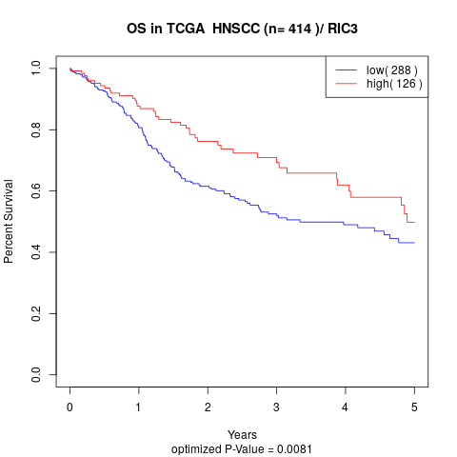

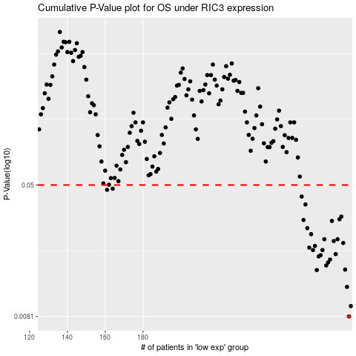

 |  |  |  |  |  | cases_OS | p_OS | rank | exp
 |  |  |  |  |  | 289 | 0.0081 | 408 | -0.26892693759
 |  |  |  |  |  | 290 | 0.00935 | 283 | -0.26487654682
 |  |  |  |  |  | 288 | 0.0122 | 289 | -0.27168672765
 |  |  |  |  |  | 272 | 0.0154 | 407 | -0.31766735412
 |  |  |  |  |  | 287 | 0.0155 | 371 | -0.27386074691
 |  |  |  |  |  | 277 | 0.0164 | 315 | -0.30788069566
 |  |  |  |  |  | 278 | 0.0171 | 94 | -0.3077687801
 |  |  |  |  |  | 279 | 0.0178 | 219 | -0.29923224225
 |  |  |  |  |  | 273 | 0.0186 | 154 | -0.31539808757
 |  |  |  |  |  | 274 | 0.0189 | 313 | -0.31013329393
 |  |  |  |  |  | 282 | 0.0192 | 83 | -0.28857645233
 |  |  |  |  |  | 275 | 0.0203 | 11 | -0.30914986572
 |  |  |  |  |  | 270 | 0.0203 | 298 | -0.31903653383
 |  |  |  |  |  | 268 | 0.021 | 158 | -0.32271069782
 |  |  |  |  |  | 271 | 0.0215 | 62 | -0.31848886195
 |  |  |  |  |  | 286 | 0.0224 | 61 | -0.27803972151
 |  |  |  |  |  | 281 | 0.023 | 322 | -0.28953368753
 |  |  |  |  |  | 276 | 0.0236 | 214 | -0.30901651953
 |  |  |  |  |  | 283 | 0.0236 | 282 | -0.28419745843
 |  |  |  |  |  | 269 | 0.0253 | 338 | -0.32134151811
 |  |  |  |  |  | 267 | 0.0275 | 86 | -0.32882319229
 |  |  |  |  |  | 280 | 0.0304 | 237 | -0.29119099028
 |  |  |  |  |  | 265 | 0.0308 | 152 | -0.33362841778
 |  |  |  |  |  | 284 | 0.0311 | 145 | -0.27853500738
 |  |  |  |  |  | 285 | 0.0323 | 264 | -0.27843261655
 |  |  |  |  |  | 266 | 0.0382 | 2 | -0.32939705718
 |  |  |  |  |  | 264 | 0.0426 | 79 | -0.33376890752
 |  |  |  |  |  | 161 | 0.0468 | 319 | -0.46767706445
 |  |  |  |  |  | 164 | 0.0475 | 293 | -0.46604833589
 |  |  |  |  |  |  | cases_RFS | p_RFS | rank | exp
 |  |  |  |  |  |  | 288 | 0.0081 | 289 | -0.27168672765
 |  |  |  |  |  |  | 289 | 0.00935 | 408 | -0.26892693759
 |  |  |  |  |  |  | 287 | 0.0122 | 371 | -0.27386074691
 |  |  |  |  |  |  | 271 | 0.0154 | 62 | -0.31848886195
 |  |  |  |  |  |  | 286 | 0.0155 | 61 | -0.27803972151
 |  |  |  |  |  |  | 276 | 0.0164 | 214 | -0.30901651953
 |  |  |  |  |  |  | 277 | 0.0171 | 315 | -0.30788069566
 |  |  |  |  |  |  | 278 | 0.0178 | 94 | -0.3077687801
 |  |  |  |  |  |  | 272 | 0.0186 | 407 | -0.31766735412
 |  |  |  |  |  |  | 273 | 0.0189 | 154 | -0.31539808757
 |  |  |  |  |  |  | 281 | 0.0192 | 322 | -0.28953368753
 |  |  |  |  |  |  | 274 | 0.0203 | 313 | -0.31013329393
 |  |  |  |  |  |  | 269 | 0.0203 | 338 | -0.32134151811
 |  |  |  |  |  |  | 267 | 0.021 | 86 | -0.32882319229
 |  |  |  |  |  |  | 270 | 0.0215 | 298 | -0.31903653383
 |  |  |  |  |  |  | 285 | 0.0224 | 264 | -0.27843261655
 |  |  |  |  |  |  | 280 | 0.023 | 237 | -0.29119099028
 |  |  |  |  |  |  | 275 | 0.0236 | 11 | -0.30914986572
 |  |  |  |  |  |  | 282 | 0.0236 | 83 | -0.28857645233
 |  |  |  |  |  |  | 268 | 0.0253 | 158 | -0.32271069782
 |  |  |  |  |  |  | 266 | 0.0275 | 2 | -0.32939705718
 |  |  |  |  |  |  | 279 | 0.0304 | 219 | -0.29923224225
 |  |  |  |  |  |  | 264 | 0.0308 | 79 | -0.33376890752
 |  |  |  |  |  |  | 283 | 0.0311 | 282 | -0.28419745843
 |  |  |  |  |  |  | 284 | 0.0323 | 145 | -0.27853500738
 |  |  |  |  |  |  | 265 | 0.0382 | 152 | -0.33362841778
 |  |  |  |  |  |  | 263 | 0.0426 | 52 | -0.33651441049
 |  |  |  |  |  |  | 160 | 0.0468 | 302 | -0.46769849509
 |  |  |  |  |  |  | 163 | 0.0475 | 244 | -0.46613405845

