RIC8A _multivariate
Reported by Tex Li-Hsing Chi. tex@gate.sinica.edu.tw 2019-08-16

Table 2. The clinicopathological features of HNSCC cohort and RIC8A expression. (Chi square test)
Cutoff at -0.019 (50.0%)
 |  | RIC8A expression |  | RIC8A expression |  | (Optimised)
 | Features | Low | (%) | High | (%) | Case no | P-value | Remark | Matthews
Gender | Female | 159 | 38.3 | 147 | 35.4 | 415 | 0.1905 | 0 | 0
2 | Male | 48 | 11.6 | 61 | 14.7
Age at diagnosis | <=65y | 135 | 32.5 | 139 | 33.5 | 415 | 0.8084 | 0 | 0
4 | >65y | 72 | 17.3 | 69 | 16.6
Clinical T Status | T1+T2 | 79 | 19 | 70 | 16.9 | 415 | 0.3924 | 0 | 0
6 | T3+T4 | 128 | 30.8 | 138 | 33.3
Clinical N Status | N0 | 112 | 27 | 104 | 25.1 | 415 | 0.4599 | 0 | 0
8 | N1-3 | 95 | 22.9 | 104 | 25.1
Clinical M Status | M0 | 205 | 49.4 | 207 | 49.9 | 415 | 0.6232 | 0 | 0
10 | M1 | 2 | 0.5 | 1 | 0.2
Clinical Stage | Stage I+II | 51 | 12.3 | 51 | 12.3 | 415 | 1 | 0 | 0
12 | Stage III+IV | 156 | 37.6 | 157 | 37.8
Surgical Margin status | Negative | 158 | 38.1 | 160 | 38.6 | 415 | 0.9081 | 0 | 0
14 | Positive | 49 | 11.8 | 48 | 11.6
Tobacco Exposure | Low | 70 | 16.9 | 91 | 21.9 | 415 | 0.0439 | 1 | 0
16 | High | 137 | 33 | 117 | 28.2

Table 3. Univariate/Multivariate Cox's proportional hazards regression analyses on OS time of RIC8A gene expression in HNSCC

 |  | Univariate |  |  |  | Multivariate
 | Features | HR | CI95%(L) | CI95%(H) | P-value | HR | CI95%(L) | CI95%(H) | P-value
1 | Female | 1 |  |  |  | 1
Gender | Male | 1.157 | 0.843 | 1.587 | 0.367 | 1.197 | 0.857 | 1.673 | 0.292
11 | <=65y | 1 |  |  |  | 1
Age at diagnosis | >65y | 1.329 | 0.99 | 1.784 | 0.058 | 1.404 | 1.031 | 1.913 | 0.031
12 | T1+T2 | 1 |  |  |  | 1
Clinical T Status | T3+T4 | 1.409 | 1.028 | 1.931 | 0.033 | 2.181 | 1.152 | 4.129 | 0.017
13 | N0 | 1 |  |  |  | 1
Clinical N Status | N1-3 | 1.185 | 0.89 | 1.577 | 0.246 | 1.243 | 0.871 | 1.773 | 0.231
14 | M0 | 1 |  |  |  | 1
Clinical M Status | M1 | 4.097 | 1.009 | 16.644 | 0.049 | 9.382 | 2.047 | 43.01 | 0.004
15 | Stage I+II | 1 |  |  |  | 1
Clinical Stage | Stage III+IV | 1.245 | 0.882 | 1.759 | 0.213 | 0.509 | 0.237 | 1.093 | 0.083
16 | Negative | 1 |  |  |  | 1
Surgical Margin status | Positive | 1.591 | 1.155 | 2.191 | 0.004 | 1.66 | 1.201 | 2.296 | 0.002
17 | Low | 1 |  |  |  | 1
Tobacco Exposure | High | 1.364 | 1.008 | 1.844 | 0.044 | 1.47 | 1.063 | 2.032 | 0.02
18 | Low | 1 |  |  |  | 1
RNAseq(z-score) | High | 1.066 | 0.8 | 1.419 | 0.664 | 1.08 | 0.806 | 1.447 | 0.607

Table 4. Univariate/Multivariate Cox's proportional hazards regression analyses on RFS time of RIC8A gene expression in HNSCC

 |  | Univariate |  |  |  | Multivariate
 | Features | HR | CI95%(L) | CI95%(H) | P-value | HR | CI95%(L) | CI95%(H) | P-value
1 | Female | 1 |  |  |  | 1
Gender | Male | 1.157 | 0.843 | 1.587 | 0.367 | 1.197 | 0.857 | 1.673 | 0.292
11 | <=65y | 1 |  |  |  | 1
Age at diagnosis | >65y | 1.329 | 0.99 | 1.784 | 0.058 | 1.404 | 1.031 | 1.913 | 0.031
12 | T1+T2 | 1 |  |  |  | 1
Clinical T Status | T3+T4 | 1.409 | 1.028 | 1.931 | 0.033 | 2.181 | 1.152 | 4.129 | 0.017
13 | N0 | 1 |  |  |  | 1
Clinical N Status | N1-3 | 1.185 | 0.89 | 1.577 | 0.246 | 1.243 | 0.871 | 1.773 | 0.231
14 | M0 | 1 |  |  |  | 1
Clinical M Status | M1 | 4.097 | 1.009 | 16.644 | 0.049 | 9.382 | 2.047 | 43.01 | 0.004
15 | Stage I+II | 1 |  |  |  | 1
Clinical Stage | Stage III+IV | 1.245 | 0.882 | 1.759 | 0.213 | 0.509 | 0.237 | 1.093 | 0.083
16 | Negative | 1 |  |  |  | 1
Surgical Margin status | Positive | 1.591 | 1.155 | 2.191 | 0.004 | 1.66 | 1.201 | 2.296 | 0.002
17 | Low | 1 |  |  |  | 1
Tobacco Exposure | High | 1.364 | 1.008 | 1.844 | 0.044 | 1.47 | 1.063 | 2.032 | 0.02
18 | Low | 1 |  |  |  | 1
RNAseq(z-score) | High | 1.066 | 0.8 | 1.419 | 0.664 | 1.08 | 0.806 | 1.447 | 0.607

Kaplan-Meier survival estimate: Cutoff at -0.019 (50.0%)



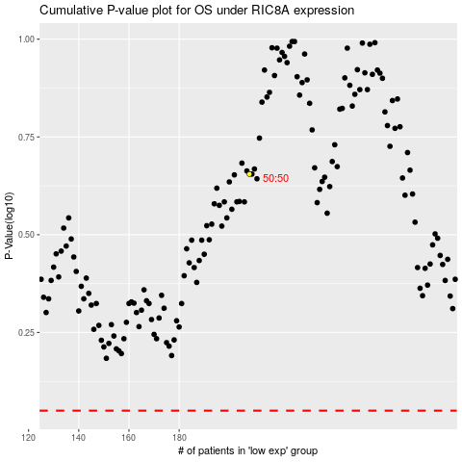

 |  |  |  |  |  | cases_OS | p_OS | rank | exp
 |  |  |  |  |  |  | cases_RFS | p_RFS | rank | exp

