RIC8B _multivariate
Reported by Tex Li-Hsing Chi. tex@gate.sinica.edu.tw 2019-08-16

Table 2. The clinicopathological features of HNSCC cohort and RIC8B expression. (Chi square test)
Cutoff at -0.269 (43.2%)
 |  | RIC8B expression |  | RIC8B expression |  | (Optimised)
 | Features | Low | (%) | High | (%) | Case no | P-value | Remark | Matthews
Gender | Female | 120 | 28.9 | 186 | 44.8 | 415 | 0.0059 | 1 | 0
2 | Male | 60 | 14.5 | 49 | 11.8
Age at diagnosis | <=65y | 109 | 26.3 | 165 | 39.8 | 415 | 0.0507 | 0 | 0
4 | >65y | 71 | 17.1 | 70 | 16.9
Clinical T Status | T1+T2 | 53 | 12.8 | 96 | 23.1 | 415 | 0.0216 | 1 | 0
6 | T3+T4 | 127 | 30.6 | 139 | 33.5
Clinical N Status | N0 | 102 | 24.6 | 114 | 27.5 | 415 | 0.1214 | 0 | 0
8 | N1-3 | 78 | 18.8 | 121 | 29.2
Clinical M Status | M0 | 179 | 43.1 | 233 | 56.1 | 415 | 1 | 0 | 0
10 | M1 | 1 | 0.2 | 2 | 0.5
Clinical Stage | Stage I+II | 41 | 9.9 | 61 | 14.7 | 415 | 0.5283 | 0 | 0
12 | Stage III+IV | 139 | 33.5 | 174 | 41.9
Surgical Margin status | Negative | 142 | 34.2 | 176 | 42.4 | 415 | 0.3519 | 0 | 0
14 | Positive | 38 | 9.2 | 59 | 14.2
Tobacco Exposure | Low | 80 | 19.3 | 81 | 19.5 | 415 | 0.0424 | 1 | 0
16 | High | 100 | 24.1 | 154 | 37.1

Table 3. Univariate/Multivariate Cox's proportional hazards regression analyses on OS time of RIC8B gene expression in HNSCC

 |  | Univariate |  |  |  | Multivariate
 | Features | HR | CI95%(L) | CI95%(H) | P-value | HR | CI95%(L) | CI95%(H) | P-value
1 | Female | 1 |  |  |  | 1
Gender | Male | 1.157 | 0.843 | 1.587 | 0.367 | 1.268 | 0.906 | 1.776 | 0.166
11 | <=65y | 1 |  |  |  | 1
Age at diagnosis | >65y | 1.329 | 0.99 | 1.784 | 0.058 | 1.378 | 1.013 | 1.873 | 0.041
12 | T1+T2 | 1 |  |  |  | 1
Clinical T Status | T3+T4 | 1.409 | 1.028 | 1.931 | 0.033 | 2.39 | 1.259 | 4.535 | 0.008
13 | N0 | 1 |  |  |  | 1
Clinical N Status | N1-3 | 1.185 | 0.89 | 1.577 | 0.246 | 1.177 | 0.822 | 1.684 | 0.373
14 | M0 | 1 |  |  |  | 1
Clinical M Status | M1 | 4.097 | 1.009 | 16.644 | 0.049 | 10.271 | 2.236 | 47.189 | 0.003
15 | Stage I+II | 1 |  |  |  | 1
Clinical Stage | Stage III+IV | 1.245 | 0.882 | 1.759 | 0.213 | 0.496 | 0.231 | 1.064 | 0.072
16 | Negative | 1 |  |  |  | 1
Surgical Margin status | Positive | 1.591 | 1.155 | 2.191 | 0.004 | 1.682 | 1.217 | 2.325 | 0.002
17 | Low | 1 |  |  |  | 1
Tobacco Exposure | High | 1.364 | 1.008 | 1.844 | 0.044 | 1.402 | 1.017 | 1.932 | 0.039
18 | Low | 1 |  |  |  | 1
RNAseq(z-score) | High | 1.363 | 1.013 | 1.835 | 0.041 | 1.455 | 1.072 | 1.975 | 0.016

Table 4. Univariate/Multivariate Cox's proportional hazards regression analyses on RFS time of RIC8B gene expression in HNSCC

 |  | Univariate |  |  |  | Multivariate
 | Features | HR | CI95%(L) | CI95%(H) | P-value | HR | CI95%(L) | CI95%(H) | P-value
1 | Female | 1 |  |  |  | 1
Gender | Male | 1.157 | 0.843 | 1.587 | 0.367 | 1.268 | 0.906 | 1.776 | 0.166
11 | <=65y | 1 |  |  |  | 1
Age at diagnosis | >65y | 1.329 | 0.99 | 1.784 | 0.058 | 1.378 | 1.013 | 1.873 | 0.041
12 | T1+T2 | 1 |  |  |  | 1
Clinical T Status | T3+T4 | 1.409 | 1.028 | 1.931 | 0.033 | 2.39 | 1.259 | 4.535 | 0.008
13 | N0 | 1 |  |  |  | 1
Clinical N Status | N1-3 | 1.185 | 0.89 | 1.577 | 0.246 | 1.177 | 0.822 | 1.684 | 0.373
14 | M0 | 1 |  |  |  | 1
Clinical M Status | M1 | 4.097 | 1.009 | 16.644 | 0.049 | 10.271 | 2.236 | 47.189 | 0.003
15 | Stage I+II | 1 |  |  |  | 1
Clinical Stage | Stage III+IV | 1.245 | 0.882 | 1.759 | 0.213 | 0.496 | 0.231 | 1.064 | 0.072
16 | Negative | 1 |  |  |  | 1
Surgical Margin status | Positive | 1.591 | 1.155 | 2.191 | 0.004 | 1.682 | 1.217 | 2.325 | 0.002
17 | Low | 1 |  |  |  | 1
Tobacco Exposure | High | 1.364 | 1.008 | 1.844 | 0.044 | 1.402 | 1.017 | 1.932 | 0.039
18 | Low | 1 |  |  |  | 1
RNAseq(z-score) | High | 1.363 | 1.013 | 1.835 | 0.041 | 1.455 | 1.072 | 1.975 | 0.016

Kaplan-Meier survival estimate: Cutoff at -0.269 (43.2%)



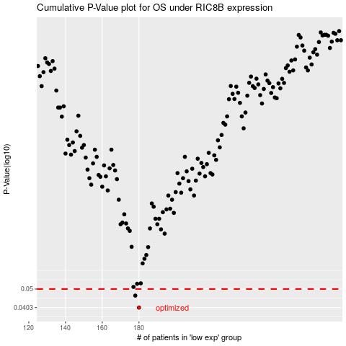

 |  |  |  |  |  | cases_OS | p_OS | rank | exp
 |  |  |  |  |  | 180 | 0.0403 | 69 | -0.26935319674
 |  |  |  |  |  | 178 | 0.0463 | 55 | -0.28229888789
 |  |  |  |  |  |  | cases_RFS | p_RFS | rank | exp
 |  |  |  |  |  |  | 179 | 0.0403 | 321 | -0.27248471019
 |  |  |  |  |  |  | 177 | 0.0463 | 307 | -0.28333100173

